AnnualSciProd
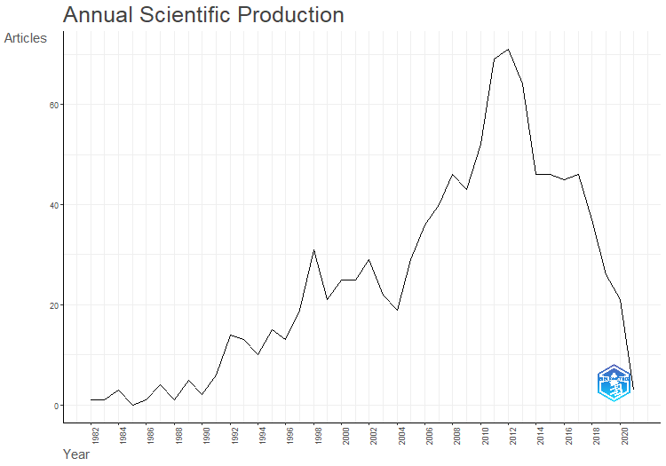
Year | Articles
1982 | 1
1983 | 1
1984 | 3
1985 | 0
1986 | 1
1987 | 4
1988 | 1
1989 | 5
1990 | 2
1991 | 6
1992 | 14
1993 | 13
1994 | 10
1995 | 15
1996 | 13
1997 | 19
1998 | 31
1999 | 21
2000 | 25
2001 | 25
2002 | 29
2003 | 22
2004 | 19
2005 | 29
2006 | 36
2007 | 40
2008 | 46
2009 | 43
2010 | 52
2011 | 69
2012 | 71
2013 | 64
2014 | 46
2015 | 46
2016 | 45
2017 | 46
2018 | 37
2019 | 26
2020 | 21
2021 | 3

AnnualCitPerYear
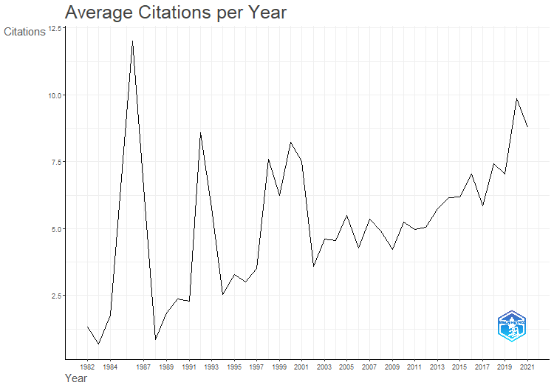
Year | MeanTCperArt | N | MeanTCperYear | CitableYears
1982 | 56 | 1 | 1.33 | 42
1983 | 28 | 1 | 0.68 | 41
1984 | 70.67 | 3 | 1.77 | 40
1986 | 456 | 1 | 12 | 38
1987 | 242 | 4 | 6.54 | 37
1988 | 31 | 1 | 0.86 | 36
1989 | 64.6 | 5 | 1.85 | 35
1990 | 81 | 2 | 2.38 | 34
1991 | 75.67 | 6 | 2.29 | 33
1992 | 274.43 | 14 | 8.58 | 32
1993 | 178.69 | 13 | 5.76 | 31
1994 | 76 | 10 | 2.53 | 30
1995 | 95.53 | 15 | 3.29 | 29
1996 | 84.46 | 13 | 3.02 | 28
1997 | 94.42 | 19 | 3.5 | 27
1998 | 197.23 | 31 | 7.59 | 26
1999 | 156.33 | 21 | 6.25 | 25
2000 | 197.68 | 25 | 8.24 | 24
2001 | 172.76 | 25 | 7.51 | 23
2002 | 78.69 | 29 | 3.58 | 22
2003 | 96.86 | 22 | 4.61 | 21
2004 | 90.95 | 19 | 4.55 | 20
2005 | 104.28 | 29 | 5.49 | 19
2006 | 76.94 | 36 | 4.27 | 18
2007 | 91.05 | 40 | 5.36 | 17
2008 | 78.76 | 46 | 4.92 | 16
2009 | 63.35 | 43 | 4.22 | 15
2010 | 73.38 | 52 | 5.24 | 14
2011 | 64.65 | 69 | 4.97 | 13
2012 | 60.66 | 71 | 5.06 | 12
2013 | 63.09 | 64 | 5.74 | 11
2014 | 61.48 | 46 | 6.15 | 10
2015 | 55.7 | 46 | 6.19 | 9
2016 | 56.38 | 45 | 7.05 | 8
2017 | 40.93 | 46 | 5.85 | 7
2018 | 44.49 | 37 | 7.42 | 6
2019 | 35.19 | 26 | 7.04 | 5
2020 | 39.43 | 21 | 9.86 | 4
2021 | 26.33 | 3 | 8.78 | 3

MostRelSources
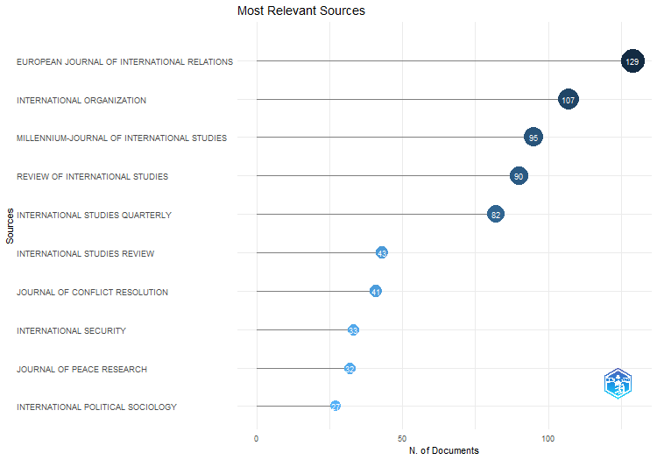
Sources | Articles
EUROPEAN JOURNAL OF INTERNATIONAL RELATIONS | 129
INTERNATIONAL ORGANIZATION | 107
MILLENNIUM-JOURNAL OF INTERNATIONAL STUDIES | 95
REVIEW OF INTERNATIONAL STUDIES | 90
INTERNATIONAL STUDIES QUARTERLY | 82
INTERNATIONAL STUDIES REVIEW | 43
JOURNAL OF CONFLICT RESOLUTION | 41
INTERNATIONAL SECURITY | 33
JOURNAL OF PEACE RESEARCH | 32
INTERNATIONAL POLITICAL SOCIOLOGY | 27
INTERNATIONAL AFFAIRS | 26
INTERNATIONAL THEORY | 26
SECURITY DIALOGUE | 24
CAMBRIDGE REVIEW OF INTERNATIONAL AFFAIRS | 23
INTERNATIONAL RELATIONS | 18
JOURNAL OF INTERNATIONAL RELATIONS AND DEVELOPMENT | 18
CONFLICT MANAGEMENT AND PEACE SCIENCE | 15
SECURITY STUDIES | 15
COOPERATION AND CONFLICT | 14
FOREIGN POLICY ANALYSIS | 14
WORLD POLITICS | 13
INTERNATIONAL RELATIONS OF THE ASIA-PACIFIC | 10
PACIFIC REVIEW | 10
REVIEW OF INTERNATIONAL POLITICAL ECONOMY | 9
CHINESE JOURNAL OF INTERNATIONAL POLITICS | 8
INTERNATIONAL INTERACTIONS | 8
REVIEW OF INTERNATIONAL ORGANIZATIONS | 8
GLOBAL GOVERNANCE | 6
INTERNATIONAL STUDIES PERSPECTIVES | 6
ALTERNATIVES | 5
AUSTRALIAN JOURNAL OF INTERNATIONAL AFFAIRS | 5
INTERNATIONAL POLITICS | 5
GLOBAL ENVIRONMENTAL POLITICS | 3
JCMS-JOURNAL OF COMMON MARKET STUDIES | 3
JOURNAL OF STRATEGIC STUDIES | 3
POLITICS | 3
ALTERNATIVES-SOCIAL TRANSFORMATION AND HUMANE GOVERNANCE | 2
ASIAN PERSPECTIVE | 2
EUROPEAN SECURITY | 2
FOREIGN AFFAIRS | 2
JOURNAL OF COMMON MARKET STUDIES | 2
AMERICAN JOURNAL OF INTERNATIONAL LAW | 1
COMMUNIST AND POST-COMMUNIST STUDIES | 1
ETHICS & INTERNATIONAL AFFAIRS | 1
FOREIGN POLICY | 1
GLOBALIZATIONS | 1
INTERNATIONAL JOURNAL | 1
INTERNATIONAL PEACEKEEPING | 1
JOURNAL OF HUMAN RIGHTS | 1
JOURNAL OF INTERVENTION AND STATEBUILDING | 1
LATIN AMERICAN POLITICS AND SOCIETY | 1
MARINE POLICY | 1
PACIFIC FOCUS | 1
TERRORISM AND POLITICAL VIOLENCE | 1

BradfordLaw
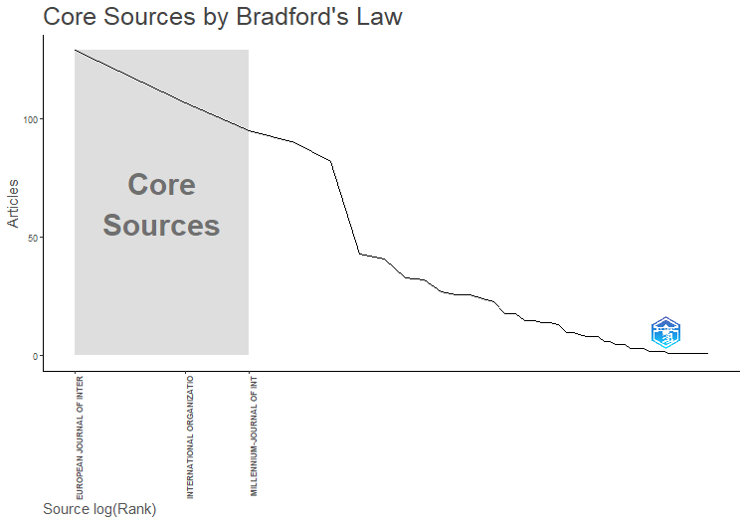
SO | Rank | Freq | cumFreq | Zone
EUROPEAN JOURNAL OF INTERNATIONAL RELATIONS | 1 | 129 | 129 | Zone 1
INTERNATIONAL ORGANIZATION | 2 | 107 | 236 | Zone 1
MILLENNIUM-JOURNAL OF INTERNATIONAL STUDIES | 3 | 95 | 331 | Zone 1
REVIEW OF INTERNATIONAL STUDIES | 4 | 90 | 421 | Zone 2
INTERNATIONAL STUDIES QUARTERLY | 5 | 82 | 503 | Zone 2
INTERNATIONAL STUDIES REVIEW | 6 | 43 | 546 | Zone 2
JOURNAL OF CONFLICT RESOLUTION | 7 | 41 | 587 | Zone 2
INTERNATIONAL SECURITY | 8 | 33 | 620 | Zone 2
JOURNAL OF PEACE RESEARCH | 9 | 32 | 652 | Zone 2
INTERNATIONAL POLITICAL SOCIOLOGY | 10 | 27 | 679 | Zone 2
INTERNATIONAL AFFAIRS | 11 | 26 | 705 | Zone 3
INTERNATIONAL THEORY | 12 | 26 | 731 | Zone 3
SECURITY DIALOGUE | 13 | 24 | 755 | Zone 3
CAMBRIDGE REVIEW OF INTERNATIONAL AFFAIRS | 14 | 23 | 778 | Zone 3
INTERNATIONAL RELATIONS | 15 | 18 | 796 | Zone 3
JOURNAL OF INTERNATIONAL RELATIONS AND DEVELOPMENT | 16 | 18 | 814 | Zone 3
CONFLICT MANAGEMENT AND PEACE SCIENCE | 17 | 15 | 829 | Zone 3
SECURITY STUDIES | 18 | 15 | 844 | Zone 3
COOPERATION AND CONFLICT | 19 | 14 | 858 | Zone 3
FOREIGN POLICY ANALYSIS | 20 | 14 | 872 | Zone 3
WORLD POLITICS | 21 | 13 | 885 | Zone 3
INTERNATIONAL RELATIONS OF THE ASIA-PACIFIC | 22 | 10 | 895 | Zone 3
PACIFIC REVIEW | 23 | 10 | 905 | Zone 3
REVIEW OF INTERNATIONAL POLITICAL ECONOMY | 24 | 9 | 914 | Zone 3
CHINESE JOURNAL OF INTERNATIONAL POLITICS | 25 | 8 | 922 | Zone 3
INTERNATIONAL INTERACTIONS | 26 | 8 | 930 | Zone 3
REVIEW OF INTERNATIONAL ORGANIZATIONS | 27 | 8 | 938 | Zone 3
GLOBAL GOVERNANCE | 28 | 6 | 944 | Zone 3
INTERNATIONAL STUDIES PERSPECTIVES | 29 | 6 | 950 | Zone 3
ALTERNATIVES | 30 | 5 | 955 | Zone 3
AUSTRALIAN JOURNAL OF INTERNATIONAL AFFAIRS | 31 | 5 | 960 | Zone 3
INTERNATIONAL POLITICS | 32 | 5 | 965 | Zone 3
GLOBAL ENVIRONMENTAL POLITICS | 33 | 3 | 968 | Zone 3
JCMS-JOURNAL OF COMMON MARKET STUDIES | 34 | 3 | 971 | Zone 3
JOURNAL OF STRATEGIC STUDIES | 35 | 3 | 974 | Zone 3
POLITICS | 36 | 3 | 977 | Zone 3
ALTERNATIVES-SOCIAL TRANSFORMATION AND HUMANE GOVERNANCE | 37 | 2 | 979 | Zone 3
ASIAN PERSPECTIVE | 38 | 2 | 981 | Zone 3
EUROPEAN SECURITY | 39 | 2 | 983 | Zone 3
FOREIGN AFFAIRS | 40 | 2 | 985 | Zone 3
JOURNAL OF COMMON MARKET STUDIES | 41 | 2 | 987 | Zone 3
AMERICAN JOURNAL OF INTERNATIONAL LAW | 42 | 1 | 988 | Zone 3
COMMUNIST AND POST-COMMUNIST STUDIES | 43 | 1 | 989 | Zone 3
ETHICS & INTERNATIONAL AFFAIRS | 44 | 1 | 990 | Zone 3
FOREIGN POLICY | 45 | 1 | 991 | Zone 3
GLOBALIZATIONS | 46 | 1 | 992 | Zone 3
INTERNATIONAL JOURNAL | 47 | 1 | 993 | Zone 3
INTERNATIONAL PEACEKEEPING | 48 | 1 | 994 | Zone 3
JOURNAL OF HUMAN RIGHTS | 49 | 1 | 995 | Zone 3
JOURNAL OF INTERVENTION AND STATEBUILDING | 50 | 1 | 996 | Zone 3
LATIN AMERICAN POLITICS AND SOCIETY | 51 | 1 | 997 | Zone 3
MARINE POLICY | 52 | 1 | 998 | Zone 3
PACIFIC FOCUS | 53 | 1 | 999 | Zone 3
TERRORISM AND POLITICAL VIOLENCE | 54 | 1 | 1000 | Zone 3

SourceLocImpact
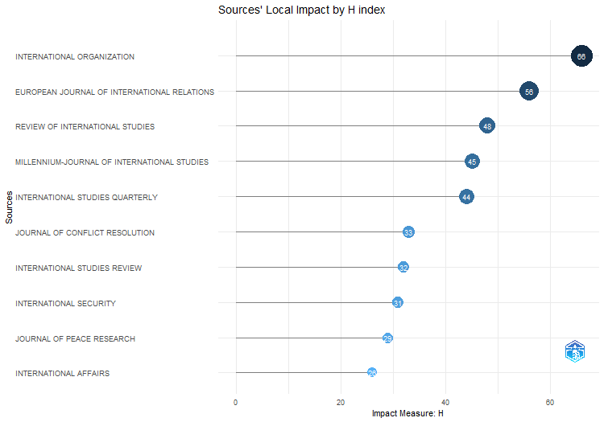
Element | h_index | g_index | m_index | TC | NP | PY_start
INTERNATIONAL ORGANIZATION | 66 | 107 | 1.5714285714 | 22936 | 107 | 1982
EUROPEAN JOURNAL OF INTERNATIONAL RELATIONS | 56 | 93 | 2.0740740741 | 9816 | 129 | 1997
REVIEW OF INTERNATIONAL STUDIES | 48 | 73 | 1.7142857143 | 5838 | 90 | 1996
MILLENNIUM-JOURNAL OF INTERNATIONAL STUDIES | 45 | 67 | 1.2162162162 | 5409 | 95 | 1987
INTERNATIONAL STUDIES QUARTERLY | 44 | 81 | 1.2571428571 | 6667 | 82 | 1989
JOURNAL OF CONFLICT RESOLUTION | 33 | 41 | 0.80487804878 | 2959 | 41 | 1983
INTERNATIONAL STUDIES REVIEW | 32 | 43 | 2 | 2305 | 43 | 2008
INTERNATIONAL SECURITY | 31 | 33 | 1 | 2990 | 33 | 1993
JOURNAL OF PEACE RESEARCH | 29 | 32 | 0.725 | 3031 | 32 | 1984
INTERNATIONAL AFFAIRS | 26 | 26 | 0.8125 | 1420 | 26 | 1992
INTERNATIONAL POLITICAL SOCIOLOGY | 26 | 27 | 1.5294117647 | 1457 | 27 | 2007
INTERNATIONAL THEORY | 25 | 26 | 1.6666666667 | 2059 | 26 | 2009
SECURITY DIALOGUE | 24 | 24 | 1.3333333333 | 1167 | 24 | 2006
CAMBRIDGE REVIEW OF INTERNATIONAL AFFAIRS | 23 | 23 | 1.4375 | 1258 | 23 | 2008
INTERNATIONAL RELATIONS | 18 | 18 | 1.125 | 1213 | 18 | 2008
JOURNAL OF INTERNATIONAL RELATIONS AND DEVELOPMENT | 18 | 18 | 1.0588235294 | 705 | 18 | 2007
CONFLICT MANAGEMENT AND PEACE SCIENCE | 15 | 15 | 0.53571428571 | 1783 | 15 | 1996
SECURITY STUDIES | 15 | 15 | 0.6 | 795 | 15 | 1999
COOPERATION AND CONFLICT | 14 | 14 | 0.77777777778 | 608 | 14 | 2006
FOREIGN POLICY ANALYSIS | 14 | 14 | 0.73684210526 | 1067 | 14 | 2005
WORLD POLITICS | 13 | 13 | 0.325 | 1842 | 13 | 1984
INTERNATIONAL RELATIONS OF THE ASIA-PACIFIC | 10 | 10 | 0.58823529412 | 754 | 10 | 2007
PACIFIC REVIEW | 10 | 10 | 0.35714285714 | 412 | 10 | 1996
REVIEW OF INTERNATIONAL POLITICAL ECONOMY | 9 | 9 | 0.34615384615 | 400 | 9 | 1998
CHINESE JOURNAL OF INTERNATIONAL POLITICS | 8 | 8 | 0.5 | 395 | 8 | 2008
INTERNATIONAL INTERACTIONS | 8 | 8 | 0.28571428571 | 1183 | 8 | 1996
REVIEW OF INTERNATIONAL ORGANIZATIONS | 8 | 8 | 0.5 | 563 | 8 | 2008
GLOBAL GOVERNANCE | 6 | 6 | 0.33333333333 | 368 | 6 | 2006
INTERNATIONAL STUDIES PERSPECTIVES | 6 | 6 | 0.375 | 475 | 6 | 2008
ALTERNATIVES | 5 | 5 | 0.21739130435 | 241 | 5 | 2001
AUSTRALIAN JOURNAL OF INTERNATIONAL AFFAIRS | 5 | 5 | 0.33333333333 | 220 | 5 | 2009
INTERNATIONAL POLITICS | 5 | 5 | 0.33333333333 | 194 | 5 | 2009
GLOBAL ENVIRONMENTAL POLITICS | 3 | 3 | 0.16666666667 | 152 | 3 | 2006
JCMS-JOURNAL OF COMMON MARKET STUDIES | 3 | 3 | 0.23076923077 | 121 | 3 | 2011
JOURNAL OF STRATEGIC STUDIES | 3 | 3 | 0.12 | 152 | 3 | 1999
POLITICS | 3 | 3 | 0.375 | 112 | 3 | 2016
ALTERNATIVES-SOCIAL TRANSFORMATION AND HUMANE GOVERNANCE | 2 | 2 | 0.066666666667 | 95 | 2 | 1994
ASIAN PERSPECTIVE | 2 | 2 | 0.13333333333 | 59 | 2 | 2009
EUROPEAN SECURITY | 2 | 2 | 0.25 | 64 | 2 | 2016
FOREIGN AFFAIRS | 2 | 2 | 0.076923076923 | 194 | 2 | 1998
JOURNAL OF COMMON MARKET STUDIES | 2 | 2 | 0.071428571429 | 110 | 2 | 1996
AMERICAN JOURNAL OF INTERNATIONAL LAW | 1 | 1 | 0.032258064516 | 227 | 1 | 1993
COMMUNIST AND POST-COMMUNIST STUDIES | 1 | 1 | 0.1 | 37 | 1 | 2014
ETHICS & INTERNATIONAL AFFAIRS | 1 | 1 | 0.16666666667 | 26 | 1 | 2018
FOREIGN POLICY | 1 | 1 | 0.038461538462 | 207 | 1 | 1998
GLOBALIZATIONS | 1 | 1 | 0.083333333333 | 37 | 1 | 2012
INTERNATIONAL JOURNAL | 1 | 1 | 0.035714285714 | 28 | 1 | 1996
INTERNATIONAL PEACEKEEPING | 1 | 1 | 0.076923076923 | 33 | 1 | 2011
JOURNAL OF HUMAN RIGHTS | 1 | 1 | 0.066666666667 | 26 | 1 | 2009
JOURNAL OF INTERVENTION AND STATEBUILDING | 1 | 1 | 0.14285714286 | 32 | 1 | 2017
LATIN AMERICAN POLITICS AND SOCIETY | 1 | 1 | 0.055555555556 | 27 | 1 | 2006
MARINE POLICY | 1 | 1 | 0.11111111111 | 96 | 1 | 2015
PACIFIC FOCUS | 1 | 1 | 0.071428571429 | 31 | 1 | 2010
TERRORISM AND POLITICAL VIOLENCE | 1 | 1 | 0.083333333333 | 26 | 1 | 2012

SourceProdOverTime
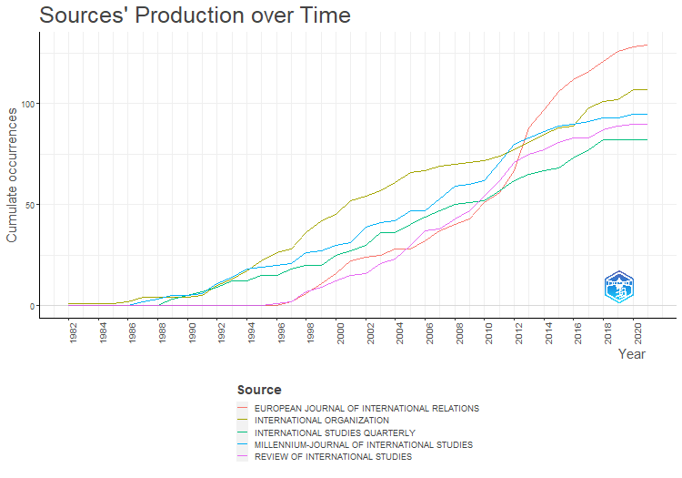
Year | EUROPEAN JOURNAL OF INTERNATIONAL RELATIONS | INTERNATIONAL ORGANIZATION | MILLENNIUM-JOURNAL OF INTERNATIONAL STUDIES | REVIEW OF INTERNATIONAL STUDIES | INTERNATIONAL STUDIES QUARTERLY
1982 | 0 | 1 | 0 | 0 | 0
1983 | 0 | 1 | 0 | 0 | 0
1984 | 0 | 1 | 0 | 0 | 0
1985 | 0 | 1 | 0 | 0 | 0
1986 | 0 | 2 | 0 | 0 | 0
1987 | 0 | 4 | 2 | 0 | 0
1988 | 0 | 4 | 3 | 0 | 0
1989 | 0 | 4 | 5 | 0 | 3
1990 | 0 | 4 | 5 | 0 | 5
1991 | 0 | 5 | 6 | 0 | 7
1992 | 0 | 10 | 11 | 0 | 9
1993 | 0 | 13 | 14 | 0 | 12
1994 | 0 | 17 | 18 | 0 | 12
1995 | 0 | 22 | 19 | 0 | 15
1996 | 0 | 26 | 20 | 1 | 15
1997 | 2 | 28 | 21 | 2 | 18
1998 | 6 | 36 | 26 | 7 | 20
1999 | 11 | 42 | 27 | 9 | 20
2000 | 16 | 45 | 30 | 12 | 25
2001 | 22 | 52 | 31 | 15 | 27
2002 | 24 | 54 | 39 | 16 | 30
2003 | 25 | 57 | 41 | 21 | 36
2004 | 28 | 61 | 42 | 23 | 36
2005 | 28 | 66 | 47 | 30 | 40
2006 | 32 | 67 | 47 | 37 | 44
2007 | 37 | 69 | 53 | 38 | 47
2008 | 40 | 70 | 59 | 43 | 50
2009 | 43 | 71 | 60 | 47 | 51
2010 | 51 | 72 | 62 | 54 | 52
2011 | 56 | 74 | 71 | 62 | 57
2012 | 67 | 77 | 80 | 71 | 62
2013 | 88 | 81 | 83 | 75 | 65
2014 | 97 | 85 | 86 | 77 | 67
2015 | 106 | 88 | 89 | 81 | 68
2016 | 112 | 89 | 90 | 83 | 73
2017 | 116 | 98 | 91 | 83 | 77
2018 | 121 | 101 | 93 | 87 | 82
2019 | 126 | 102 | 93 | 89 | 82
2020 | 128 | 107 | 95 | 90 | 82
2021 | 129 | 107 | 95 | 90 | 82

MostRelAuthors
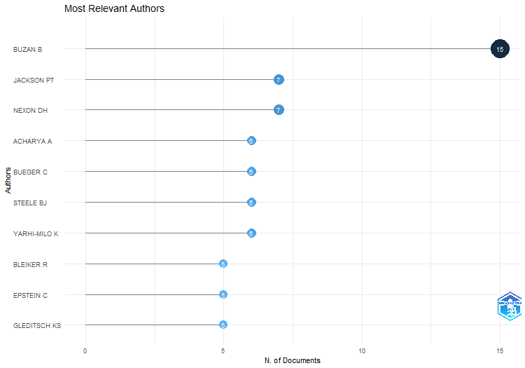
Authors | Articles | Articles Fractionalized
BUZAN B | 15 | 10.5
JACKSON PT | 7 | 3.2254901961
NEXON DH | 7 | 3.1666666667
ACHARYA A | 6 | 5
BUEGER C | 6 | 4.5
STEELE BJ | 6 | 5
YARHI-MILO K | 6 | 3.6666666667
BLEIKER R | 5 | 2.6666666667
EPSTEIN C | 5 | 4.3333333333
GLEDITSCH KS | 5 | 2.4166666667
HUTCHISON E | 5 | 3.1666666667
HUYSMANS J | 5 | 3
JAHN B | 5 | 5
KEOHANE RO | 5 | 3.6666666667
KERTZER JD | 5 | 2.3666666667
NEUMANN IB | 5 | 3.25
ROSENBERG J | 5 | 5
STAM AC | 5 | 2.1666666667
WILLIAMS MC | 5 | 5
ADLER E | 4 | 2.5
ADLER-NISSEN R | 4 | 2.3333333333
ALBERT M | 4 | 1.8333333333
BROWNING CS | 4 | 2.5
DREZNER DW | 4 | 4
GUZZINI S | 4 | 4
HANSEN L | 4 | 2.6666666667
HOBSON JM | 4 | 2.3333333333
HOM AR | 4 | 3.5
KING G | 4 | 3
KRISTENSEN PM | 4 | 3.5
KURKI M | 4 | 3.3333333333
LAFFEY M | 4 | 2
LAKE DA | 4 | 4
LAWSON G | 4 | 2.5
LEEDS BA | 4 | 1.75
MAOZ Z | 4 | 2.75
QIN YQ | 4 | 3.0588235294
RATHBUN BC | 4 | 2.0333333333
SECHSER TS | 4 | 2.8333333333
SOLOMON T | 4 | 3.1666666667
SYLVESTER C | 4 | 4
THOMPSON A | 4 | 2.5
TICKNER AB | 4 | 3
TICKNER JA | 4 | 3.5
TIERNEY MJ | 4 | 1.25
TRUE J | 4 | 2
WEBER C | 4 | 3.5
WIGHT C | 4 | 2.8333333333
BARKAWI T | 3 | 2
BARTELSON J | 3 | 2.1111111111
BOETTCHER WA | 3 | 2.5
BROWN C | 3 | 3
CALLAHAN WA | 3 | 2.5
CEDERMAN LE | 3 | 0.91666666667
DONNELLY J | 3 | 3
DOTY RL | 3 | 3
DUNCOMBE C | 3 | 2.5
FARRELL H | 3 | 2
FORDHAM BO | 3 | 2
FRIEDRICHS J | 3 | 2.1666666667
GEORGE J | 3 | 2.5
GOMEZ-MERA L | 3 | 2.0909090909
GRAHAM ER | 3 | 3
GUILLAUME X | 3 | 1.8333333333
HALL TH | 3 | 1.6666666667
HAMATI-ATAYA I | 3 | 3
HOPF T | 3 | 3
HOWELL A | 3 | 2.5
IKENBERRY GJ | 3 | 1.8333333333
JOHNSTON AI | 3 | 2.5
JOSEPH J | 3 | 3
KESSLER O | 3 | 1.4444444444
KRASNER SD | 3 | 0.77777777778
LEBOW RN | 3 | 2.25
LEVY JS | 3 | 2.5
LINKLATER A | 3 | 3
LITTLE R | 3 | 1.6111111111
LONG T | 3 | 2.5
MALINIAK D | 3 | 1
MALKSOO M | 3 | 3
MCCOURT DM | 3 | 3
MORTON AD | 3 | 2
MUSGRAVE P | 3 | 1.3333333333
ONEAL JR | 3 | 1.1666666667
PATTBERG P | 3 | 0.84090909091
POULIOT V | 3 | 2
REITER D | 3 | 1.6666666667
RENSHON J | 3 | 1.6666666667
REUS-SMIT C | 3 | 3
SHARMAN JC | 3 | 1.8333333333
SJOBERG L | 3 | 3
STARR H | 3 | 2
TOFT MD | 3 | 2.5
VAUGHAN-WILLIAMS N | 3 | 2
VIEIRA MA | 3 | 2.5
WALKER RBJ | 3 | 2
WELDES J | 3 | 2
WOHLFORTH WC | 3 | 0.69444444444
ACUTO M | 2 | 1.5
AHALL L | 2 | 2
ANIEVAS A | 2 | 1
ARADAU C | 2 | 1
ASAL V | 2 | 0.75
BARKIN JS | 2 | 1.5
BARNETT M | 2 | 1.5
BEHR H | 2 | 1.5
BENNETT DS | 2 | 1
BERCOVITCH J | 2 | 0.83333333333
BHAMBRA GK | 2 | 2
BIELER A | 2 | 1
BIERSTEKER TJ | 2 | 1.5
BIGO D | 2 | 1.5
BILGIN P | 2 | 2
BLANEY DL | 2 | 1
BODE I | 2 | 1
BRANCH J | 2 | 2
BROOKS SG | 2 | 1.3333333333
BROWN W | 2 | 1.5
CAMPBELL D | 2 | 1.5
CAPORASO JA | 2 | 2
CHANDLER D | 2 | 1.0909090909
CHECKEL JT | 2 | 2
CHEN CC | 2 | 2
CLARKE KA | 2 | 2
COLGAN JD | 2 | 1.3333333333
COX M | 2 | 0.83333333333
CRETE-NISHIHATA M | 2 | 0.83333333333
CUDWORTH E | 2 | 1
DAUPHINEE E | 2 | 1.5
DAVIS DR | 2 | 1
DE CARVALHO B | 2 | 0.58333333333
DE GOEDE M | 2 | 2
DEIBERT RJ | 2 | 0.83333333333
DESTRADI S | 2 | 1.5
DIEZ T | 2 | 1
DINGWERTH K | 2 | 0.75
DOWNES AB | 2 | 1
DUFFIELD JS | 2 | 2
DUNNE T | 2 | 0.83333333333
ELBE S | 2 | 2
GADINGER F | 2 | 1.5
GIBLER DM | 2 | 1.3333333333
GILLI A | 2 | 1
GILLI M | 2 | 1
GODDARD SE | 2 | 1.3333333333
GOEMANS HE | 2 | 1.3333333333
GOERTZ G | 2 | 0.83333333333
GOLDSTEIN JS | 2 | 2
GRAY J | 2 | 1.5
GREVE P | 2 | 1.5
GUSTAFSSON K | 2 | 1
HAAS PM | 2 | 0.59090909091
HAFTEL YZ | 2 | 1
HAGSTROM L | 2 | 1.5
HALL N | 2 | 1.5
HE K | 2 | 1.3333333333
HELLMANN G | 2 | 0.36666666667
HERBORTH B | 2 | 0.31111111111
HOBDEN S | 2 | 1
HOLMES M | 2 | 1
HOLZSCHEITER A | 2 | 2
HOROWITZ MC | 2 | 0.83333333333
HUI VTB | 2 | 1.1111111111
HURD I | 2 | 2
HURRELL A | 2 | 2
IIDA K | 2 | 2
JABRI V | 2 | 2
JACKSON R | 2 | 1.5
JAMES P | 2 | 1
JARVIS L | 2 | 1.5
JOENNIEMI P | 2 | 1
JOHNSON DDP | 2 | 1
JONES L | 2 | 1.5
KAARBO J | 2 | 1.5
KAHLER M | 2 | 1.5
KANG DC | 2 | 2
KEATING VC | 2 | 1
KEENE E | 2 | 2
KEUKELEIRE S | 2 | 1
KHONG YF | 2 | 2
KINNVALL C | 2 | 1.5
KOENIG-ARCHIBUGI M | 2 | 2
KOSCHUT S | 2 | 1.1666666667
KRATOCHWIL F | 2 | 2
KREBS RR | 2 | 1
LACHER H | 2 | 2
LEIRA H | 2 | 0.58333333333
LEMKE D | 2 | 1.5
LI Q | 2 | 1
LINDEMANN T | 2 | 0.44444444444
LING LHM | 2 | 1.0588235294
LONG AG | 2 | 0.75
LOWENHEIM O | 2 | 2
LUPOVICI A | 2 | 2
MANSFIELD ED | 2 | 1.5
MATTERN JB | 2 | 2
MAVELLI L | 2 | 1.5
MAYER M | 2 | 1
MCDERMOTT R | 2 | 1.3333333333
MEARSHEIMER JJ | 2 | 1.5
MILNER HV | 2 | 1.3333333333
MITCHELL SM | 2 | 0.58333333333
MITZEN J | 2 | 1
MONTEIRO NP | 2 | 1.5
MORIN JF | 2 | 0.34090909091
NEUMAYER E | 2 | 1
NEXON D | 2 | 0.39215686275
NISANCIOGLU K | 2 | 1.5
NORDIN AHM | 2 | 0.55882352941
ORSINI A | 2 | 0.34090909091
OSIANDER A | 2 | 2
OWENS P | 2 | 2
PALMER G | 2 | 0.58333333333
PANKE D | 2 | 1.5
PARASHAR S | 2 | 2
PETERSON S | 2 | 0.5
PEVEHOUSE JC | 2 | 1
PHILPOTT D | 2 | 2
PLUMPER T | 2 | 1
POWELL R | 2 | 2
POWERS KL | 2 | 2
PRANTL J | 2 | 1.5
PRICE R | 2 | 2
QUACKENBUSH SL | 2 | 1.5
QUIRK J | 2 | 1
RALPH J | 2 | 1.5
REDD SB | 2 | 1.3333333333
REGAN PM | 2 | 1.5
REUVENY R | 2 | 0.83333333333
RICHTER-MONTPETIT M | 2 | 1.5
ROUSSEAU DL | 2 | 1.5
RUMELILI B | 2 | 2
RUSSETT B | 2 | 0.83333333333
RUZICKA J | 2 | 0.83333333333
SAIDEMAN SM | 2 | 2
SASLEY BE | 2 | 2
SAUNDERS EN | 2 | 1.5
SHARP P | 2 | 1.2
SHAW M | 2 | 2
SHILLIAM R | 2 | 1.5
SMITH GM | 2 | 0.55882352941
STEIN JG | 2 | 1.25
STERN M | 2 | 1.5
SUBOTIC J | 2 | 1.5
SUGANAMI H | 2 | 2
TESCHKE B | 2 | 2
THIES CG | 2 | 1.5
THOMAS SM | 2 | 2
THOMPSON WR | 2 | 1.5
TINGLEY D | 2 | 1.3333333333
TINGLEY DH | 2 | 1.5
TOMZ M | 2 | 1.3333333333
TSYGANKOV AP | 2 | 1.5
TURNER S | 2 | 1.5
WAEVER O | 2 | 2
WAGNER W | 2 | 0.7
WALT SM | 2 | 1.5
WARD MD | 2 | 0.83333333333
WEISS TG | 2 | 1
WENDT A | 2 | 2
WHEELER NJ | 2 | 1.5
WOJCZEWSKI T | 2 | 2
WOLF R | 2 | 1.1666666667
WOODS N | 2 | 1.5
ZALEWSKI M | 2 | 1.0588235294
ZARAKOL A | 2 | 1.5
ZHANG YJ | 2 | 2
ABBOTT KW | 1 | 0.5
ABRAMSON SF | 1 | 1
ACKERLY B | 1 | 0.5
AGGESTAM K | 1 | 0.33333333333
AGNE H | 1 | 0.11111111111
AGNEW J | 1 | 1
AHARONI SB | 1 | 0.16666666667
ALAGAPPA M | 1 | 1
ALDEN C | 1 | 0.5
ALDERSON K | 1 | 1
ALLEN SH | 1 | 0.5
ALLINSON JC | 1 | 0.5
AMOORE L | 1 | 0.5
ANAGNOSON JT | 1 | 0.33333333333
ANDERL F | 1 | 0.5
ANDERSEN KE | 1 | 0.33333333333
ANDERSEN MS | 1 | 0.5
ANDERSEN RS | 1 | 0.33333333333
ARTS B | 1 | 1
ASCIONE G | 1 | 0.5
ASHIZAWA K | 1 | 1
ASHMAN S | 1 | 1
ASHWORTH LM | 1 | 1
AUERSWALD DP | 1 | 1
AVANT D | 1 | 1
AVEY PC | 1 | 0.5
AYDIN A | 1 | 0.5
AYHAN KJ | 1 | 1
BADESCU CG | 1 | 0.5
BAGBY LMJ | 1 | 1
BAIN W | 1 | 1
BALZACQ T | 1 | 0.33333333333
BANK A | 1 | 0.5
BARBE E | 1 | 0.5
BARBIERI K | 1 | 0.5
BARDER AD | 1 | 0.5
BARNETT MN | 1 | 0.5
BAUER S | 1 | 1
BAUMANN R | 1 | 0.2
BAYER R | 1 | 0.5
BECK N | 1 | 0.5
BECKLEY M | 1 | 1
BELL C | 1 | 1
BELL D | 1 | 1
BELL NJ | 1 | 0.25
BELLAMY AJ | 1 | 1
BENNETT A | 1 | 1
BENSON M | 1 | 0.5
BEREJIKIAN JD | 1 | 1
BERENSKOETTER F | 1 | 1
BERGER T | 1 | 1
BERGMAN A | 1 | 1
BERNAUER T | 1 | 0.25
BERNSTEIN S | 1 | 0.25
BETHKE F | 1 | 0.5
BIERMANN R | 1 | 1
BLOODGOOD EA | 1 | 1
BOHMAN J | 1 | 1
BOOTH K | 1 | 1
BOSCHE M | 1 | 0.2
BOUSQUET A | 1 | 0.5
BOX-STEFFENSMEIER JM | 1 | 0.33333333333
BOYER MA | 1 | 0.5
BRASSETT J | 1 | 1
BRAUMOELLER BF | 1 | 1
BREMBERG N | 1 | 1
BREMER SA | 1 | 0.33333333333
BRENNER WL | 1 | 0.11111111111
BRETHERTON C | 1 | 0.5
BREUNING M | 1 | 0.5
BRIGG M | 1 | 0.5
BROCK L | 1 | 1
BROOME A | 1 | 0.5
BROSIG M | 1 | 0.090909090909
BROWN D | 1 | 0.5
BROWN JN | 1 | 0.5
BROWN S | 1 | 1
BUCHER B | 1 | 1
BUHARI-GULMEZ D | 1 | 1
BUNSKOEK R | 1 | 0.058823529412
BURLEY AMS | 1 | 1
BUZAS ZI | 1 | 1
CALL CT | 1 | 0.5
CALLINICOS A | 1 | 1
CANTIR C | 1 | 0.5
CAPRIOLI M | 1 | 0.5
CAREY S | 1 | 0.33333333333
CARLSNAES W | 1 | 1
CARMENT D | 1 | 1
CARR A | 1 | 1
CARSON A | 1 | 1
CAUGHEY D | 1 | 0.5
CERNY PG | 1 | 1
CETINYAN R | 1 | 1
CHA VD | 1 | 1
CHADEFAUX T | 1 | 1
CHAN S | 1 | 0.33333333333
CHANG YC | 1 | 0.33333333333
CHARNYSH V | 1 | 0.33333333333
CHAUDOIN S | 1 | 0.33333333333
CHAYES A | 1 | 0.5
CHAYES AH | 1 | 0.5
CHERNOFF F | 1 | 1
CHIOZZA G | 1 | 0.33333333333
CHOWDHRY G | 1 | 1
CHRISTENSEN D | 1 | 1
CHRISTIE R | 1 | 1
CHWASZCZA C | 1 | 0.11111111111
CHWIEROTH JM | 1 | 1
CLAPHAM C | 1 | 1
CLAPTON W | 1 | 0.5
CLARK AM | 1 | 0.33333333333
CLARK I | 1 | 1
CLOWARD K | 1 | 1
CLUNAN AL | 1 | 1
COBB MD | 1 | 0.5
COCHRAN M | 1 | 1
COGGINS B | 1 | 1
COLD-RAVNKILDE SM | 1 | 0.5
COLEMAN KP | 1 | 1
COLLARD-WEXLER S | 1 | 1
COLLINGWOOD V | 1 | 1
COMPAGNON D | 1 | 0.25
CONFORTINI CC | 1 | 0.16666666667
CONNOLLY WE | 1 | 1
COOLEY A | 1 | 0.33333333333
CORNUT J | 1 | 1
COTTRELL MP | 1 | 1
COUSENS EM | 1 | 0.5
COZETTE M | 1 | 1
CRANMER SJ | 1 | 0.33333333333
CRAWFORD NC | 1 | 1
CRAWFORD TW | 1 | 1
CRESCENZI MJC | 1 | 0.5
CRIEKEMANS D | 1 | 0.2
CROFT S | 1 | 0.5
CRONIN B | 1 | 0.5
CROSS MKD | 1 | 1
CUNNINGHAM-CROSS L | 1 | 0.5
CURTIS S | 1 | 0.5
D'ORAZIO V | 1 | 0.25
DADDOW O | 1 | 1
DAFOE A | 1 | 0.5
DAI XY | 1 | 1
DANIEL JF | 1 | 0.5
DAPHNA-TEKOAH S | 1 | 0.5
DARBY P | 1 | 0.5
DAVIDSON N | 1 | 1
DAVIES M | 1 | 1
DE GUEVARA BB | 1 | 0.5
DE MESQUITA BB | 1 | 1
DEATH C | 1 | 1
DECIANCIO M | 1 | 1
DEL FELICE C | 1 | 1
DELEHANTY WK | 1 | 0.5
DENARDIS L | 1 | 0.5
DER DERIAN J | 1 | 1
DERDERIAN J | 1 | 1
DESCH MC | 1 | 0.5
DESMARAIS BA | 1 | 0.33333333333
DESSLER D | 1 | 1
DEUDNEY D | 1 | 0.11111111111
DEUDNEY DH | 1 | 1
DEVETAK R | 1 | 1
DIEHL PE | 1 | 0.33333333333
DIEHL PF | 1 | 0.2
DINGLI S | 1 | 1
DUNN KC | 1 | 1
DUVALL R | 1 | 0.5
DYRSTAD K | 1 | 1
EAGLETON-PIERCE M | 1 | 1
ECKSTEIN A | 1 | 0.11111111111
EDKINS J | 1 | 1
EDMUNDS T | 1 | 0.5
EFSTATHOPOULOS C | 1 | 0.33333333333
EILSTRUP-SANGIOVANNI M | 1 | 1
ELMAN C | 1 | 0.5
ELMAN MF | 1 | 0.5
ENGELKAMP S | 1 | 0.5
ENTERLINE AJ | 1 | 0.5
ERMAN E | 1 | 0.11111111111
EVANS T | 1 | 0.5
FABRY M | 1 | 0.11111111111
FALKNER R | 1 | 1
FARISS CJ | 1 | 0.5
FAWCETT L | 1 | 1
FAZAL TM | 1 | 1
FENG Z | 1 | 1
FIERKE KM | 1 | 1
FINDLEY MG | 1 | 0.33333333333
FINNEMORE M | 1 | 0.5
FISCHER M | 1 | 1
FISCHERKELLER MP | 1 | 0.5
FLYNN G | 1 | 0.5
FOOT R | 1 | 0.5
FORDE S | 1 | 1
FORSBERG E | 1 | 1
FOSTER DM | 1 | 1
FOX J | 1 | 1
FRANKE U | 1 | 0.5
FRAVEL MT | 1 | 1
FRAZIER D | 1 | 0.5
FREEDMAN J | 1 | 1
FRIEDMAN EJ | 1 | 0.33333333333
FRIEDMAN MP | 1 | 0.5
FUKUYAMA F | 1 | 1
GADDIS JL | 1 | 1
GALLAGHER ME | 1 | 0.5
GALLAROTTI GM | 1 | 1
GARCIA-RETAMERO R | 1 | 0.5
GARTNER SS | 1 | 0.5
GARTZKE E | 1 | 0.5
GAT A | 1 | 1
GATES S | 1 | 0.33333333333
GAUBATZ KT | 1 | 1
GEIS A | 1 | 0.5
GENT SE | 1 | 0.5
GERMAIN RD | 1 | 0.5
GEUSS R | 1 | 1
GEYER R | 1 | 0.090909090909
GHOSN F | 1 | 0.33333333333
GIBBS DN | 1 | 1
GIFKINS J | 1 | 0.5
GILL S | 1 | 1
GIRARDIN L | 1 | 0.33333333333
GJORV GH | 1 | 1
GLAAB K | 1 | 0.5
GLASER C | 1 | 1
GLEDITSCH NP | 1 | 0.33333333333
GOCHMAN C | 1 | 0.2
GOENNER CF | 1 | 1
GOFF PM | 1 | 1
GOH E | 1 | 0.5
GOLDSMITH BE | 1 | 0.5
GOREN P | 1 | 0.2
GOTZ E | 1 | 1
GOWA J | 1 | 1
GRAHAM SE | 1 | 1
GRAYSON K | 1 | 0.5
GREEN DP | 1 | 0.33333333333
GREENHILL B | 1 | 1
GRIGORESCU A | 1 | 1
GUILHOT N | 1 | 1
GUNITSKY S | 1 | 1
GUTNER T | 1 | 0.5
GVALIA G | 1 | 0.25
HAACKE J | 1 | 1
HAAS ML | 1 | 1
HABER SH | 1 | 0.33333333333
HAFNER-BURTON EM | 1 | 0.5
HAGEN JJ | 1 | 1
HAGMANN J | 1 | 0.5
HALL J | 1 | 1
HALL M | 1 | 0.5
HALL T | 1 | 0.5
HALLIDAY F | 1 | 1
HAMEIRI S | 1 | 0.5
HANRIEDER T | 1 | 1
HANSEN HK | 1 | 0.5
HAREL-SHALEV A | 1 | 0.5
HARMAN S | 1 | 0.5
HARMES A | 1 | 1
HARRISON NE | 1 | 0.090909090909
HARTIG F | 1 | 1
HAYES J | 1 | 1
HEAD N | 1 | 1
HEATH A | 1 | 0.5
HEGRE H | 1 | 0.33333333333
HENDERSON EA | 1 | 1
HENDRIX CS | 1 | 0.5
HENNE PS | 1 | 1
HENSEL PR | 1 | 1
HERMANN MG | 1 | 0.5
HERRMANN RK | 1 | 0.5
HERSCHINGER E | 1 | 1
HOBSON C | 1 | 1
HOCHSTETLER K | 1 | 0.33333333333
HOFF PD | 1 | 0.33333333333
HOFFERBERTH M | 1 | 0.5
HOFFMAN AM | 1 | 1
HOFFMANN MJ | 1 | 1
HOFIUS M | 1 | 1
HOLBRAAD M | 1 | 0.5
HOLSTI KJ | 1 | 1
HOOGENSEN G | 1 | 0.5
HOOIJMAAIJERS B | 1 | 0.5
HORIUCHI Y | 1 | 0.5
HOROWITZ M | 1 | 0.33333333333
HOUGHTON DP | 1 | 1
HOWELL WG | 1 | 0.5
HU WX | 1 | 0.33333333333
HUANG CC | 1 | 0.058823529412
HUANG R | 1 | 1
HUDSON D | 1 | 0.5
HUDSON NF | 1 | 1
HUDSON VM | 1 | 1
HUELSS H | 1 | 0.5
HUGHES CW | 1 | 1
HUGHES L | 1 | 1
HURD ES | 1 | 1
HUTCHISON ML | 1 | 0.33333333333
HUXLEY T | 1 | 1
HWANG YJ | 1 | 0.058823529412
IASHVILI Z | 1 | 0.25
INNES AJ | 1 | 1
INOGUCHI T | 1 | 1
IVANOVA M | 1 | 1
IZUMIKAWA Y | 1 | 1
JACKSON V | 1 | 1
JACOBSEN KL | 1 | 0.5
JAEGER HM | 1 | 1
JAYASURIYA K | 1 | 1
JEFFERY R | 1 | 1
JENTLESON BW | 1 | 0.5
JOHANSSON-NOGUES E | 1 | 0.5
JOHNSON T | 1 | 1
JONES A | 1 | 1
JONES CA | 1 | 0.11111111111
JONES DM | 1 | 0.5
JOURDE C | 1 | 1
JUNG D | 1 | 1
JURKOVICH M | 1 | 1
KACZMARSKA K | 1 | 0.5
KACZMARSKI M | 1 | 1
KALBHENN A | 1 | 0.25
KANG D | 1 | 0.11111111111
KARLSRUD J | 1 | 0.5
KASSIMERIS C | 1 | 1
KASTNER SL | 1 | 0.5
KATZ JN | 1 | 0.5
KATZENSTEIN PJ | 1 | 0.33333333333
KAUFMAN AA | 1 | 1
KAUFMAN SJ | 1 | 0.11111111111
KAUFMANN CD | 1 | 0.5
KAVALSKI E | 1 | 0.058823529412
KAYAOGLU T | 1 | 1
KELLER JW | 1 | 1
KELLEY J | 1 | 1
KELLY RE | 1 | 1
KENNEDY AB | 1 | 0.5
KENNEDY DM | 1 | 0.33333333333
KENNY M | 1 | 0.5
KENWICK M | 1 | 0.25
KESHK OMG | 1 | 0.33333333333
KEYMAN EF | 1 | 0.5
KIM HJ | 1 | 0.5
KIM SY | 1 | 0.33333333333
KING C | 1 | 1
KIRBY P | 1 | 1
KIRSHNER J | 1 | 1
KITCHEN N | 1 | 1
KLEIN JP | 1 | 0.33333333333
KLINGLER-VIDRA R | 1 | 0.5
KLOTZ A | 1 | 1
KNAFO S | 1 | 1
KNOPF JW | 1 | 1
KODDENBROCK KJ | 1 | 1
KOGA J | 1 | 1
KOGA K | 1 | 1
KORNPROBST M | 1 | 0.16666666667
KOROLEV A | 1 | 1
KOUBI V | 1 | 0.25
KOWERT PA | 1 | 0.5
KRAUSS ES | 1 | 1
KRICKEL-CHOI NC | 1 | 0.5
KRISHNA S | 1 | 1
KROLIKOWSKI A | 1 | 1
KRONSELL A | 1 | 0.33333333333
KROOK ML | 1 | 0.5
KRUCK A | 1 | 1
KUERBIS B | 1 | 0.33333333333
KUGLER J | 1 | 0.5
KUHN FP | 1 | 0.5
KUPERMAN RD | 1 | 0.25
KUSTERMANS J | 1 | 1
KUUS M | 1 | 1
LALL R | 1 | 1
LANE M | 1 | 0.25
LANGLEY P | 1 | 0.5
LAWLER P | 1 | 1
LAWSON S | 1 | 0.5
LAYNE C | 1 | 1
LE PRESTRE P | 1 | 0.090909090909
LEANDER A | 1 | 1
LEBANIDZE B | 1 | 0.25
LEBOVIC JH | 1 | 0.5
LECOCQ S | 1 | 0.5
LEE JJ | 1 | 0.33333333333
LEE MM | 1 | 1
LEKTZIAN D | 1 | 0.5
LEONARD S | 1 | 0.33333333333
LEVI AS | 1 | 0.5
LEVINE DJ | 1 | 0.5
LEVITT BS | 1 | 1
LEWIS D | 1 | 1
LIE JHS | 1 | 1
LIEBER KA | 1 | 1
LIFF AP | 1 | 0.5
LIM DJ | 1 | 0.5
LINDSAY JR | 1 | 1
LIPSCY PY | 1 | 1
LISLE D | 1 | 1
LISTER M | 1 | 0.5
LLOYD P | 1 | 0.33333333333
LONDON TR | 1 | 0.33333333333
LONG D | 1 | 1
LORIAUX M | 1 | 1
LOUAFI S | 1 | 0.25
LOWE W | 1 | 0.5
LUNDBORG T | 1 | 0.5
LUOMA-AHO M | 1 | 1
LUPU Y | 1 | 0.5
LYNCH M | 1 | 1
MAASS M | 1 | 1
MAC GINTY R | 1 | 1
MACDONALD PK | 1 | 0.33333333333
MACLEAN SJ | 1 | 1
MAIER H | 1 | 0.5
MALESEVIC S | 1 | 1
MALONE C | 1 | 0.5
MARCH JG | 1 | 0.5
MARCUM AS | 1 | 0.5
MARTIN-MAZE M | 1 | 1
MARTINDALE L | 1 | 0.058823529412
MATIN K | 1 | 1
MATTES M | 1 | 0.5
MAULL HW | 1 | 1
MAWDSLEY J | 1 | 0.5
MAZUR G | 1 | 0.5
MCCONAUGHEY M | 1 | 0.33333333333
MCCORMACK T | 1 | 1
MCDONALD M | 1 | 0.5
MCEVOY S | 1 | 1
MCGRAW KM | 1 | 0.5
MCINTOSH C | 1 | 1
MCKEOWN R | 1 | 1
MCNAMARA KR | 1 | 1
MEGER S | 1 | 1
MELISSEN J | 1 | 0.2
MELLO PA | 1 | 1
MENDELSOHN B | 1 | 1
MENNINGA EJ | 1 | 0.33333333333
MERAND F | 1 | 1
MERCER J | 1 | 1
METHMANN CP | 1 | 1
MICHEL T | 1 | 1
MIN B | 1 | 0.33333333333
MINHAS S | 1 | 0.33333333333
MINTROM M | 1 | 0.5
MINTZ A | 1 | 0.33333333333
MONTGOMERY AH | 1 | 0.5
MORALES MN | 1 | 0.25
MORAVCSIK A | 1 | 1
MOSHIRZADEH H | 1 | 1
MOST BA | 1 | 0.5
MUELLER M | 1 | 0.33333333333
MUHLEN-SCHULTE A | 1 | 0.5
MULLIGAN SP | 1 | 1
MURDIE A | 1 | 0.5
MURPHY CN | 1 | 1
MURRAY M | 1 | 1
MURRAY S | 1 | 0.2
NADARAJAH S | 1 | 0.5
NAIR D | 1 | 1
NAKAMURA M | 1 | 0.058823529412
NAKANO R | 1 | 0.5
NARANG N | 1 | 0.33333333333
NARINE S | 1 | 1
NARIZNY K | 1 | 1
NAYAK MV | 1 | 0.5
NESADURAI H | 1 | 1
NEUFELD M | 1 | 1
NEWMAN AL | 1 | 0.5
NIELSEN RT | 1 | 0.5
NIELSON DL | 1 | 0.33333333333
NIEMANN A | 1 | 0.5
NINCIC M | 1 | 1
NISCHALKE T | 1 | 1
NOGUEIRA JP | 1 | 0.5
NOLTE D | 1 | 1
NORDHAUS W | 1 | 0.33333333333
O TUATHAIL G | 1 | 1
O'ROURKE LA | 1 | 0.5
OAKES A | 1 | 0.25
ODELL JS | 1 | 1
OLSEN JP | 1 | 0.5
ONUF N | 1 | 1
OREN I | 1 | 1
OUBENAL M | 1 | 0.25
OVERBEEK H | 1 | 0.25
OWEN JM | 1 | 1
OZKECECI-TANER B | 1 | 1
PABST A | 1 | 1
PAHRE R | 1 | 1
PALAN R | 1 | 1
PANG X | 1 | 0.33333333333
PAOLINI AJ | 1 | 0.5
PAPE RA | 1 | 0.5
PARADIS M | 1 | 0.33333333333
PARTEM MG | 1 | 1
PATIENCE A | 1 | 1
PATOMAKI H | 1 | 0.5
PAUL DE | 1 | 1
PEARSON E | 1 | 1
PEDERSEN MA | 1 | 0.5
PEGRAM T | 1 | 1
PERSAUD RB | 1 | 0.5
PETERSEN KL | 1 | 1
PETERSOHN U | 1 | 0.5
PETERSON VS | 1 | 1
PETITO F | 1 | 0.5
PEVEHOUSE JCW | 1 | 1
PHILLIPS N | 1 | 1
PLAGEMANN J | 1 | 0.5
POLACHEK S | 1 | 0.33333333333
POLLINS BM | 1 | 0.33333333333
PORTER T | 1 | 1
POSEN BR | 1 | 1
POWERS K | 1 | 0.5
POWERS R | 1 | 0.25
PRATT SF | 1 | 1
PREMACK L | 1 | 0.058823529412
PROZOROV S | 1 | 1
PU XY | 1 | 1
QUEK K | 1 | 0.5
QUINN D | 1 | 0.25
RAMPTON D | 1 | 0.5
RAMSAY KW | 1 | 1
RAPPORT A | 1 | 0.5
RATNER E | 1 | 0.5
RAVECCA P | 1 | 0.5
RAVENHILL J | 1 | 1
RAYMOND M | 1 | 0.5
REED W | 1 | 0.5
REIFLER J | 1 | 0.2
RICHMOND OP | 1 | 1
RICHMOND OR | 1 | 1
RIDER TJ | 1 | 0.33333333333
RIEKER P | 1 | 1
RINGMAR E | 1 | 1
RISSE T | 1 | 1
RITTER JM | 1 | 0.25
ROBERTSON J | 1 | 1
ROBINSON F | 1 | 1
ROBINSON N | 1 | 1
ROBST J | 1 | 0.33333333333
ROE P | 1 | 1
ROHOZINSKI R | 1 | 0.33333333333
ROOHI S | 1 | 0.16666666667
ROSAMOND AB | 1 | 0.33333333333
ROSHCHIN E | 1 | 1
ROSS AAG | 1 | 0.5
ROSSDALE C | 1 | 1
RUBY KG | 1 | 0.5
RUDY M | 1 | 0.5
RUGGIE JG | 1 | 1
RUSSETT BM | 1 | 0.33333333333
RYTOVUORI-APUNEN H | 1 | 0.16666666667
SABARATNAM M | 1 | 1
SAJED A | 1 | 0.5
SALEHYAN I | 1 | 0.25
SAN-AKCA B | 1 | 0.5
SANDAL NA | 1 | 0.5
SCHAFER P | 1 | 0.2
SCHIMMELFENNIG F | 1 | 1
SCHINDLER S | 1 | 0.5
SCHLEIFER P | 1 | 0.5
SCHMIDT A | 1 | 0.33333333333
SCHMIDT BC | 1 | 1
SCHMIDT S | 1 | 1
SCHNAKENBERG KE | 1 | 0.5
SCHNEIDER G | 1 | 0.33333333333
SCHOUENBORG L | 1 | 1
SCHROEDER PW | 1 | 1
SCHULTZ KA | 1 | 1
SCHUSTER J | 1 | 0.5
SCHWELLER RL | 1 | 0.5
SCOTTO TJ | 1 | 0.2
SENDING OJ | 1 | 0.33333333333
SENESE PD | 1 | 1
SETH S | 1 | 1
SEYMOUR LJM | 1 | 1
SHAHI D | 1 | 0.5
SHAMBAUGH D | 1 | 1
SHANI G | 1 | 1
SHANNON M | 1 | 0.5
SHAW K | 1 | 1
SHEIKH MK | 1 | 1
SHEPHERD A | 1 | 0.33333333333
SHEPHERD LJ | 1 | 0.5
SHIFRINSON JRI | 1 | 1
SHIH CY | 1 | 0.058823529412
SHIMIZU K | 1 | 1
SHINKO RE | 1 | 1
SHULMAN S | 1 | 1
SIGNORINO CS | 1 | 1
SIKKINK K | 1 | 1
SIL R | 1 | 0.16666666667
SIMMONS BA | 1 | 0.33333333333
SIMON SW | 1 | 1
SIROKY D | 1 | 0.25
SJOSTEDT R | 1 | 1
SLANTCHEV BL | 1 | 0.33333333333
SLAPIN JB | 1 | 0.5
SMARICK K | 1 | 0.25
SMIRL L | 1 | 1
SMITH M | 1 | 1
SMITH ME | 1 | 1
SMITH MLR | 1 | 0.5
SMITH RK | 1 | 1
SMITH S | 1 | 1
SNIDAL D | 1 | 0.5
SOREANU R | 1 | 0.5
SORENSEN G | 1 | 1
SOUVA M | 1 | 0.5
SPILKER G | 1 | 0.25
STANLEY L | 1 | 0.5
STAVRIANAKIS A | 1 | 0.5
STEANS J | 1 | 0.5
STEIN R | 1 | 0.5
STETTER S | 1 | 0.33333333333
STEWART BM | 1 | 0.5
STEWART-INGERSOLL R | 1 | 0.5
STINNETT DM | 1 | 0.2
STOKES D | 1 | 1
STONE RW | 1 | 0.33333333333
STRANGE S | 1 | 1
STRITZEL H | 1 | 1
STUBBS R | 1 | 1
STUVOY K | 1 | 0.5
SUZUKI S | 1 | 1
TALMADGE C | 1 | 0.33333333333
TALMUD I | 1 | 0.25
TAMM H | 1 | 1
TANG SP | 1 | 1
TANNAKA S | 1 | 0.5
TANSEL CB | 1 | 1
TAYLOR L | 1 | 1
TERRIS L | 1 | 0.25
TESSLER M | 1 | 0.5
TESSMAN B | 1 | 0.5
TETI A | 1 | 1
THEISEN OM | 1 | 1
THOMAS C | 1 | 1
THOMAS GD | 1 | 0.5
THOMPSON D | 1 | 1
THOMSON JE | 1 | 1
THYNE CL | 1 | 1
TICKNER A | 1 | 1
TIERNEY D | 1 | 0.5
TIR J | 1 | 0.2
TOJE A | 1 | 1
TONNESSON S | 1 | 1
TRAAG VA | 1 | 0.5
TROMBETTA MJ | 1 | 1
TRUMBORE PF | 1 | 1
TSINOVOI A | 1 | 0.5
TSYGANKOV PA | 1 | 0.5
TUCKER K | 1 | 1
TUCKER R | 1 | 0.5
TYFIELD D | 1 | 0.058823529412
UNDERHILL GRD | 1 | 1
VAITTINEN T | 1 | 0.16666666667
VALBJORN M | 1 | 0.5
VAN DE GRAAF T | 1 | 0.33333333333
VAN KERSBERGEN K | 1 | 0.5
VASILAKI R | 1 | 1
VASQUEZ JA | 1 | 1
VASTAPUU L | 1 | 0.16666666667
VAYRYNEN R | 1 | 1
VEDLITZ A | 1 | 0.33333333333
VERBEEK B | 1 | 0.5
VICKERS B | 1 | 1
VIGNESWARAN D | 1 | 0.5
VITALIS R | 1 | 1
VRASTI W | 1 | 1
VUCETIC S | 1 | 1
VUORI JA | 1 | 0.33333333333
WALKER SG | 1 | 0.5
WALKER TC | 1 | 0.5
WALTER BF | 1 | 0.5
WALTERS W | 1 | 1
WARD S | 1 | 0.33333333333
WARD SM | 1 | 1
WARNER CM | 1 | 0.5
WARREN TC | 1 | 1
WARRINER I | 1 | 0.5
WATSON AMS | 1 | 1
WEBER R | 1 | 0.5
WEBER S | 1 | 0.25
WEEKS JL | 1 | 1
WEEKS JLP | 1 | 0.33333333333
WEISBAND E | 1 | 1
WELCH DA | 1 | 1
WEMHEUER-VOGELAAR W | 1 | 0.25
WENDT AE | 1 | 1
WHITE B | 1 | 1
WHITMAN R | 1 | 0.5
WHITMAN RG | 1 | 1
WHYTE G | 1 | 0.5
WIBBEN ATR | 1 | 0.16666666667
WIDERBERG O | 1 | 0.090909090909
WIENER A | 1 | 1
WIGEN E | 1 | 1
WILKENFELD J | 1 | 0.25
WILKINS TS | 1 | 1
WILKINSON C | 1 | 1
WILKINSON R | 1 | 0.5
WILLE DL | 1 | 0.33333333333
WILLE T | 1 | 0.5
WILLIAMS E | 1 | 0.058823529412
WILLIAMS MJ | 1 | 1
WILSON P | 1 | 0.5
WIMMER A | 1 | 0.33333333333
WINSTON C | 1 | 1
WISEMAN G | 1 | 0.2
WITT A | 1 | 0.5
WOLFE W | 1 | 0.5
WOLFF J | 1 | 0.5
WONG SS | 1 | 1
WONG WH | 1 | 0.5
WOOD S | 1 | 1
WORTH O | 1 | 1
WUCHERPFENNIG J | 1 | 0.25
WURM I | 1 | 0.5
YOON DH | 1 | 0.33333333333
YOUNGS G | 1 | 1
YURDUSEV AN | 1 | 1
ZANOTTI L | 1 | 1
ZEHFUSS M | 1 | 1
ZENG LC | 1 | 0.5
ZHANG F | 1 | 1
ZHANG X | 1 | 0.5
ZHUKOV YM | 1 | 0.5
ZORN C | 1 | 0.33333333333

MostLocCitAuthors
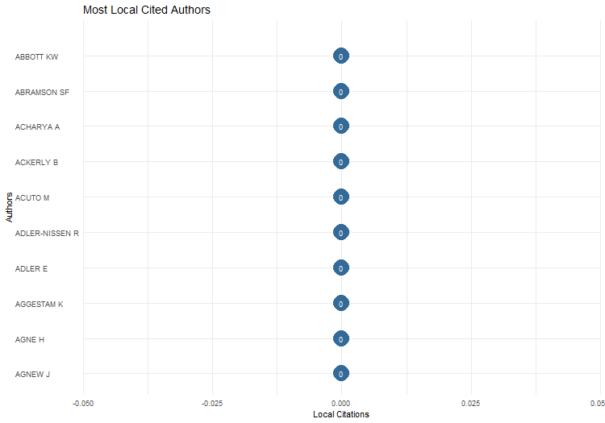
Author | LocalCitations
ABBOTT KW | 0
ABRAMSON SF | 0
ACHARYA A | 0
ACKERLY B | 0
ACUTO M | 0
ADLER-NISSEN R | 0
ADLER E | 0
AGGESTAM K | 0
AGNE H | 0
AGNEW J | 0
AHALL L | 0
AHARONI SB | 0
ALAGAPPA M | 0
ALBERT M | 0
ALDEN C | 0
ALDERSON K | 0
ALLEN SH | 0
ALLINSON JC | 0
AMOORE L | 0
ANAGNOSON JT | 0
ANDERL F | 0
ANDERSEN KE | 0
ANDERSEN MS | 0
ANDERSEN RS | 0
ANIEVAS A | 0
ARADAU C | 0
ARTS B | 0
ASAL V | 0
ASCIONE G | 0
ASHIZAWA K | 0
ASHMAN S | 0
ASHWORTH LM | 0
AUERSWALD DP | 0
AVANT D | 0
AVEY PC | 0
AYDIN A | 0
AYHAN KJ | 0
BADESCU CG | 0
BAGBY LMJ | 0
BAIN W | 0
BALZACQ T | 0
BANK A | 0
BARBE E | 0
BARBIERI K | 0
BARDER AD | 0
BARKAWI T | 0
BARKIN JS | 0
BARNETT M | 0
BARNETT MN | 0
BARTELSON J | 0
BAUER S | 0
BAUMANN R | 0
BAYER R | 0
BECK N | 0
BECKLEY M | 0
BEHR H | 0
BELL C | 0
BELL D | 0
BELL NJ | 0
BELLAMY AJ | 0
BENNETT A | 0
BENNETT DS | 0
BENSON M | 0
BERCOVITCH J | 0
BEREJIKIAN JD | 0
BERENSKOETTER F | 0
BERGER T | 0
BERGMAN A | 0
BERNAUER T | 0
BERNSTEIN S | 0
BETHKE F | 0
BHAMBRA GK | 0
BIELER A | 0
BIERMANN R | 0
BIERSTEKER TJ | 0
BIGO D | 0
BILGIN P | 0
BLANEY DL | 0
BLEIKER R | 0
BLOODGOOD EA | 0
BODE I | 0
BOETTCHER WA | 0
BOHMAN J | 0
BOOTH K | 0
BOSCHE M | 0
BOUSQUET A | 0
BOX-STEFFENSMEIER JM | 0
BOYER MA | 0
BRANCH J | 0
BRASSETT J | 0
BRAUMOELLER BF | 0
BREMBERG N | 0
BREMER SA | 0
BRENNER WL | 0
BRETHERTON C | 0
BREUNING M | 0
BRIGG M | 0
BROCK L | 0
BROOKS SG | 0
BROOME A | 0
BROSIG M | 0
BROWN C | 0
BROWN D | 0
BROWN JN | 0
BROWN S | 0
BROWN W | 0
BROWNING CS | 0
BUCHER B | 0
BUEGER C | 0
BUHARI-GULMEZ D | 0
BUNSKOEK R | 0
BURLEY AMS | 0
BUZAN B | 0
BUZAS ZI | 0
CALL CT | 0
CALLAHAN WA | 0
CALLINICOS A | 0
CAMPBELL D | 0
CANTIR C | 0
CAPORASO JA | 0
CAPRIOLI M | 0
CAREY S | 0
CARLSNAES W | 0
CARMENT D | 0
CARR A | 0
CARSON A | 0
CAUGHEY D | 0
CEDERMAN LE | 0
CERNY PG | 0
CETINYAN R | 0
CHA VD | 0
CHADEFAUX T | 0
CHAN S | 0
CHANDLER D | 0
CHANG YC | 0
CHARNYSH V | 0
CHAUDOIN S | 0
CHAYES A | 0
CHAYES AH | 0
CHECKEL JT | 0
CHEN CC | 0
CHERNOFF F | 0
CHIOZZA G | 0
CHOWDHRY G | 0
CHRISTENSEN D | 0
CHRISTIE R | 0
CHWASZCZA C | 0
CHWIEROTH JM | 0
CLAPHAM C | 0
CLAPTON W | 0
CLARK AM | 0
CLARK I | 0
CLARKE KA | 0
CLOWARD K | 0
CLUNAN AL | 0
COBB MD | 0
COCHRAN M | 0
COGGINS B | 0
COLD-RAVNKILDE SM | 0
COLEMAN KP | 0
COLGAN JD | 0
COLLARD-WEXLER S | 0
COLLINGWOOD V | 0
COMPAGNON D | 0
CONFORTINI CC | 0
CONNOLLY WE | 0
COOLEY A | 0
CORNUT J | 0
COTTRELL MP | 0
COUSENS EM | 0
COX M | 0
COZETTE M | 0
CRANMER SJ | 0
CRAWFORD NC | 0
CRAWFORD TW | 0
CRESCENZI MJC | 0
CRETE-NISHIHATA M | 0
CRIEKEMANS D | 0
CROFT S | 0
CRONIN B | 0
CROSS MKD | 0
CUDWORTH E | 0
CUNNINGHAM-CROSS L | 0
CURTIS S | 0
D'ORAZIO V | 0
DADDOW O | 0
DAFOE A | 0
DAI XY | 0
DANIEL JF | 0
DAPHNA-TEKOAH S | 0
DARBY P | 0
DAUPHINEE E | 0
DAVIDSON N | 0
DAVIES M | 0
DAVIS DR | 0
DE CARVALHO B | 0
DE GOEDE M | 0
DE GUEVARA BB | 0
DE MESQUITA BB | 0
DEATH C | 0
DECIANCIO M | 0
DEIBERT RJ | 0
DEL FELICE C | 0
DELEHANTY WK | 0
DENARDIS L | 0
DER DERIAN J | 0
DERDERIAN J | 0
DESCH MC | 0
DESMARAIS BA | 0
DESSLER D | 0
DESTRADI S | 0
DEUDNEY D | 0
DEUDNEY DH | 0
DEVETAK R | 0
DIEHL PE | 0
DIEHL PF | 0
DIEZ T | 0
DINGLI S | 0
DINGWERTH K | 0
DONNELLY J | 0
DOTY RL | 0
DOWNES AB | 0
DREZNER DW | 0
DUFFIELD JS | 0
DUNCOMBE C | 0
DUNN KC | 0
DUNNE T | 0
DUVALL R | 0
DYRSTAD K | 0
EAGLETON-PIERCE M | 0
ECKSTEIN A | 0
EDKINS J | 0
EDMUNDS T | 0
EFSTATHOPOULOS C | 0
EILSTRUP-SANGIOVANNI M | 0
ELBE S | 0
ELMAN C | 0
ELMAN MF | 0
ENGELKAMP S | 0
ENTERLINE AJ | 0
EPSTEIN C | 0
ERMAN E | 0
EVANS T | 0
FABRY M | 0
FALKNER R | 0
FARISS CJ | 0
FARRELL H | 0
FAWCETT L | 0
FAZAL TM | 0
FENG Z | 0
FIERKE KM | 0
FINDLEY MG | 0
FINNEMORE M | 0
FISCHER M | 0
FISCHERKELLER MP | 0
FLYNN G | 0
FOOT R | 0
FORDE S | 0
FORDHAM BO | 0
FORSBERG E | 0
FOSTER DM | 0
FOX J | 0
FRANKE U | 0
FRAVEL MT | 0
FRAZIER D | 0
FREEDMAN J | 0
FRIEDMAN EJ | 0
FRIEDMAN MP | 0
FRIEDRICHS J | 0
FUKUYAMA F | 0
GADDIS JL | 0
GADINGER F | 0
GALLAGHER ME | 0
GALLAROTTI GM | 0
GARCIA-RETAMERO R | 0
GARTNER SS | 0
GARTZKE E | 0
GAT A | 0
GATES S | 0
GAUBATZ KT | 0
GEIS A | 0
GENT SE | 0
GEORGE J | 0
GERMAIN RD | 0
GEUSS R | 0
GEYER R | 0
GHOSN F | 0
GIBBS DN | 0
GIBLER DM | 0
GIFKINS J | 0
GILL S | 0
GILLI A | 0
GILLI M | 0
GIRARDIN L | 0
GJORV GH | 0
GLAAB K | 0
GLASER C | 0
GLEDITSCH KS | 0
GLEDITSCH NP | 0
GOCHMAN C | 0
GODDARD SE | 0
GOEMANS HE | 0
GOENNER CF | 0
GOERTZ G | 0
GOFF PM | 0
GOH E | 0
GOLDSMITH BE | 0
GOLDSTEIN JS | 0
GOMEZ-MERA L | 0
GOREN P | 0
GOTZ E | 0
GOWA J | 0
GRAHAM ER | 0
GRAHAM SE | 0
GRAY J | 0
GRAYSON K | 0
GREEN DP | 0
GREENHILL B | 0
GREVE P | 0
GRIGORESCU A | 0
GUILHOT N | 0
GUILLAUME X | 0
GUNITSKY S | 0
GUSTAFSSON K | 0
GUTNER T | 0
GUZZINI S | 0
GVALIA G | 0
HAACKE J | 0
HAAS ML | 0
HAAS PM | 0
HABER SH | 0
HAFNER-BURTON EM | 0
HAFTEL YZ | 0
HAGEN JJ | 0
HAGMANN J | 0
HAGSTROM L | 0
HALL J | 0
HALL M | 0
HALL N | 0
HALL T | 0
HALL TH | 0
HALLIDAY F | 0
HAMATI-ATAYA I | 0
HAMEIRI S | 0
HANRIEDER T | 0
HANSEN HK | 0
HANSEN L | 0
HAREL-SHALEV A | 0
HARMAN S | 0
HARMES A | 0
HARRISON NE | 0
HARTIG F | 0
HAYES J | 0
HE K | 0
HEAD N | 0
HEATH A | 0
HEGRE H | 0
HELLMANN G | 0
HENDERSON EA | 0
HENDRIX CS | 0
HENNE PS | 0
HENSEL PR | 0
HERBORTH B | 0
HERMANN MG | 0
HERRMANN RK | 0
HERSCHINGER E | 0
HOBDEN S | 0
HOBSON C | 0
HOBSON JM | 0
HOCHSTETLER K | 0
HOFF PD | 0
HOFFERBERTH M | 0
HOFFMAN AM | 0
HOFFMANN MJ | 0
HOFIUS M | 0
HOLBRAAD M | 0
HOLMES M | 0
HOLSTI KJ | 0
HOLZSCHEITER A | 0
HOM AR | 0
HOOGENSEN G | 0
HOOIJMAAIJERS B | 0
HOPF T | 0
HORIUCHI Y | 0
HOROWITZ M | 0
HOROWITZ MC | 0
HOUGHTON DP | 0
HOWELL A | 0
HOWELL WG | 0
HU WX | 0
HUANG CC | 0
HUANG R | 0
HUDSON D | 0
HUDSON NF | 0
HUDSON VM | 0
HUELSS H | 0
HUGHES CW | 0
HUGHES L | 0
HUI VTB | 0
HURD ES | 0
HURD I | 0
HURRELL A | 0
HUTCHISON E | 0
HUTCHISON ML | 0
HUXLEY T | 0
HUYSMANS J | 0
HWANG YJ | 0
IASHVILI Z | 0
IIDA K | 0
IKENBERRY GJ | 0
INNES AJ | 0
INOGUCHI T | 0
IVANOVA M | 0
IZUMIKAWA Y | 0
JABRI V | 0
JACKSON PT | 0
JACKSON R | 0
JACKSON V | 0
JACOBSEN KL | 0
JAEGER HM | 0
JAHN B | 0
JAMES P | 0
JARVIS L | 0
JAYASURIYA K | 0
JEFFERY R | 0
JENTLESON BW | 0
JOENNIEMI P | 0
JOHANSSON-NOGUES E | 0
JOHNSON DDP | 0
JOHNSON T | 0
JOHNSTON AI | 0
JONES A | 0
JONES CA | 0
JONES DM | 0
JONES L | 0
JOSEPH J | 0
JOURDE C | 0
JUNG D | 0
JURKOVICH M | 0
KAARBO J | 0
KACZMARSKA K | 0
KACZMARSKI M | 0
KAHLER M | 0
KALBHENN A | 0
KANG D | 0
KANG DC | 0
KARLSRUD J | 0
KASSIMERIS C | 0
KASTNER SL | 0
KATZ JN | 0
KATZENSTEIN PJ | 0
KAUFMAN AA | 0
KAUFMAN SJ | 0
KAUFMANN CD | 0
KAVALSKI E | 0
KAYAOGLU T | 0
KEATING VC | 0
KEENE E | 0
KELLER JW | 0
KELLEY J | 0
KELLY RE | 0
KENNEDY AB | 0
KENNEDY DM | 0
KENNY M | 0
KENWICK M | 0
KEOHANE RO | 0
KERTZER JD | 0
KESHK OMG | 0
KESSLER O | 0
KEUKELEIRE S | 0
KEYMAN EF | 0
KHONG YF | 0
KIM HJ | 0
KIM SY | 0
KING C | 0
KING G | 0
KINNVALL C | 0
KIRBY P | 0
KIRSHNER J | 0
KITCHEN N | 0
KLEIN JP | 0
KLINGLER-VIDRA R | 0
KLOTZ A | 0
KNAFO S | 0
KNOPF JW | 0
KODDENBROCK KJ | 0
KOENIG-ARCHIBUGI M | 0
KOGA J | 0
KOGA K | 0
KORNPROBST M | 0
KOROLEV A | 0
KOSCHUT S | 0
KOUBI V | 0
KOWERT PA | 0
KRASNER SD | 0
KRATOCHWIL F | 0
KRAUSS ES | 0
KREBS RR | 0
KRICKEL-CHOI NC | 0
KRISHNA S | 0
KRISTENSEN PM | 0
KROLIKOWSKI A | 0
KRONSELL A | 0
KROOK ML | 0
KRUCK A | 0
KUERBIS B | 0
KUGLER J | 0
KUHN FP | 0
KUPERMAN RD | 0
KURKI M | 0
KUSTERMANS J | 0
KUUS M | 0
LACHER H | 0
LAFFEY M | 0
LAKE DA | 0
LALL R | 0
LANE M | 0
LANGLEY P | 0
LAWLER P | 0
LAWSON G | 0
LAWSON S | 0
LAYNE C | 0
LE PRESTRE P | 0
LEANDER A | 0
LEBANIDZE B | 0
LEBOVIC JH | 0
LEBOW RN | 0
LECOCQ S | 0
LEE JJ | 0
LEE MM | 0
LEEDS BA | 0
LEIRA H | 0
LEKTZIAN D | 0
LEMKE D | 0
LEONARD S | 0
LEVI AS | 0
LEVINE DJ | 0
LEVITT BS | 0
LEVY JS | 0
LEWIS D | 0
LI Q | 0
LIE JHS | 0
LIEBER KA | 0
LIFF AP | 0
LIM DJ | 0
LINDEMANN T | 0
LINDSAY JR | 0
LING LHM | 0
LINKLATER A | 0
LIPSCY PY | 0
LISLE D | 0
LISTER M | 0
LITTLE R | 0
LLOYD P | 0
LONDON TR | 0
LONG AG | 0
LONG D | 0
LONG T | 0
LORIAUX M | 0
LOUAFI S | 0
LOWE W | 0
LOWENHEIM O | 0
LUNDBORG T | 0
LUOMA-AHO M | 0
LUPOVICI A | 0
LUPU Y | 0
LYNCH M | 0
MAASS M | 0
MAC GINTY R | 0
MACDONALD PK | 0
MACLEAN SJ | 0
MAIER H | 0
MALESEVIC S | 0
MALINIAK D | 0
MALKSOO M | 0
MALONE C | 0
MANSFIELD ED | 0
MAOZ Z | 0
MARCH JG | 0
MARCUM AS | 0
MARTIN-MAZE M | 0
MARTINDALE L | 0
MATIN K | 0
MATTERN JB | 0
MATTES M | 0
MAULL HW | 0
MAVELLI L | 0
MAWDSLEY J | 0
MAYER M | 0
MAZUR G | 0
MCCONAUGHEY M | 0
MCCORMACK T | 0
MCCOURT DM | 0
MCDERMOTT R | 0
MCDONALD M | 0
MCEVOY S | 0
MCGRAW KM | 0
MCINTOSH C | 0
MCKEOWN R | 0
MCNAMARA KR | 0
MEARSHEIMER JJ | 0
MEGER S | 0
MELISSEN J | 0
MELLO PA | 0
MENDELSOHN B | 0
MENNINGA EJ | 0
MERAND F | 0
MERCER J | 0
METHMANN CP | 0
MICHEL T | 0
MILNER HV | 0
MIN B | 0
MINHAS S | 0
MINTROM M | 0
MINTZ A | 0
MITCHELL SM | 0
MITZEN J | 0
MONTEIRO NP | 0
MONTGOMERY AH | 0
MORALES MN | 0
MORAVCSIK A | 0
MORIN JF | 0
MORTON AD | 0
MOSHIRZADEH H | 0
MOST BA | 0
MUELLER M | 0
MUHLEN-SCHULTE A | 0
MULLIGAN SP | 0
MURDIE A | 0
MURPHY CN | 0
MURRAY M | 0
MURRAY S | 0
MUSGRAVE P | 0
NADARAJAH S | 0
NAIR D | 0
NAKAMURA M | 0
NAKANO R | 0
NARANG N | 0
NARINE S | 0
NARIZNY K | 0
NAYAK MV | 0
NESADURAI H | 0
NEUFELD M | 0
NEUMANN IB | 0
NEUMAYER E | 0
NEWMAN AL | 0
NEXON D | 0
NEXON DH | 0
NIELSEN RT | 0
NIELSON DL | 0
NIEMANN A | 0
NINCIC M | 0
NISANCIOGLU K | 0
NISCHALKE T | 0
NOGUEIRA JP | 0
NOLTE D | 0
NORDHAUS W | 0
NORDIN AHM | 0
O'ROURKE LA | 0
O TUATHAIL G | 0
OAKES A | 0
ODELL JS | 0
OLSEN JP | 0
ONEAL JR | 0
ONUF N | 0
OREN I | 0
ORSINI A | 0
OSIANDER A | 0
OUBENAL M | 0
OVERBEEK H | 0
OWEN JM | 0
OWENS P | 0
OZKECECI-TANER B | 0
PABST A | 0
PAHRE R | 0
PALAN R | 0
PALMER G | 0
PANG X | 0
PANKE D | 0
PAOLINI AJ | 0
PAPE RA | 0
PARADIS M | 0
PARASHAR S | 0
PARTEM MG | 0
PATIENCE A | 0
PATOMAKI H | 0
PATTBERG P | 0
PAUL DE | 0
PEARSON E | 0
PEDERSEN MA | 0
PEGRAM T | 0
PERSAUD RB | 0
PETERSEN KL | 0
PETERSOHN U | 0
PETERSON S | 0
PETERSON VS | 0
PETITO F | 0
PEVEHOUSE JC | 0
PEVEHOUSE JCW | 0
PHILLIPS N | 0
PHILPOTT D | 0
PLAGEMANN J | 0
PLUMPER T | 0
POLACHEK S | 0
POLLINS BM | 0
PORTER T | 0
POSEN BR | 0
POULIOT V | 0
POWELL R | 0
POWERS K | 0
POWERS KL | 0
POWERS R | 0
PRANTL J | 0
PRATT SF | 0
PREMACK L | 0
PRICE R | 0
PROZOROV S | 0
PU XY | 0
QIN YQ | 0
QUACKENBUSH SL | 0
QUEK K | 0
QUINN D | 0
QUIRK J | 0
RALPH J | 0
RAMPTON D | 0
RAMSAY KW | 0
RAPPORT A | 0
RATHBUN BC | 0
RATNER E | 0
RAVECCA P | 0
RAVENHILL J | 0
RAYMOND M | 0
REDD SB | 0
REED W | 0
REGAN PM | 0
REIFLER J | 0
REITER D | 0
RENSHON J | 0
REUS-SMIT C | 0
REUVENY R | 0
RICHMOND OP | 0
RICHMOND OR | 0
RICHTER-MONTPETIT M | 0
RIDER TJ | 0
RIEKER P | 0
RINGMAR E | 0
RISSE T | 0
RITTER JM | 0
ROBERTSON J | 0
ROBINSON F | 0
ROBINSON N | 0
ROBST J | 0
ROE P | 0
ROHOZINSKI R | 0
ROOHI S | 0
ROSAMOND AB | 0
ROSENBERG J | 0
ROSHCHIN E | 0
ROSS AAG | 0
ROSSDALE C | 0
ROUSSEAU DL | 0
RUBY KG | 0
RUDY M | 0
RUGGIE JG | 0
RUMELILI B | 0
RUSSETT B | 0
RUSSETT BM | 0
RUZICKA J | 0
RYTOVUORI-APUNEN H | 0
SABARATNAM M | 0
SAIDEMAN SM | 0
SAJED A | 0
SALEHYAN I | 0
SAN-AKCA B | 0
SANDAL NA | 0
SASLEY BE | 0
SAUNDERS EN | 0
SCHAFER P | 0
SCHIMMELFENNIG F | 0
SCHINDLER S | 0
SCHLEIFER P | 0
SCHMIDT A | 0
SCHMIDT BC | 0
SCHMIDT S | 0
SCHNAKENBERG KE | 0
SCHNEIDER G | 0
SCHOUENBORG L | 0
SCHROEDER PW | 0
SCHULTZ KA | 0
SCHUSTER J | 0
SCHWELLER RL | 0
SCOTTO TJ | 0
SECHSER TS | 0
SENDING OJ | 0
SENESE PD | 0
SETH S | 0
SEYMOUR LJM | 0
SHAHI D | 0
SHAMBAUGH D | 0
SHANI G | 0
SHANNON M | 0
SHARMAN JC | 0
SHARP P | 0
SHAW K | 0
SHAW M | 0
SHEIKH MK | 0
SHEPHERD A | 0
SHEPHERD LJ | 0
SHIFRINSON JRI | 0
SHIH CY | 0
SHILLIAM R | 0
SHIMIZU K | 0
SHINKO RE | 0
SHULMAN S | 0
SIGNORINO CS | 0
SIKKINK K | 0
SIL R | 0
SIMMONS BA | 0
SIMON SW | 0
SIROKY D | 0
SJOBERG L | 0
SJOSTEDT R | 0
SLANTCHEV BL | 0
SLAPIN JB | 0
SMARICK K | 0
SMIRL L | 0
SMITH GM | 0
SMITH M | 0
SMITH ME | 0
SMITH MLR | 0
SMITH RK | 0
SMITH S | 0
SNIDAL D | 0
SOLOMON T | 0
SOREANU R | 0
SORENSEN G | 0
SOUVA M | 0
SPILKER G | 0
STAM AC | 0
STANLEY L | 0
STARR H | 0
STAVRIANAKIS A | 0
STEANS J | 0
STEELE BJ | 0
STEIN JG | 0
STEIN R | 0
STERN M | 0
STETTER S | 0
STEWART-INGERSOLL R | 0
STEWART BM | 0
STINNETT DM | 0
STOKES D | 0
STONE RW | 0
STRANGE S | 0
STRITZEL H | 0
STUBBS R | 0
STUVOY K | 0
SUBOTIC J | 0
SUGANAMI H | 0
SUZUKI S | 0
SYLVESTER C | 0
TALMADGE C | 0
TALMUD I | 0
TAMM H | 0
TANG SP | 0
TANNAKA S | 0
TANSEL CB | 0
TAYLOR L | 0
TERRIS L | 0
TESCHKE B | 0
TESSLER M | 0
TESSMAN B | 0
TETI A | 0
THEISEN OM | 0
THIES CG | 0
THOMAS C | 0
THOMAS GD | 0
THOMAS SM | 0
THOMPSON A | 0
THOMPSON D | 0
THOMPSON WR | 0
THOMSON JE | 0
THYNE CL | 0
TICKNER A | 0
TICKNER AB | 0
TICKNER JA | 0
TIERNEY D | 0
TIERNEY MJ | 0
TINGLEY D | 0
TINGLEY DH | 0
TIR J | 0
TOFT MD | 0
TOJE A | 0
TOMZ M | 0
TONNESSON S | 0
TRAAG VA | 0
TROMBETTA MJ | 0
TRUE J | 0
TRUMBORE PF | 0
TSINOVOI A | 0
TSYGANKOV AP | 0
TSYGANKOV PA | 0
TUCKER K | 0
TUCKER R | 0
TURNER S | 0
TYFIELD D | 0
UNDERHILL GRD | 0
VAITTINEN T | 0
VALBJORN M | 0
VAN DE GRAAF T | 0
VAN KERSBERGEN K | 0
VASILAKI R | 0
VASQUEZ JA | 0
VASTAPUU L | 0
VAUGHAN-WILLIAMS N | 0
VAYRYNEN R | 0
VEDLITZ A | 0
VERBEEK B | 0
VICKERS B | 0
VIEIRA MA | 0
VIGNESWARAN D | 0
VITALIS R | 0
VRASTI W | 0
VUCETIC S | 0
VUORI JA | 0
WAEVER O | 0
WAGNER W | 0
WALKER RBJ | 0
WALKER SG | 0
WALKER TC | 0
WALT SM | 0
WALTER BF | 0
WALTERS W | 0
WARD MD | 0
WARD S | 0
WARD SM | 0
WARNER CM | 0
WARREN TC | 0
WARRINER I | 0
WATSON AMS | 0
WEBER C | 0
WEBER R | 0
WEBER S | 0
WEEKS JL | 0
WEEKS JLP | 0
WEISBAND E | 0
WEISS TG | 0
WELCH DA | 0
WELDES J | 0
WEMHEUER-VOGELAAR W | 0
WENDT A | 0
WENDT AE | 0
WHEELER NJ | 0
WHITE B | 0
WHITMAN R | 0
WHITMAN RG | 0
WHYTE G | 0
WIBBEN ATR | 0
WIDERBERG O | 0
WIENER A | 0
WIGEN E | 0
WIGHT C | 0
WILKENFELD J | 0
WILKINS TS | 0
WILKINSON C | 0
WILKINSON R | 0
WILLE DL | 0
WILLE T | 0
WILLIAMS E | 0
WILLIAMS MC | 0
WILLIAMS MJ | 0
WILSON P | 0
WIMMER A | 0
WINSTON C | 0
WISEMAN G | 0
WITT A | 0
WOHLFORTH WC | 0
WOJCZEWSKI T | 0
WOLF R | 0
WOLFE W | 0
WOLFF J | 0
WONG SS | 0
WONG WH | 0
WOOD S | 0
WOODS N | 0
WORTH O | 0
WUCHERPFENNIG J | 0
WURM I | 0
YARHI-MILO K | 0
YOON DH | 0
YOUNGS G | 0
YURDUSEV AN | 0
ZALEWSKI M | 0
ZANOTTI L | 0
ZARAKOL A | 0
ZEHFUSS M | 0
ZENG LC | 0
ZHANG F | 0
ZHANG X | 0
ZHANG YJ | 0
ZHUKOV YM | 0
ZORN C | 0

AuthorProdOverTime
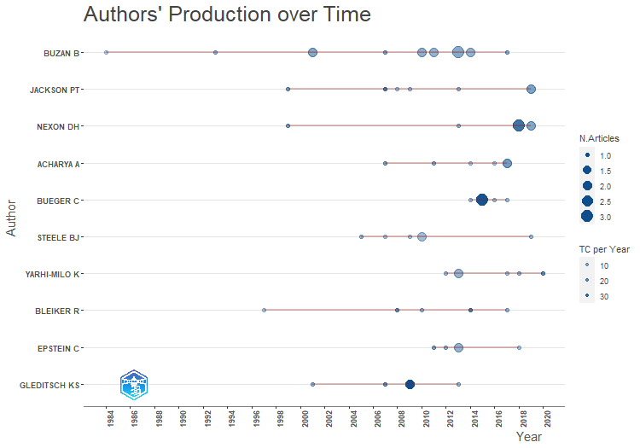
Author | year | TI | SO | DOI | TC | TCpY
BUZAN B | 2017 | WHY IS THERE NO NON-WESTERN INTERNATIONAL RELATIONS THEORY? TEN YEARS ON | INTERNATIONAL RELATIONS OF THE ASIA-PACIFIC | 10.1093/irap/lcx006 | 78 | 11.142857143
BUZAN B | 2014 | THE 'STANDARD OF CIVILISATION' AS AN ENGLISH SCHOOL CONCEPT | MILLENNIUM-JOURNAL OF INTERNATIONAL STUDIES | 10.1177/0305829814528265 | 42 | 4.2
BUZAN B | 2014 | RETHINKING BENCHMARK DATES IN INTERNATIONAL RELATIONS | EUROPEAN JOURNAL OF INTERNATIONAL RELATIONS | 10.1177/1354066112454553 | 37 | 3.7
BUZAN B | 2013 | THE GLOBAL TRANSFORMATION: THE NINETEENTH CENTURY AND THE MAKING OF MODERN INTERNATIONAL RELATIONS | INTERNATIONAL STUDIES QUARTERLY | 10.1111/isqu.12011 | 58 | 5.2727272727
BUZAN B | 2013 | CHINA AND THE US: COMPARABLE CASES OF 'PEACEFUL RISE'? | CHINESE JOURNAL OF INTERNATIONAL POLITICS | 10.1093/cjip/pot003 | 37 | 3.3636363636
BUZAN B | 2013 | INTERNATIONAL RELATIONS THEORY AND THE "SOCIAL WHOLE": ENCOUNTERS AND GAPS BETWEEN IR AND SOCIOLOGY | INTERNATIONAL POLITICAL SOCIOLOGY | 10.1111/ips.12013 | 26 | 2.3636363636
BUZAN B | 2011 | THE INAUGURAL KENNETH N. WALTZ ANNUAL LECTURE A WORLD ORDER WITHOUT SUPERPOWERS: DECENTRED GLOBALISM | INTERNATIONAL RELATIONS | 10.1177/0047117810396999 | 61 | 4.6923076923
BUZAN B | 2011 | SECURITIZATION, SECTORS AND FUNCTIONAL DIFFERENTIATION | SECURITY DIALOGUE | 10.1177/0967010611418710 | 41 | 3.1538461538
BUZAN B | 2010 | DIFFERENTIATION: A SOCIOLOGICAL APPROACH TO INTERNATIONAL RELATIONS THEORY | EUROPEAN JOURNAL OF INTERNATIONAL RELATIONS | 10.1177/1354066109350064 | 92 | 6.5714285714
BUZAN B | 2010 | AMERICA IN SPACE: THE INTERNATIONAL RELATIONS OF STAR TREK AND BATTLESTAR GALACTICA | MILLENNIUM-JOURNAL OF INTERNATIONAL STUDIES | 10.1177/0305829810371016 | 33 | 2.3571428571
BUZAN B | 2007 | WHY IS THERE NO NON-WESTERN INTERNATIONAL RELATIONS THEORY? AN INTRODUCTION | INTERNATIONAL RELATIONS OF THE ASIA-PACIFIC | 10.1093/irap/lcm012 | 211 | 12.411764706
BUZAN B | 2001 | WHY INTERNATIONAL RELATIONS HAS FAILED AS AN INTELLECTUAL PROJECT AND WHAT TO DO ABOUT IT | MILLENNIUM-JOURNAL OF INTERNATIONAL STUDIES | 10.1177/03058298010300010401 | 131 | 5.6956521739
BUZAN B | 2001 | THE ENGLISH SCHOOL: AN UNDEREXPLOITED RESOURCE IN IR | REVIEW OF INTERNATIONAL STUDIES |  | 129 | 5.6086956522
BUZAN B | 1993 | FROM INTERNATIONAL SYSTEM TO INTERNATIONAL SOCIETY - STRUCTURAL REALISM AND REGIME THEORY MEET THE ENGLISH SCHOOL | INTERNATIONAL ORGANIZATION | 10.1017/S0020818300027983 | 244 | 7.8709677419
BUZAN B | 1984 | PEACE, POWER, AND SECURITY - CONTENDING CONCEPTS IN THE STUDY OF INTERNATIONAL-RELATIONS | JOURNAL OF PEACE RESEARCH | 10.1177/002234338402100203 | 38 | 0.95
JACKSON PT | 2019 | TOWARDS GLOBAL RELATIONAL THEORIZING: A DIALOGUE BETWEEN SINOPHONE AND ANGLOPHONE SCHOLARSHIP ON RELATIONALISM | CAMBRIDGE REVIEW OF INTERNATIONAL AFFAIRS | 10.1080/09557571.2019.1643978 | 35 | 7
JACKSON PT | 2019 | RECLAIMING THE SOCIAL: RELATIONALISM IN ANGLOPHONE INTERNATIONAL STUDIES | CAMBRIDGE REVIEW OF INTERNATIONAL AFFAIRS | 10.1080/09557571.2019.1567460 | 30 | 6
NEXON DH | 2019 | RECLAIMING THE SOCIAL: RELATIONALISM IN ANGLOPHONE INTERNATIONAL STUDIES | CAMBRIDGE REVIEW OF INTERNATIONAL AFFAIRS | 10.1080/09557571.2019.1567460 | 30 | 6
NEXON DH | 2019 | REPERTOIRES OF STATECRAFT: INSTRUMENTS AND LOGICS OF POWER POLITICS | INTERNATIONAL RELATIONS | 10.1177/0047117819834625 | 28 | 5.6
NEXON DH | 2018 | DEFENDING HIERARCHY FROM THE MOON TO THE INDIAN OCEAN: SYMBOLIC CAPITAL AND POLITICAL DOMINANCE IN EARLY MODERN CHINA AND THE COLD WAR | INTERNATIONAL ORGANIZATION | 10.1017/S0020818318000139 | 60 | 10
NEXON DH | 2018 | HEGEMONIC-ORDER THEORY: A FIELD-THEORETIC ACCOUNT | EUROPEAN JOURNAL OF INTERNATIONAL RELATIONS | 10.1177/1354066117716524 | 52 | 8.6666666667
NEXON DH | 2018 | BEYOND ANARCHY: LOGICS OF POLITICAL ORGANIZATION, HIERARCHY, AND INTERNATIONAL STRUCTURE | INTERNATIONAL THEORY | 10.1017/S1752971918000040 | 52 | 8.6666666667
JACKSON PT | 2013 | INTERNATIONAL THEORY IN A POST-PARADIGMATIC ERA: FROM SUBSTANTIVE WAGERS TO SCIENTIFIC ONTOLOGIES | EUROPEAN JOURNAL OF INTERNATIONAL RELATIONS | 10.1177/1354066113495482 | 81 | 7.3636363636
NEXON DH | 2013 | INTERNATIONAL THEORY IN A POST-PARADIGMATIC ERA: FROM SUBSTANTIVE WAGERS TO SCIENTIFIC ONTOLOGIES | EUROPEAN JOURNAL OF INTERNATIONAL RELATIONS | 10.1177/1354066113495482 | 81 | 7.3636363636
JACKSON PT | 2009 | BELIEFS AS RULES FOR ACTION: PRAGMATISM AS A THEORY OF THOUGHT AND ACTION | INTERNATIONAL STUDIES REVIEW | 10.1111/j.1468-2486.2009.00889.x | 79 | 5.2666666667
JACKSON PT | 2008 | FOREGROUNDING ONTOLOGY: DUALISM, MONISM, AND IR THEORY | REVIEW OF INTERNATIONAL STUDIES | 10.1017/S0260210508007948 | 64 | 4
JACKSON PT | 2007 | TWISTING TONGUES AND TWISTING ARMS: THE POWER OF POLITICAL RHETORIC | EUROPEAN JOURNAL OF INTERNATIONAL RELATIONS | 10.1177/1354066107074284 | 396 | 23.294117647
JACKSON PT | 1999 | RELATIONS BEFORE STATES: SUBSTANCE, PROCESS AND THE STUDY OF WORLD POLITICS | EUROPEAN JOURNAL OF INTERNATIONAL RELATIONS | 10.1177/1354066199005003002 | 350 | 14
NEXON DH | 1999 | RELATIONS BEFORE STATES: SUBSTANCE, PROCESS AND THE STUDY OF WORLD POLITICS | EUROPEAN JOURNAL OF INTERNATIONAL RELATIONS | 10.1177/1354066199005003002 | 350 | 14
YARHI-MILO K | 2020 | PUBLIC OPINION AND DECISIONS ABOUT MILITARY FORCE IN DEMOCRACIES | INTERNATIONAL ORGANIZATION | 10.1017/S0020818319000341 | 82 | 20.5
STEELE BJ | 2019 | WELCOME HOME! ROUTINES, ONTOLOGICAL INSECURITY AND THE POLITICS OF US MILITARY REUNION VIDEOS | CAMBRIDGE REVIEW OF INTERNATIONAL AFFAIRS | 10.1080/09557571.2018.1564899 | 31 | 6.2
YARHI-MILO K | 2018 | TYING HANDS, SINKING COSTS, AND LEADER ATTRIBUTES | JOURNAL OF CONFLICT RESOLUTION | 10.1177/0022002718785693 | 46 | 7.6666666667
ACHARYA A | 2017 | WHY IS THERE NO NON-WESTERN INTERNATIONAL RELATIONS THEORY? TEN YEARS ON | INTERNATIONAL RELATIONS OF THE ASIA-PACIFIC | 10.1093/irap/lcx006 | 78 | 11.142857143
BUEGER C | 2017 | BEYOND SEABLINDNESS: A NEW AGENDA FOR MARITIME SECURITY STUDIES | INTERNATIONAL AFFAIRS | 10.1093/ia/iix174 | 40 | 5.7142857143
YARHI-MILO K | 2017 | THE PSYCHOLOGICAL LOGIC OF PEACE SUMMITS: HOW EMPATHY SHAPES OUTCOMES OF DIPLOMATIC NEGOTIATIONS | INTERNATIONAL STUDIES QUARTERLY | 10.1093/isq/sqw034 | 34 | 4.8571428571
ACHARYA A | 2017 | "THEORISING THE INTERNATIONAL RELATIONS OF ASIA: NECESSITY OR INDULGENCE?' SOME REFLECTIONS | PACIFIC REVIEW | 10.1080/09512748.2017.1318163 | 27 | 3.8571428571
BUEGER C | 2016 | DOING EUROPE: AGENCY AND THE EUROPEAN UNION IN THE FIELD OF COUNTER-PIRACY PRACTICE | EUROPEAN SECURITY | 10.1080/09662839.2016.1236020 | 33 | 4.125
ACHARYA A | 2016 | STUDYING THE BANDUNG CONFERENCE FROM A GLOBAL IR PERSPECTIVE | AUSTRALIAN JOURNAL OF INTERNATIONAL AFFAIRS | 10.1080/10357718.2016.1168359 | 26 | 3.25
BUEGER C | 2015 | THE PLAY OF INTERNATIONAL PRACTICE | INTERNATIONAL STUDIES QUARTERLY | 10.1111/isqu.12202 | 150 | 16.666666667
BUEGER C | 2015 | WHAT IS MARITIME SECURITY? | MARINE POLICY | 10.1016/j.marpol.2014.12.005 | 96 | 10.666666667
BUEGER C | 2015 | MAKING THINGS KNOWN: EPISTEMIC PRACTICES, THE UNITED NATIONS, AND THE TRANSLATION OF PIRACY | INTERNATIONAL POLITICAL SOCIOLOGY | 10.1111/ips.12073 | 85 | 9.4444444444
BUEGER C | 2014 | ACTOR-NETWORKING THE 'FAILED STATE' - AN ENQUIRY INTO THE LIFE OF CONCEPTS | JOURNAL OF INTERNATIONAL RELATIONS AND DEVELOPMENT | 10.1057/jird.2012.30 | 47 | 4.7
ACHARYA A | 2014 | WHO ARE THE NORM MAKERS? THE ASIAN-AFRICAN CONFERENCE IN BANDUNG AND THE EVOLUTION OF NORMS | GLOBAL GOVERNANCE | 10.1163/19426720-02003006 | 36 | 3.6
YARHI-MILO K | 2013 | TYING HANDS BEHIND CLOSED DOORS: THE LOGIC AND PRACTICE OF SECRET REASSURANCE | SECURITY STUDIES | 10.1080/09636412.2013.816126 | 45 | 4.0909090909
YARHI-MILO K | 2013 | IN THE EYE OF THE BEHOLDER HOW LEADERS AND INTELLIGENCE COMMUNITIES ASSESS THE INTENTIONS OF ADVERSARIES | INTERNATIONAL SECURITY | 10.1162/ISEC_a_00128 | 40 | 3.6363636364
YARHI-MILO K | 2012 | THE PERSONAL TOUCH: LEADERS' IMPRESSIONS, COSTLY SIGNALING, AND ASSESSMENTS OF SINCERITY IN INTERNATIONAL AFFAIRS | INTERNATIONAL STUDIES QUARTERLY | 10.1111/j.1468-2478.2012.00731.x | 71 | 5.9166666667
ACHARYA A | 2011 | DIALOGUE AND DISCOVERY: IN SEARCH OF INTERNATIONAL RELATIONS THEORIES BEYOND THE WEST | MILLENNIUM-JOURNAL OF INTERNATIONAL STUDIES | 10.1177/0305829811406574 | 134 | 10.307692308
STEELE BJ | 2010 | OPEN HORIZONS: THE TEMPORAL VISIONS OF REFLEXIVE REALISM | INTERNATIONAL STUDIES REVIEW | 10.1111/j.1468-2486.2010.00931.x | 42 | 3
STEELE BJ | 2010 | OF 'WITCH'S BREWS' AND SCHOLARLY COMMUNITIES: THE DANGERS AND PROMISE OF ACADEMIC PARRHESIA | CAMBRIDGE REVIEW OF INTERNATIONAL AFFAIRS | 10.1080/09557570903548170 | 25 | 1.7857142857
STEELE BJ | 2009 | ENGAGING THE NARRATIVE IN ONTOLOGICAL (IN)SECURITY THEORY: INSIGHTS FROM FEMINIST IR | CAMBRIDGE REVIEW OF INTERNATIONAL AFFAIRS | 10.1080/09557570903104024 | 50 | 3.3333333333
ACHARYA A | 2007 | WHY IS THERE NO NON-WESTERN INTERNATIONAL RELATIONS THEORY? AN INTRODUCTION | INTERNATIONAL RELATIONS OF THE ASIA-PACIFIC | 10.1093/irap/lcm012 | 211 | 12.411764706
STEELE BJ | 2007 | 'EAVESDROPPING ON HONORED GHOSTS': FROM CLASSICAL TO REFLEXIVE REALISM | JOURNAL OF INTERNATIONAL RELATIONS AND DEVELOPMENT | 10.1057/palgrave.jird.1800130 | 50 | 2.9411764706
STEELE BJ | 2005 | ONTOLOGICAL SECURITY AND THE POWER OF SELF-IDENTITY: BRITISH NEUTRALITY AND THE AMERICAN CIVIL WAR | REVIEW OF INTERNATIONAL STUDIES | 10.1017/S0260210505006613 | 147 | 7.7368421053
EPSTEIN C | 2018 | FRUSTRATED SOVEREIGNS: THE AGENCY THAT MAKES THE WORLD GO AROUND | REVIEW OF INTERNATIONAL STUDIES | 10.1017/S0260210518000402 | 24 | 4
BLEIKER R | 2017 | DISCOURSE AND EMOTIONS IN INTERNATIONAL RELATIONS | INTERNATIONAL STUDIES REVIEW | 10.1093/isr/vix033 | 56 | 8
BLEIKER R | 2014 | THEORIZING EMOTIONS IN WORLD POLITICS | INTERNATIONAL THEORY | 10.1017/S1752971914000232 | 227 | 22.7
GLEDITSCH KS | 2013 | TRANSBORDER ETHNIC KIN AND CIVIL WAR | INTERNATIONAL ORGANIZATION | 10.1017/S0020818313000064 | 89 | 8.0909090909
EPSTEIN C | 2013 | CONSTRUCTIVISM OR THE ETERNAL RETURN OF UNIVERSALS IN INTERNATIONAL RELATIONS. WHY RETURNING TO LANGUAGE IS VITAL TO PROLONGING THE OWL'S FLIGHT | EUROPEAN JOURNAL OF INTERNATIONAL RELATIONS | 10.1177/1354066113494669 | 49 | 4.4545454545
EPSTEIN C | 2013 | THEORIZING AGENCY IN HOBBES'S WAKE: THE RATIONAL ACTOR, THE SELF, OR THE SPEAKING SUBJECT? | INTERNATIONAL ORGANIZATION | 10.1017/S0020818313000039 | 39 | 3.5454545455
EPSTEIN C | 2012 | STOP TELLING US HOW TO BEHAVE: SOCIALIZATION OR INFANTILIZATION? | INTERNATIONAL STUDIES PERSPECTIVES | 10.1111/j.1528-3585.2012.00458.x | 97 | 8.0833333333
EPSTEIN C | 2011 | WHO SPEAKS? DISCOURSE, THE SUBJECT AND THE STUDY OF IDENTITY IN INTERNATIONAL POLITICS | EUROPEAN JOURNAL OF INTERNATIONAL RELATIONS | 10.1177/1354066109350055 | 162 | 12.461538462
BLEIKER R | 2010 | AUTOETHNOGRAPHIC INTERNATIONAL RELATIONS: EXPLORING THE SELF AS A SOURCE OF KNOWLEDGE | REVIEW OF INTERNATIONAL STUDIES | 10.1017/S0260210510000689 | 105 | 7.5
GLEDITSCH KS | 2009 | INTRODUCING ARCHIGOS: A DATASET OF POLITICAL LEADERS | JOURNAL OF PEACE RESEARCH | 10.1177/0022343308100719 | 457 | 30.466666667
GLEDITSCH KS | 2009 | ETHNONATIONALIST TRIADS ASSESSING THE INFLUENCE OF KIN GROUPS ON CIVIL WARS | WORLD POLITICS | 10.1017/S0043887109000148 | 118 | 7.8666666667
BLEIKER R | 2008 | FEAR NO MORE: EMOTIONS AND WORLD POLITICS | REVIEW OF INTERNATIONAL STUDIES | 10.1017/S0260210508007821 | 295 | 18.4375
GLEDITSCH KS | 2007 | TRANSNATIONAL DIMENSIONS OF CIVIL WAR | JOURNAL OF PEACE RESEARCH | 10.1177/0022343307076637 | 310 | 18.235294118
GLEDITSCH KS | 2001 | MEASURING SPACE: A MINIMUM-DISTANCE DATABASE AND APPLICATIONS TO INTERNATIONAL STUDIES | JOURNAL OF PEACE RESEARCH | 10.1177/0022343301038006006 | 207 | 9
BLEIKER R | 1997 | FORGET IR THEORY | ALTERNATIVES-SOCIAL TRANSFORMATION AND HUMANE GOVERNANCE | 10.1177/030437549702200103 | 53 | 1.962962963

LotkaLaw
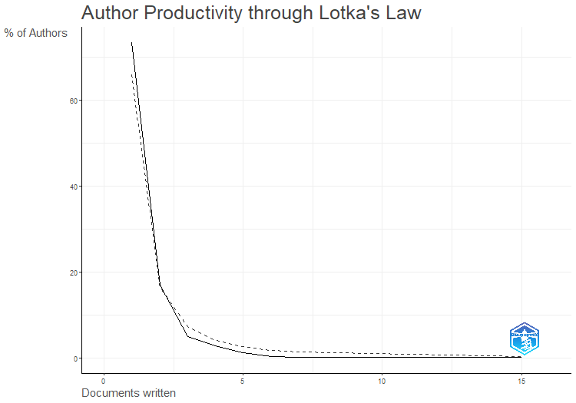
N.Articles | N.Authors | Freq
1 | 735 | 0.73353293413
2 | 169 | 0.16866267465
3 | 50 | 0.049900199601
4 | 29 | 0.028942115768
5 | 12 | 0.011976047904
6 | 4 | 0.0039920159681
7 | 2 | 0.001996007984
15 | 1 | 0.00099800399202

AuthorLocImpact
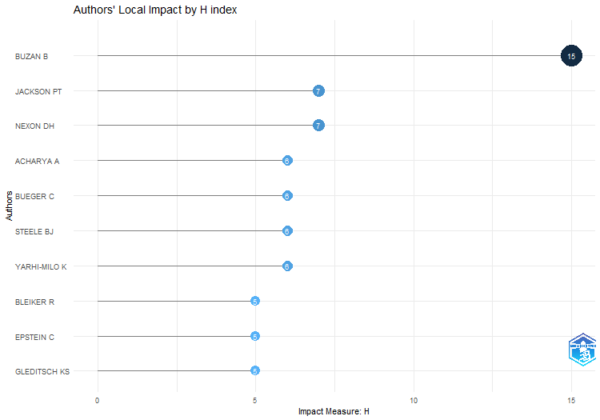
Element | h_index | g_index | m_index | TC | NP | PY_start
BUZAN B | 15 | 15 | 0.375 | 1258 | 15 | 1984
JACKSON PT | 7 | 7 | 0.28 | 1035 | 7 | 1999
NEXON DH | 7 | 7 | 0.28 | 653 | 7 | 1999
ACHARYA A | 6 | 6 | 0.35294117647 | 512 | 6 | 2007
BUEGER C | 6 | 6 | 0.6 | 451 | 6 | 2014
STEELE BJ | 6 | 6 | 0.31578947368 | 345 | 6 | 2005
YARHI-MILO K | 6 | 6 | 0.5 | 318 | 6 | 2012
BLEIKER R | 5 | 5 | 0.18518518519 | 736 | 5 | 1997
EPSTEIN C | 5 | 5 | 0.38461538462 | 371 | 5 | 2011
GLEDITSCH KS | 5 | 5 | 0.21739130435 | 1181 | 5 | 2001
HUTCHISON E | 5 | 5 | 0.3125 | 714 | 5 | 2008
HUYSMANS J | 5 | 5 | 0.19230769231 | 533 | 5 | 1998
JAHN B | 5 | 5 | 0.19230769231 | 212 | 5 | 1998
KEOHANE RO | 5 | 5 | 0.13157894737 | 1001 | 5 | 1986
KERTZER JD | 5 | 5 | 0.41666666667 | 261 | 5 | 2012
NEUMANN IB | 5 | 5 | 0.3125 | 256 | 5 | 2008
ROSENBERG J | 5 | 5 | 0.16666666667 | 565 | 5 | 1994
STAM AC | 5 | 5 | 0.20833333333 | 774 | 5 | 2000
WILLIAMS MC | 5 | 5 | 0.17857142857 | 863 | 5 | 1996
ADLER E | 4 | 4 | 0.125 | 1361 | 4 | 1992
ADLER-NISSEN R | 4 | 4 | 0.4 | 565 | 4 | 2014
ALBERT M | 4 | 4 | 0.25 | 197 | 4 | 2008
BROWNING CS | 4 | 4 | 0.36363636364 | 326 | 4 | 2013
DREZNER DW | 4 | 4 | 0.16 | 325 | 4 | 1999
GUZZINI S | 4 | 4 | 0.16666666667 | 614 | 4 | 2000
HANSEN L | 4 | 4 | 0.36363636364 | 352 | 4 | 2013
HOBSON JM | 4 | 4 | 0.28571428571 | 244 | 4 | 2010
HOM AR | 4 | 4 | 0.28571428571 | 159 | 4 | 2010
KING G | 4 | 4 | 0.11428571429 | 876 | 4 | 1989
KRISTENSEN PM | 4 | 4 | 0.33333333333 | 182 | 4 | 2012
KURKI M | 4 | 4 | 0.22222222222 | 187 | 4 | 2006
LAFFEY M | 4 | 4 | 0.14814814815 | 432 | 4 | 1997
LAKE DA | 4 | 4 | 0.14285714286 | 462 | 4 | 1996
LAWSON G | 4 | 4 | 0.28571428571 | 190 | 4 | 2010
LEEDS BA | 4 | 4 | 0.16 | 520 | 4 | 1999
MAOZ Z | 4 | 4 | 0.22222222222 | 241 | 4 | 2006
QIN YQ | 4 | 4 | 0.23529411765 | 352 | 4 | 2007
RATHBUN BC | 4 | 4 | 0.26666666667 | 216 | 4 | 2009
SECHSER TS | 4 | 4 | 0.2 | 222 | 4 | 2004
SOLOMON T | 4 | 4 | 0.4 | 217 | 4 | 2014
SYLVESTER C | 4 | 4 | 0.13333333333 | 260 | 4 | 1994
THOMPSON A | 4 | 4 | 0.22222222222 | 353 | 4 | 2006
TICKNER AB | 4 | 4 | 0.25 | 273 | 4 | 2008
TICKNER JA | 4 | 4 | 0.14814814815 | 418 | 4 | 1997
TIERNEY MJ | 4 | 4 | 0.26666666667 | 245 | 4 | 2009
TRUE J | 4 | 4 | 0.17391304348 | 929 | 4 | 2001
WEBER C | 4 | 4 | 0.13333333333 | 379 | 4 | 1994
WIGHT C | 4 | 4 | 0.14285714286 | 511 | 4 | 1996
BARKAWI T | 3 | 3 | 0.11538461538 | 324 | 3 | 1998
BARTELSON J | 3 | 3 | 0.11538461538 | 151 | 3 | 1998
BOETTCHER WA | 3 | 3 | 0.10344827586 | 110 | 3 | 1995
BROWN C | 3 | 3 | 0.1 | 189 | 3 | 1994
CALLAHAN WA | 3 | 3 | 0.1875 | 274 | 3 | 2008
CEDERMAN LE | 3 | 3 | 0.2 | 828 | 3 | 2009
DONNELLY J | 3 | 3 | 0.2 | 133 | 3 | 2009
DOTY RL | 3 | 3 | 0.096774193548 | 586 | 3 | 1993
DUNCOMBE C | 3 | 3 | 0.375 | 153 | 3 | 2016
FARRELL H | 3 | 3 | 0.12 | 217 | 3 | 1999
FORDHAM BO | 3 | 3 | 0.15 | 134 | 3 | 2004
FRIEDRICHS J | 3 | 3 | 0.13043478261 | 216 | 3 | 2001
GEORGE J | 3 | 3 | 0.085714285714 | 143 | 3 | 1989
GOMEZ-MERA L | 3 | 3 | 0.1875 | 94 | 3 | 2008
GRAHAM ER | 3 | 3 | 0.3 | 145 | 3 | 2014
GUILLAUME X | 3 | 3 | 0.13636363636 | 105 | 3 | 2002
HALL TH | 3 | 3 | 0.33333333333 | 186 | 3 | 2015
HAMATI-ATAYA I | 3 | 3 | 0.23076923077 | 152 | 3 | 2011
HOPF T | 3 | 3 | 0.11538461538 | 962 | 3 | 1998
HOWELL A | 3 | 3 | 0.17647058824 | 167 | 3 | 2007
IKENBERRY GJ | 3 | 3 | 0.11538461538 | 315 | 3 | 1998
JOHNSTON AI | 3 | 3 | 0.27272727273 | 466 | 3 | 2013
JOSEPH J | 3 | 3 | 0.17647058824 | 199 | 3 | 2007
KESSLER O | 3 | 3 | 0.1875 | 101 | 3 | 2008
KRASNER SD | 3 | 3 | 0.11111111111 | 364 | 3 | 1997
LEBOW RN | 3 | 3 | 0.1 | 254 | 3 | 1994
LEVY JS | 3 | 3 | 0.11111111111 | 437 | 3 | 1997
LINKLATER A | 3 | 3 | 0.09375 | 147 | 3 | 1992
LITTLE R | 3 | 3 | 0.125 | 272 | 3 | 2000
LONG T | 3 | 3 | 0.33333333333 | 113 | 3 | 2015
MALINIAK D | 3 | 3 | 0.2 | 197 | 3 | 2009
MALKSOO M | 3 | 3 | 0.25 | 215 | 3 | 2012
MCCOURT DM | 3 | 3 | 0.23076923077 | 230 | 3 | 2011
MORTON AD | 3 | 3 | 0.13043478261 | 223 | 3 | 2001
MUSGRAVE P | 3 | 3 | 0.42857142857 | 145 | 3 | 2017
ONEAL JR | 3 | 3 | 0.125 | 315 | 3 | 2000
PATTBERG P | 3 | 3 | 0.16666666667 | 249 | 3 | 2006
POULIOT V | 3 | 3 | 0.21428571429 | 918 | 3 | 2010
REITER D | 3 | 3 | 0.14285714286 | 184 | 3 | 2003
RENSHON J | 3 | 3 | 0.33333333333 | 134 | 3 | 2015
REUS-SMIT C | 3 | 3 | 0.1875 | 113 | 3 | 2008
SHARMAN JC | 3 | 3 | 0.27272727273 | 105 | 3 | 2013
SJOBERG L | 3 | 3 | 0.16666666667 | 132 | 3 | 2006
STARR H | 3 | 3 | 0.075 | 199 | 3 | 1984
TOFT MD | 3 | 3 | 0.16666666667 | 172 | 3 | 2006
VAUGHAN-WILLIAMS N | 3 | 3 | 0.15789473684 | 148 | 3 | 2005
VIEIRA MA | 3 | 3 | 0.23076923077 | 114 | 3 | 2011
WALKER RBJ | 3 | 3 | 0.085714285714 | 171 | 3 | 1989
WELDES J | 3 | 3 | 0.11111111111 | 265 | 3 | 1997
WOHLFORTH WC | 3 | 3 | 0.17647058824 | 330 | 3 | 2007
ACUTO M | 2 | 2 | 0.2 | 77 | 2 | 2014
AHALL L | 2 | 2 | 0.16666666667 | 145 | 2 | 2012
ANIEVAS A | 2 | 2 | 0.13333333333 | 104 | 2 | 2009
ARADAU C | 2 | 2 | 0.2 | 155 | 2 | 2014
ASAL V | 2 | 2 | 0.11111111111 | 65 | 2 | 2006
BARKIN JS | 2 | 2 | 0.066666666667 | 256 | 2 | 1994
BARNETT M | 2 | 2 | 0.10526315789 | 888 | 2 | 2005
BEHR H | 2 | 2 | 0.11764705882 | 87 | 2 | 2007
BENNETT DS | 2 | 2 | 0.083333333333 | 548 | 2 | 2000
BERCOVITCH J | 2 | 2 | 0.060606060606 | 262 | 2 | 1991
BHAMBRA GK | 2 | 2 | 0.14285714286 | 124 | 2 | 2010
BIELER A | 2 | 2 | 0.086956521739 | 177 | 2 | 2001
BIERSTEKER TJ | 2 | 2 | 0.057142857143 | 103 | 2 | 1989
BIGO D | 2 | 2 | 0.11764705882 | 285 | 2 | 2007
BILGIN P | 2 | 2 | 0.15384615385 | 75 | 2 | 2011
BLANEY DL | 2 | 2 | 0.28571428571 | 110 | 2 | 2017
BODE I | 2 | 2 | 0.33333333333 | 72 | 2 | 2018
BRANCH J | 2 | 2 | 0.15384615385 | 128 | 2 | 2011
BROOKS SG | 2 | 2 | 0.074074074074 | 357 | 2 | 1997
BROWN W | 2 | 2 | 0.11111111111 | 97 | 2 | 2006
CAMPBELL D | 2 | 2 | 0.058823529412 | 159 | 2 | 1990
CAPORASO JA | 2 | 2 | 0.0625 | 142 | 2 | 1992
CHANDLER D | 2 | 2 | 0.11111111111 | 81 | 2 | 2006
CHECKEL JT | 2 | 2 | 0.086956521739 | 787 | 2 | 2001
CHEN CC | 2 | 2 | 0.15384615385 | 112 | 2 | 2011
CLARKE KA | 2 | 2 | 0.095238095238 | 335 | 2 | 2003
COLGAN JD | 2 | 2 | 0.16666666667 | 161 | 2 | 2012
COX M | 2 | 2 | 0.083333333333 | 189 | 2 | 2000
CRETE-NISHIHATA M | 2 | 2 | 0.16666666667 | 77 | 2 | 2012
CUDWORTH E | 2 | 2 | 0.18181818182 | 55 | 2 | 2013
DAUPHINEE E | 2 | 2 | 0.14285714286 | 121 | 2 | 2010
DAVIS DR | 2 | 2 | 0.08 | 91 | 2 | 1999
DE CARVALHO B | 2 | 2 | 0.15384615385 | 225 | 2 | 2011
DE GOEDE M | 2 | 2 | 0.095238095238 | 117 | 2 | 2003
DEIBERT RJ | 2 | 2 | 0.16666666667 | 77 | 2 | 2012
DESTRADI S | 2 | 2 | 0.14285714286 | 164 | 2 | 2010
DIEZ T | 2 | 2 | 0.090909090909 | 92 | 2 | 2002
DINGWERTH K | 2 | 2 | 0.11111111111 | 212 | 2 | 2006
DOWNES AB | 2 | 2 | 0.16666666667 | 122 | 2 | 2012
DUFFIELD JS | 2 | 2 | 0.0625 | 150 | 2 | 1992
DUNNE T | 2 | 2 | 0.18181818182 | 235 | 2 | 2013
ELBE S | 2 | 2 | 0.11111111111 | 250 | 2 | 2006
GADINGER F | 2 | 2 | 0.22222222222 | 186 | 2 | 2015
GIBLER DM | 2 | 2 | 0.10526315789 | 131 | 2 | 2005
GILLI A | 2 | 2 | 0.25 | 118 | 2 | 2016
GILLI M | 2 | 2 | 0.25 | 118 | 2 | 2016
GODDARD SE | 2 | 2 | 0.13333333333 | 123 | 2 | 2009
GOEMANS HE | 2 | 2 | 0.125 | 569 | 2 | 2008
GOERTZ G | 2 | 2 | 0.125 | 68 | 2 | 2008
GOLDSTEIN JS | 2 | 2 | 0.060606060606 | 338 | 2 | 1991
GRAY J | 2 | 2 | 0.16666666667 | 125 | 2 | 2012
GREVE P | 2 | 2 | 0.13333333333 | 136 | 2 | 2009
GUSTAFSSON K | 2 | 2 | 0.4 | 92 | 2 | 2019
HAAS PM | 2 | 2 | 0.0625 | 503 | 2 | 1992
HAFTEL YZ | 2 | 2 | 0.11111111111 | 178 | 2 | 2006
HAGSTROM L | 2 | 2 | 0.22222222222 | 119 | 2 | 2015
HALL N | 2 | 2 | 0.22222222222 | 58 | 2 | 2015
HE K | 2 | 2 | 0.125 | 124 | 2 | 2008
HELLMANN G | 2 | 2 | 0.10526315789 | 104 | 2 | 2005
HERBORTH B | 2 | 2 | 0.10526315789 | 61 | 2 | 2005
HOBDEN S | 2 | 2 | 0.18181818182 | 55 | 2 | 2013
HOLMES M | 2 | 2 | 0.28571428571 | 59 | 2 | 2017
HOLZSCHEITER A | 2 | 2 | 0.10526315789 | 113 | 2 | 2005
HOROWITZ MC | 2 | 2 | 0.2 | 146 | 2 | 2014
HUI VTB | 2 | 2 | 0.1 | 136 | 2 | 2004
HURD I | 2 | 2 | 0.08 | 769 | 2 | 1999
HURRELL A | 2 | 2 | 0.11764705882 | 141 | 2 | 2007
IIDA K | 2 | 2 | 0.064516129032 | 166 | 2 | 1993
JABRI V | 2 | 2 | 0.076923076923 | 81 | 2 | 1998
JACKSON R | 2 | 2 | 0.15384615385 | 86 | 2 | 2011
JAMES P | 2 | 2 | 0.15384615385 | 56 | 2 | 2011
JARVIS L | 2 | 2 | 0.18181818182 | 104 | 2 | 2013
JOENNIEMI P | 2 | 2 | 0.18181818182 | 136 | 2 | 2013
JOHNSON DDP | 2 | 2 | 0.15384615385 | 107 | 2 | 2011
JONES L | 2 | 2 | 0.14285714286 | 138 | 2 | 2010
KAARBO J | 2 | 2 | 0.18181818182 | 129 | 2 | 2013
KAHLER M | 2 | 2 | 0.076923076923 | 140 | 2 | 1998
KANG DC | 2 | 2 | 0.095238095238 | 125 | 2 | 2003
KEATING VC | 2 | 2 | 0.2 | 75 | 2 | 2014
KEENE E | 2 | 2 | 0.11764705882 | 105 | 2 | 2007
KEUKELEIRE S | 2 | 2 | 0.2 | 71 | 2 | 2014
KHONG YF | 2 | 2 | 0.18181818182 | 79 | 2 | 2013
KINNVALL C | 2 | 2 | 0.28571428571 | 108 | 2 | 2017
KOENIG-ARCHIBUGI M | 2 | 2 | 0.1 | 118 | 2 | 2004
KOSCHUT S | 2 | 2 | 0.28571428571 | 82 | 2 | 2017
KRATOCHWIL F | 2 | 2 | 0.047619047619 | 136 | 2 | 1982
KREBS RR | 2 | 2 | 0.11764705882 | 429 | 2 | 2007
LACHER H | 2 | 2 | 0.095238095238 | 66 | 2 | 2003
LEIRA H | 2 | 2 | 0.15384615385 | 225 | 2 | 2011
LEMKE D | 2 | 2 | 0.071428571429 | 155 | 2 | 1996
LI Q | 2 | 2 | 0.095238095238 | 123 | 2 | 2003
LINDEMANN T | 2 | 2 | 0.18181818182 | 60 | 2 | 2013
LING LHM | 2 | 2 | 0.18181818182 | 93 | 2 | 2013
LONG AG | 2 | 2 | 0.090909090909 | 445 | 2 | 2002
LOWENHEIM O | 2 | 2 | 0.095238095238 | 77 | 2 | 2003
LUPOVICI A | 2 | 2 | 0.14285714286 | 131 | 2 | 2010
MANSFIELD ED | 2 | 2 | 0.064516129032 | 99 | 2 | 1993
MATTERN JB | 2 | 2 | 0.086956521739 | 104 | 2 | 2001
MAVELLI L | 2 | 2 | 0.16666666667 | 79 | 2 | 2012
MAYER M | 2 | 2 | 0.22222222222 | 71 | 2 | 2015
MCDERMOTT R | 2 | 2 | 0.10526315789 | 117 | 2 | 2005
MEARSHEIMER JJ | 2 | 2 | 0.13333333333 | 255 | 2 | 2009
MILNER HV | 2 | 2 | 0.076923076923 | 170 | 2 | 1998
MITCHELL SM | 2 | 2 | 0.08 | 456 | 2 | 1999
MITZEN J | 2 | 2 | 0.15384615385 | 127 | 2 | 2011
MONTEIRO NP | 2 | 2 | 0.13333333333 | 145 | 2 | 2009
MORIN JF | 2 | 2 | 0.28571428571 | 70 | 2 | 2017
NEUMAYER E | 2 | 2 | 0.11111111111 | 224 | 2 | 2006
NEXON D | 2 | 2 | 0.4 | 67 | 2 | 2019
NISANCIOGLU K | 2 | 2 | 0.18181818182 | 63 | 2 | 2013
NORDIN AHM | 2 | 2 | 0.33333333333 | 66 | 2 | 2018
ORSINI A | 2 | 2 | 0.28571428571 | 70 | 2 | 2017
OSIANDER A | 2 | 2 | 0.076923076923 | 464 | 2 | 1998
OWENS P | 2 | 2 | 0.125 | 72 | 2 | 2008
PALMER G | 2 | 2 | 0.1 | 681 | 2 | 2004
PANKE D | 2 | 2 | 0.16666666667 | 188 | 2 | 2012
PARASHAR S | 2 | 2 | 0.13333333333 | 126 | 2 | 2009
PETERSON S | 2 | 2 | 0.15384615385 | 155 | 2 | 2011
PEVEHOUSE JC | 2 | 2 | 0.10526315789 | 164 | 2 | 2005
PHILPOTT D | 2 | 2 | 0.083333333333 | 212 | 2 | 2000
PLUMPER T | 2 | 2 | 0.11111111111 | 224 | 2 | 2006
POWELL R | 2 | 2 | 0.071428571429 | 109 | 2 | 1996
POWERS KL | 2 | 2 | 0.1 | 70 | 2 | 2004
PRANTL J | 2 | 2 | 0.10526315789 | 120 | 2 | 2005
PRICE R | 2 | 2 | 0.068965517241 | 762 | 2 | 1995
QUACKENBUSH SL | 2 | 2 | 0.1 | 62 | 2 | 2004
QUIRK J | 2 | 2 | 0.10526315789 | 77 | 2 | 2005
RALPH J | 2 | 2 | 0.28571428571 | 75 | 2 | 2017
REDD SB | 2 | 2 | 0.090909090909 | 154 | 2 | 2002
REGAN PM | 2 | 2 | 0.083333333333 | 75 | 2 | 2000
REUVENY R | 2 | 2 | 0.095238095238 | 69 | 2 | 2003
RICHTER-MONTPETIT M | 2 | 2 | 0.2 | 127 | 2 | 2014
ROUSSEAU DL | 2 | 2 | 0.090909090909 | 104 | 2 | 2002
RUMELILI B | 2 | 2 | 0.16666666667 | 90 | 2 | 2012
RUSSETT B | 2 | 2 | 0.086956521739 | 163 | 2 | 2001
RUZICKA J | 2 | 2 | 0.2 | 215 | 2 | 2014
SAIDEMAN SM | 2 | 2 | 0.074074074074 | 197 | 2 | 1997
SASLEY BE | 2 | 2 | 0.14285714286 | 166 | 2 | 2010
SAUNDERS EN | 2 | 2 | 0.25 | 103 | 2 | 2016
SHARP P | 2 | 2 | 0.095238095238 | 93 | 2 | 2003
SHAW M | 2 | 2 | 0.0625 | 53 | 2 | 1992
SHILLIAM R | 2 | 2 | 0.1 | 68 | 2 | 2004
SMITH GM | 2 | 2 | 0.33333333333 | 66 | 2 | 2018
STEIN JG | 2 | 2 | 0.083333333333 | 153 | 2 | 2000
STERN M | 2 | 2 | 0.15384615385 | 64 | 2 | 2011
SUBOTIC J | 2 | 2 | 0.18181818182 | 249 | 2 | 2013
SUGANAMI H | 2 | 2 | 0.08 | 135 | 2 | 1999
TESCHKE B | 2 | 2 | 0.076923076923 | 92 | 2 | 1998
THIES CG | 2 | 2 | 0.16666666667 | 144 | 2 | 2012
THOMAS SM | 2 | 2 | 0.083333333333 | 122 | 2 | 2000
THOMPSON WR | 2 | 2 | 0.068965517241 | 211 | 2 | 1995
TINGLEY D | 2 | 2 | 0.28571428571 | 63 | 2 | 2017
TINGLEY DH | 2 | 2 | 0.15384615385 | 65 | 2 | 2011
TOMZ M | 2 | 2 | 0.11764705882 | 427 | 2 | 2007
TSYGANKOV AP | 2 | 2 | 0.125 | 67 | 2 | 2008
TURNER S | 2 | 2 | 0.076923076923 | 52 | 2 | 1998
WAEVER O | 2 | 2 | 0.076923076923 | 419 | 2 | 1998
WAGNER W | 2 | 2 | 0.10526315789 | 50 | 2 | 2005
WALT SM | 2 | 2 | 0.076923076923 | 396 | 2 | 1998
WARD MD | 2 | 2 | 0.086956521739 | 236 | 2 | 2001
WEISS TG | 2 | 2 | 0.14285714286 | 147 | 2 | 2010
WENDT A | 2 | 2 | 0.0625 | 2534 | 2 | 1992
WHEELER NJ | 2 | 2 | 0.0625 | 109 | 2 | 1992
WOJCZEWSKI T | 2 | 2 | 0.5 | 53 | 2 | 2020
WOLF R | 2 | 2 | 0.15384615385 | 218 | 2 | 2011
WOODS N | 2 | 2 | 0.068965517241 | 69 | 2 | 1995
ZALEWSKI M | 2 | 2 | 0.068965517241 | 118 | 2 | 1995
ZARAKOL A | 2 | 2 | 0.18181818182 | 100 | 2 | 2013
ZHANG YJ | 2 | 2 | 0.086956521739 | 106 | 2 | 2001
ABBOTT KW | 1 | 1 | 0.041666666667 | 1258 | 1 | 2000
ABRAMSON SF | 1 | 1 | 0.14285714286 | 38 | 1 | 2017
ACKERLY B | 1 | 1 | 0.0625 | 118 | 1 | 2008
AGGESTAM K | 1 | 1 | 0.2 | 44 | 1 | 2019
AGNE H | 1 | 1 | 0.090909090909 | 36 | 1 | 2013
AGNEW J | 1 | 1 | 0.058823529412 | 98 | 1 | 2007
AHARONI SB | 1 | 1 | 0.2 | 28 | 1 | 2019
ALAGAPPA M | 1 | 1 | 0.076923076923 | 29 | 1 | 2011
ALDEN C | 1 | 1 | 0.076923076923 | 41 | 1 | 2011
ALDERSON K | 1 | 1 | 0.04347826087 | 103 | 1 | 2001
ALLEN SH | 1 | 1 | 0.1 | 34 | 1 | 2014
ALLINSON JC | 1 | 1 | 0.066666666667 | 70 | 1 | 2009
AMOORE L | 1 | 1 | 0.05 | 91 | 1 | 2004
ANAGNOSON JT | 1 | 1 | 0.030303030303 | 193 | 1 | 1991
ANDERL F | 1 | 1 | 0.25 | 29 | 1 | 2020
ANDERSEN KE | 1 | 1 | 0.25 | 40 | 1 | 2020
ANDERSEN MS | 1 | 1 | 0.083333333333 | 35 | 1 | 2012
ANDERSEN RS | 1 | 1 | 0.11111111111 | 31 | 1 | 2015
ARTS B | 1 | 1 | 0.041666666667 | 34 | 1 | 2000
ASCIONE G | 1 | 1 | 0.125 | 41 | 1 | 2016
ASHIZAWA K | 1 | 1 | 0.0625 | 43 | 1 | 2008
ASHMAN S | 1 | 1 | 0.066666666667 | 68 | 1 | 2009
ASHWORTH LM | 1 | 1 | 0.055555555556 | 58 | 1 | 2006
AUERSWALD DP | 1 | 1 | 0.04 | 61 | 1 | 1999
AVANT D | 1 | 1 | 0.041666666667 | 79 | 1 | 2000
AVEY PC | 1 | 1 | 0.1 | 76 | 1 | 2014
AYDIN A | 1 | 1 | 0.083333333333 | 40 | 1 | 2012
AYHAN KJ | 1 | 1 | 0.2 | 27 | 1 | 2019
BADESCU CG | 1 | 1 | 0.071428571429 | 105 | 1 | 2010
BAGBY LMJ | 1 | 1 | 0.033333333333 | 42 | 1 | 1994
BAIN W | 1 | 1 | 0.041666666667 | 36 | 1 | 2000
BALZACQ T | 1 | 1 | 0.125 | 176 | 1 | 2016
BANK A | 1 | 1 | 0.083333333333 | 49 | 1 | 2012
BARBE E | 1 | 1 | 0.0625 | 98 | 1 | 2008
BARBIERI K | 1 | 1 | 0.04 | 144 | 1 | 1999
BARDER AD | 1 | 1 | 0.083333333333 | 31 | 1 | 2012
BARNETT MN | 1 | 1 | 0.04 | 957 | 1 | 1999
BAUER S | 1 | 1 | 0.055555555556 | 70 | 1 | 2006
BAUMANN R | 1 | 1 | 0.052631578947 | 25 | 1 | 2005
BAYER R | 1 | 1 | 0.083333333333 | 37 | 1 | 2012
BECK N | 1 | 1 | 0.04347826087 | 245 | 1 | 2001
BECKLEY M | 1 | 1 | 0.071428571429 | 44 | 1 | 2010
BELL C | 1 | 1 | 0.076923076923 | 28 | 1 | 2011
BELL D | 1 | 1 | 0.090909090909 | 25 | 1 | 2013
BELL NJ | 1 | 1 | 0.125 | 48 | 1 | 2016
BELLAMY AJ | 1 | 1 | 0.047619047619 | 31 | 1 | 2003
BENNETT A | 1 | 1 | 0.090909090909 | 69 | 1 | 2013
BENSON M | 1 | 1 | 0.038461538462 | 82 | 1 | 1998
BEREJIKIAN JD | 1 | 1 | 0.045454545455 | 41 | 1 | 2002
BERENSKOETTER F | 1 | 1 | 0.058823529412 | 99 | 1 | 2007
BERGER T | 1 | 1 | 0.041666666667 | 34 | 1 | 2000
BERGMAN A | 1 | 1 | 0.055555555556 | 25 | 1 | 2006
BERNAUER T | 1 | 1 | 0.090909090909 | 45 | 1 | 2013
BERNSTEIN S | 1 | 1 | 0.041666666667 | 116 | 1 | 2000
BETHKE F | 1 | 1 | 0.1 | 47 | 1 | 2014
BIERMANN R | 1 | 1 | 0.0625 | 101 | 1 | 2008
BLOODGOOD EA | 1 | 1 | 0.076923076923 | 46 | 1 | 2011
BOHMAN J | 1 | 1 | 0.045454545455 | 35 | 1 | 2002
BOOTH K | 1 | 1 | 0.034482758621 | 80 | 1 | 1995
BOSCHE M | 1 | 1 | 0.052631578947 | 25 | 1 | 2005
BOUSQUET A | 1 | 1 | 0.076923076923 | 72 | 1 | 2011
BOX-STEFFENSMEIER JM | 1 | 1 | 0.047619047619 | 117 | 1 | 2003
BOYER MA | 1 | 1 | 0.04347826087 | 176 | 1 | 2001
BRASSETT J | 1 | 1 | 0.125 | 39 | 1 | 2016
BRAUMOELLER BF | 1 | 1 | 0.071428571429 | 25 | 1 | 2010
BREMBERG N | 1 | 1 | 0.11111111111 | 29 | 1 | 2015
BREMER SA | 1 | 1 | 0.05 | 488 | 1 | 2004
BRENNER WL | 1 | 1 | 0.058823529412 | 74 | 1 | 2007
BRETHERTON C | 1 | 1 | 0.090909090909 | 86 | 1 | 2013
BREUNING M | 1 | 1 | 0.083333333333 | 75 | 1 | 2012
BRIGG M | 1 | 1 | 0.071428571429 | 105 | 1 | 2010
BROCK L | 1 | 1 | 0.030303030303 | 49 | 1 | 1991
BROOME A | 1 | 1 | 0.11111111111 | 38 | 1 | 2015
BROSIG M | 1 | 1 | 0.25 | 37 | 1 | 2020
BROWN D | 1 | 1 | 0.16666666667 | 25 | 1 | 2018
BROWN JN | 1 | 1 | 0.076923076923 | 37 | 1 | 2011
BROWN S | 1 | 1 | 0.027777777778 | 31 | 1 | 1988
BUCHER B | 1 | 1 | 0.1 | 39 | 1 | 2014
BUHARI-GULMEZ D | 1 | 1 | 0.071428571429 | 34 | 1 | 2010
BUNSKOEK R | 1 | 1 | 0.2 | 35 | 1 | 2019
BURLEY AMS | 1 | 1 | 0.032258064516 | 227 | 1 | 1993
BUZAS ZI | 1 | 1 | 0.14285714286 | 29 | 1 | 2017
CALL CT | 1 | 1 | 0.0625 | 120 | 1 | 2008
CALLINICOS A | 1 | 1 | 0.045454545455 | 26 | 1 | 2002
CANTIR C | 1 | 1 | 0.090909090909 | 29 | 1 | 2013
CAPRIOLI M | 1 | 1 | 0.04347826087 | 176 | 1 | 2001
CAREY S | 1 | 1 | 0.076923076923 | 29 | 1 | 2011
CARLSNAES W | 1 | 1 | 0.03125 | 199 | 1 | 1992
CARMENT D | 1 | 1 | 0.032258064516 | 66 | 1 | 1993
CARR A | 1 | 1 | 0.1 | 67 | 1 | 2014
CARSON A | 1 | 1 | 0.125 | 88 | 1 | 2016
CAUGHEY D | 1 | 1 | 0.125 | 36 | 1 | 2016
CERNY PG | 1 | 1 | 0.035714285714 | 28 | 1 | 1996
CETINYAN R | 1 | 1 | 0.045454545455 | 114 | 1 | 2002
CHA VD | 1 | 1 | 0.045454545455 | 58 | 1 | 2002
CHADEFAUX T | 1 | 1 | 0.076923076923 | 33 | 1 | 2011
CHAN S | 1 | 1 | 0.2 | 25 | 1 | 2019
...

MostRelAffiliations
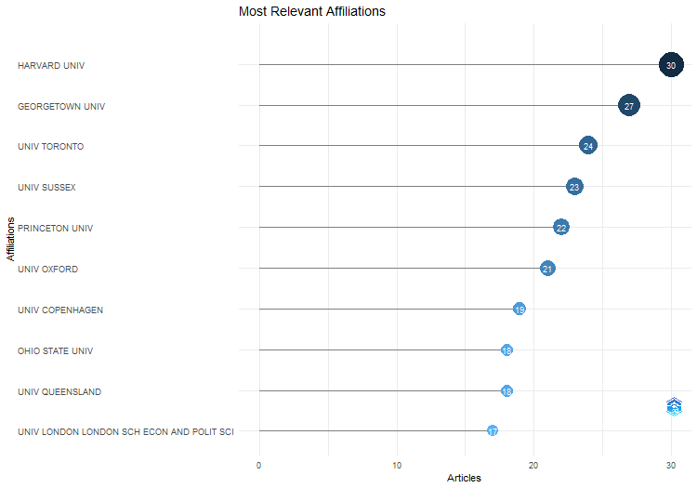
Affiliation | Articles
HARVARD UNIV | 30
GEORGETOWN UNIV | 27
UNIV TORONTO | 24
UNIV SUSSEX | 23
PRINCETON UNIV | 22
UNIV OXFORD | 21
UNIV COPENHAGEN | 19
OHIO STATE UNIV | 18
UNIV QUEENSLAND | 18
UNIV LONDON LONDON SCH ECON AND POLIT SCI | 17
UNIV WARWICK | 17
LONDON SCH ECON | 15
ABERYSTWYTH UNIV | 14
STANFORD UNIV | 14
UNIV CALIF SAN DIEGO | 14
UNIV CHICAGO | 14
UNIV SO CALIF | 14
COLUMBIA UNIV | 13
DARTMOUTH COLL | 13
GEORGE WASHINGTON UNIV | 13
UNIV KENT | 13
UNIV WALES | 13
PENN STATE UNIV | 12
UNIV LONDON | 12
UNIV MINNESOTA | 12
UNIV BRISTOL | 11
UNIV ILLINOIS | 11
UNIV MASSACHUSETTS | 11
UNIV PENN | 11
YALE UNIV | 11
AUSTRALIAN NATL UNIV | 10
UNIV LANCASTER | 10
AMER UNIV | 9
ARIZONA STATE UNIV | 9
COLL WILLIAM AND MARY | 9
FLORIDA STATE UNIV | 9
UNIV CALIF BERKELEY | 9
UNIV ROCHESTER | 9
UNIV SHEFFIELD | 9
UNIV WASHINGTON | 9
DEPT POLIT SCI | 8
KINGS COLL LONDON | 8
LUND UNIV | 8
...

AffOverTime
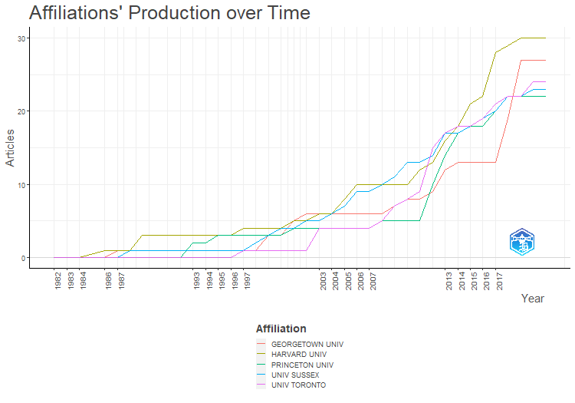
Affiliation | Year | Articles
HARVARD UNIV | 1982 | 0
HARVARD UNIV | 1983 | 0
HARVARD UNIV | 1984 | 0
HARVARD UNIV | 1986 | 1
HARVARD UNIV | 1987 | 1
HARVARD UNIV | 1988 | 1
HARVARD UNIV | 1989 | 3
HARVARD UNIV | 1990 | 3
HARVARD UNIV | 1991 | 3
HARVARD UNIV | 1992 | 3
HARVARD UNIV | 1993 | 3
HARVARD UNIV | 1994 | 3
HARVARD UNIV | 1995 | 3
HARVARD UNIV | 1996 | 3
HARVARD UNIV | 1997 | 4
HARVARD UNIV | 1998 | 4
HARVARD UNIV | 1999 | 4
HARVARD UNIV | 2000 | 4
HARVARD UNIV | 2001 | 5
HARVARD UNIV | 2002 | 5
HARVARD UNIV | 2003 | 6
HARVARD UNIV | 2004 | 6
HARVARD UNIV | 2005 | 8
HARVARD UNIV | 2006 | 10
HARVARD UNIV | 2007 | 10
HARVARD UNIV | 2008 | 10
HARVARD UNIV | 2009 | 10
HARVARD UNIV | 2010 | 10
HARVARD UNIV | 2011 | 12
HARVARD UNIV | 2012 | 13
HARVARD UNIV | 2013 | 16
HARVARD UNIV | 2014 | 18
HARVARD UNIV | 2015 | 21
HARVARD UNIV | 2016 | 22
HARVARD UNIV | 2017 | 28
HARVARD UNIV | 2018 | 29
HARVARD UNIV | 2019 | 30
HARVARD UNIV | 2020 | 30
HARVARD UNIV | 2021 | 30
GEORGETOWN UNIV | 1982 | 0
GEORGETOWN UNIV | 1983 | 0
GEORGETOWN UNIV | 1984 | 0
GEORGETOWN UNIV | 1986 | 0
...

CorrAuthCountries
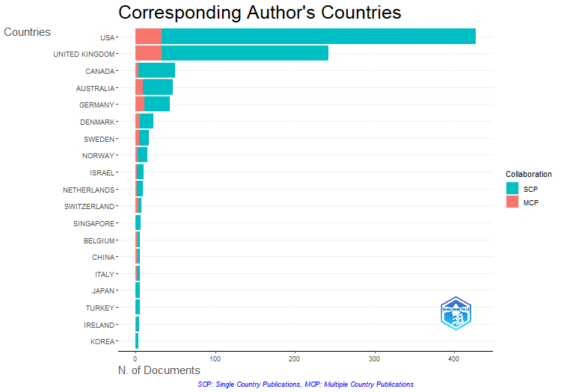
Articles | SCP | MCP | Freq | MCP_Ratio
427 | 394 | 33 | 0.427 | 0.077283372365
242 | 209 | 33 | 0.242 | 0.13636363636
50 | 46 | 4 | 0.05 | 0.08
47 | 38 | 9 | 0.047 | 0.1914893617
43 | 32 | 11 | 0.043 | 0.25581395349
36 | 36 | 0 | 0.036 | 0
23 | 17 | 6 | 0.023 | 0.26086956522
17 | 12 | 5 | 0.017 | 0.29411764706
15 | 12 | 3 | 0.015 | 0.2
10 | 8 | 2 | 0.01 | 0.2
9 | 7 | 2 | 0.009 | 0.22222222222
8 | 4 | 4 | 0.008 | 0.5
7 | 7 | 0 | 0.007 | 0
6 | 3 | 3 | 0.006 | 0.5
6 | 3 | 3 | 0.006 | 0.5
6 | 4 | 2 | 0.006 | 0.33333333333
6 | 6 | 0 | 0.006 | 0
6 | 6 | 0 | 0.006 | 0
5 | 4 | 1 | 0.005 | 0.2
4 | 4 | 0 | 0.004 | 0
3 | 2 | 1 | 0.003 | 0.33333333333
3 | 1 | 2 | 0.003 | 0.66666666667
3 | 2 | 1 | 0.003 | 0.33333333333
2 | 1 | 1 | 0.002 | 0.5
2 | 2 | 0 | 0.002 | 0
2 | 2 | 0 | 0.002 | 0
2 | 2 | 0 | 0.002 | 0
1 | 1 | 0 | 0.001 | 0
1 | 0 | 1 | 0.001 | 1
1 | 0 | 1 | 0.001 | 1
1 | 0 | 1 | 0.001 | 1
1 | 1 | 0 | 0.001 | 0
1 | 1 | 0 | 0.001 | 0
1 | 1 | 0 | 0.001 | 0
1 | 1 | 0 | 0.001 | 0
1 | 0 | 1 | 0.001 | 1
1 | 1 | 0 | 0.001 | 0

CountrySciProd
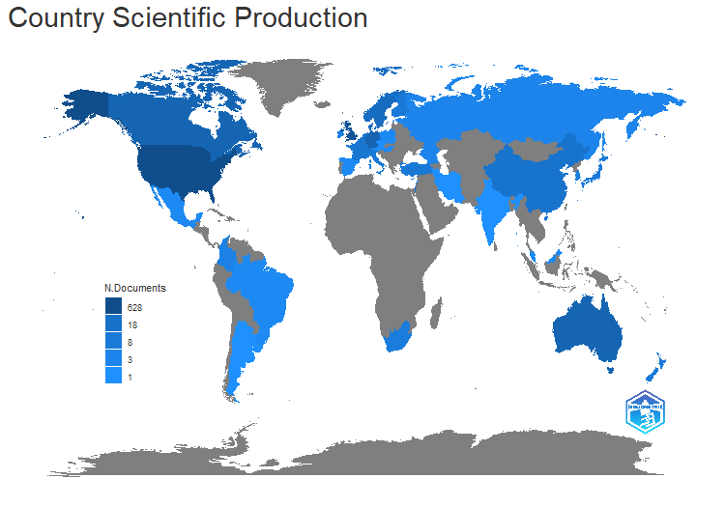
region | Freq
USA | 628
UK | 335
GERMANY | 66
AUSTRALIA | 63
CANADA | 63
DENMARK | 33
SWEDEN | 31
NORWAY | 27
ISRAEL | 18
SWITZERLAND | 18
NETHERLANDS | 16
CHINA | 15
BELGIUM | 13
FRANCE | 11
FINLAND | 9
ITALY | 9
TURKEY | 9
NEW ZEALAND | 8
SINGAPORE | 8
JAPAN | 7
SOUTH AFRICA | 6
SOUTH KOREA | 6
IRELAND | 5
COLOMBIA | 4
GEORGIA | 3
RUSSIA | 3
BRAZIL | 2
CYPRUS | 2
ESTONIA | 2
HUNGARY | 2
MALAYSIA | 2
MEXICO | 2
POLAND | 2
SPAIN | 2
ARGENTINA | 1
AUSTRIA | 1
CZECH REPUBLIC | 1
INDIA | 1
IRAN | 1
LEBANON | 1
NEPAL | 1
URUGUAY | 1

CountryProdOverTime
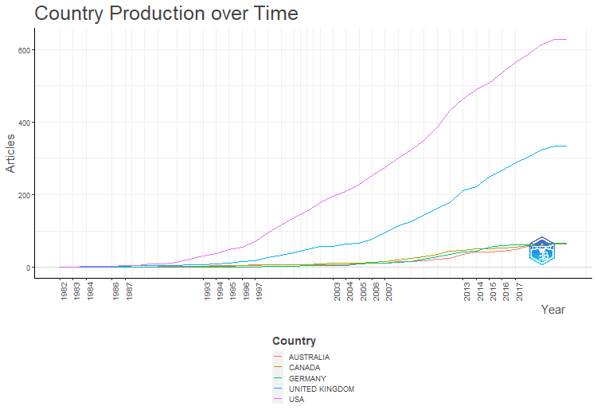
Country | Year | Articles
USA | 1982 | 1
USA | 1983 | 1
USA | 1984 | 2
USA | 1986 | 3
USA | 1987 | 5
USA | 1988 | 5
USA | 1989 | 8
USA | 1990 | 9
USA | 1991 | 13
USA | 1992 | 21
USA | 1993 | 30
USA | 1994 | 37
USA | 1995 | 48
USA | 1996 | 56
USA | 1997 | 71
USA | 1998 | 94
USA | 1999 | 117
USA | 2000 | 137
USA | 2001 | 154
USA | 2002 | 179
USA | 2003 | 196
USA | 2004 | 209
USA | 2005 | 229
USA | 2006 | 252
USA | 2007 | 275
USA | 2008 | 300
USA | 2009 | 324
USA | 2010 | 349
USA | 2011 | 387
USA | 2012 | 433
USA | 2013 | 464
USA | 2014 | 489
USA | 2015 | 508
USA | 2016 | 536
USA | 2017 | 565
USA | 2018 | 587
USA | 2019 | 613
USA | 2020 | 628
USA | 2021 | 628
UNITED KINGDOM | 1982 | 0
UNITED KINGDOM | 1983 | 0
UNITED KINGDOM | 1984 | 1
UNITED KINGDOM | 1986 | 1
...

MostCitCountries
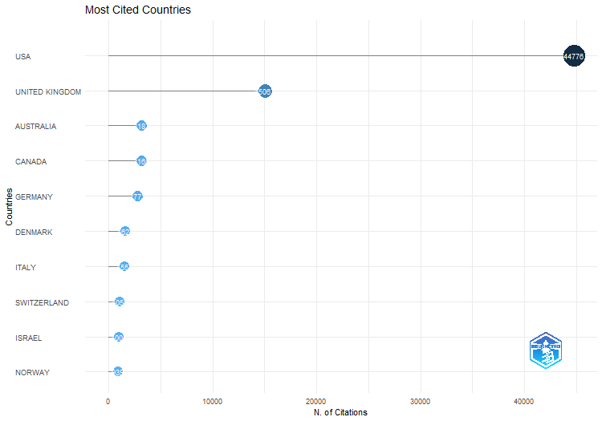
Country | TC | Average Article Citations
USA | 44776 | 104.9
UNITED KINGDOM | 15067 | 62.3
AUSTRALIA | 3187 | 67.8
CANADA | 3168 | 63.4
GERMANY | 2773 | 64.5
DENMARK | 1622 | 70.5
ITALY | 1551 | 258.5
SWITZERLAND | 1053 | 131.6
ISRAEL | 1005 | 100.5
NORWAY | 939 | 62.6
SWEDEN | 879 | 51.7
NEW ZEALAND | 590 | 196.7
NETHERLANDS | 543 | 60.3
HUNGARY | 424 | 212
FRANCE | 407 | 135.7
JAPAN | 366 | 61
CHINA | 357 | 59.5
IRELAND | 335 | 67
BELGIUM | 295 | 49.2
SINGAPORE | 287 | 41
TURKEY | 242 | 40.3
COLOMBIA | 199 | 99.5
ESTONIA | 184 | 92
KOREA | 175 | 43.8
FINLAND | 121 | 40.3
SPAIN | 98 | 98
GEORGIA | 60 | 60
CYPRUS | 53 | 26.5
CZECH REPUBLIC | 44 | 44
IRAN | 42 | 42
INDIA | 41 | 41
LEBANON | 40 | 40
SOUTH AFRICA | 40 | 40
RUSSIA | 39 | 39
MALAYSIA | 31 | 31
ARGENTINA | 26 | 26

MostGlobCitDocs
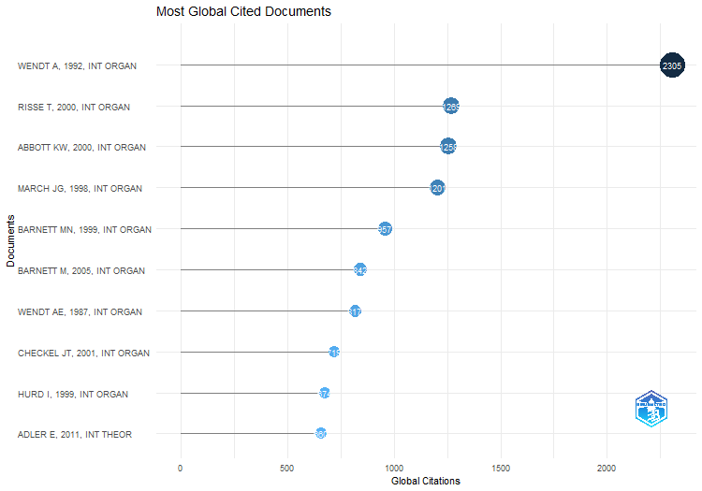
Paper | DOI | Total Citations | TC per Year | Normalized TC
WENDT A, 1992, INT ORGAN | 10.1017/S0020818300027764 | 2305 | 72.03125 | 8.3992712129
RISSE T, 2000, INT ORGAN | 10.1162/002081800551109 | 1269 | 52.875 | 6.4194658033
ABBOTT KW, 2000, INT ORGAN | 10.1162/002081800551280 | 1258 | 52.416666667 | 6.3638203157
MARCH JG, 1998, INT ORGAN | 10.1162/002081898550699 | 1201 | 46.192307692 | 6.0894667975
BARNETT MN, 1999, INT ORGAN | 10.1162/002081899551048 | 957 | 38.28 | 6.1215351812
BARNETT M, 2005, INT ORGAN | 10.1017/S0020818305050010 | 842 | 44.315789474 | 8.0747354497
WENDT AE, 1987, INT ORGAN | 10.1017/S002081830002751X | 817 | 22.081081081 | 3.3760330579
CHECKEL JT, 2001, INT ORGAN | 10.1162/00208180152507551 | 719 | 31.260869565 | 4.1618430192
HURD I, 1999, INT ORGAN | 10.1162/002081899550913 | 674 | 26.96 | 4.3113006397
ADLER E, 2011, INT THEOR | 10.1017/S175297191000031X | 660 | 50.769230769 | 10.208473436
HOPF T, 1998, INT SECURITY | 10.2307/2539267 | 647 | 24.884615385 | 3.2805037619
CHAYES A, 1993, INT ORGAN | 10.1017/S0020818300027910 | 627 | 20.225806452 | 3.5088247955
CEDERMAN LE, 2010, WORLD POLIT | 10.1017/S0043887109990219 | 621 | 44.357142857 | 8.4622641509
WILLIAMS MC, 2003, INT STUD QUART | 10.1046/j.0020-8833.2003.00277.x | 609 | 29 | 6.2871891131
PRICE R, 1998, INT ORGAN | 10.1162/002081898550671 | 593 | 22.807692308 | 3.0067059208
RUGGIE JG, 1998, INT ORGAN | 10.1162/002081898550770 | 569 | 21.884615385 | 2.8850179915
BENNETT DS, 2000, INT INTERACT | 10.1080/03050620008434965 | 513 | 21.375 | 2.5951031971
GHOSN F, 2004, CONFLICT MANAG PEACE | 10.1080/07388940490463861 | 488 | 24.4 | 5.3657407407
ADLER E, 1992, INT ORGAN | 10.1017/S0020818300001533 | 466 | 14.5625 | 1.6980739198
GOEMANS HE, 2009, J PEACE RES | 10.1177/0022343308100719 | 457 | 30.466666667 | 7.2140234949
KING G, 2001, INT ORGAN-a | 10.1162/00208180152507597 | 457 | 19.869565217 | 2.6452882612
KEOHANE RO, 1986, INT ORGAN | 10.1017/S0020818300004458 | 456 | 12 | 1
WEEKS JL, 2008, INT ORGAN | 10.1017/S0020818308080028 | 416 | 26 | 5.2818106542
OSIANDER A, 2001, INT ORGAN | 10.1162/00208180151140577 | 410 | 17.826086957 | 2.373234545
TRUE J, 2001, INT STUD QUART | 10.1111/0020-8833.00181 | 398 | 17.304347826 | 2.3037740218
KREBS RR, 2007, EUR J INT RELAT | 10.1177/1354066107074284 | 396 | 23.294117647 | 4.3492586491
DOTY RL, 1993, INT STUD QUART | 10.2307/2600810 | 385 | 12.419354839 | 2.1545415411
WAEVER O, 1998, INT ORGAN | 10.1162/002081898550725 | 382 | 14.692307692 | 1.9368662087
LEEDS BA, 2002, INT INTERACT | 10.1080/03050620213653 | 375 | 17.045454545 | 4.7655565294
KROOK ML, 2012, EUR J INT RELAT | 10.1177/1354066110380963 | 368 | 30.666666667 | 6.0664035291
JOHNSTON AI, 2013, INT SECURITY | 10.1162/ISEC_a_00115 | 354 | 32.181818182 | 5.6106983655
JACKSON PT, 1999, EUR J INT RELAT | 10.1177/1354066199005003002 | 350 | 14 | 2.2388059701
TOMZ M, 2007, INT ORGAN | 10.1017/S0020818307070282 | 345 | 20.294117647 | 3.7891268534
SIKKINK K, 1993, INT ORGAN | 10.1017/S0020818300028010 | 334 | 10.774193548 | 1.8691347396
GUZZINI S, 2000, EUR J INT RELAT | 10.1177/1354066100006002001 | 332 | 13.833333333 | 1.6794819911
STINNETT DM, 2002, CONFLICT MANAG PEACE | 10.1177/073889420201900203 | 316 | 14.363636364 | 4.0157756354
GLEDITSCH KS, 2007, J PEACE RES | 10.1177/0022343307076637 | 310 | 18.235294118 | 3.4047226798
HUYSMANS J, 1998, EUR J INT RELAT | 10.1177/1354066198004002004 | 310 | 11.923076923 | 1.5718024207
BLEIKER R, 2008, REV INT STUD | 10.1017/S0260210508007821 | 295 | 18.4375 | 3.7455147668
KATZENSTEIN PJ, 1998, INT ORGAN | 10.1017/S002081830003558X | 295 | 11.346153846 | 1.4957474648
GOLDSTEIN JS, 1992, J CONFLICT RESOLUT | 10.1177/0022002792036002007 | 284 | 8.875 | 1.0348776679
HOPF T, 2010, EUR J INT RELAT | 10.1177/1354066110363502 | 267 | 19.071428571 | 3.6383647799
HUDSON VM, 2005, FOREIGN POL ANAL-US | 10.1111/j.1743-8594.2005.00001.x | 265 | 13.947368421 | 2.5413359788
...

MostLocCitDocs
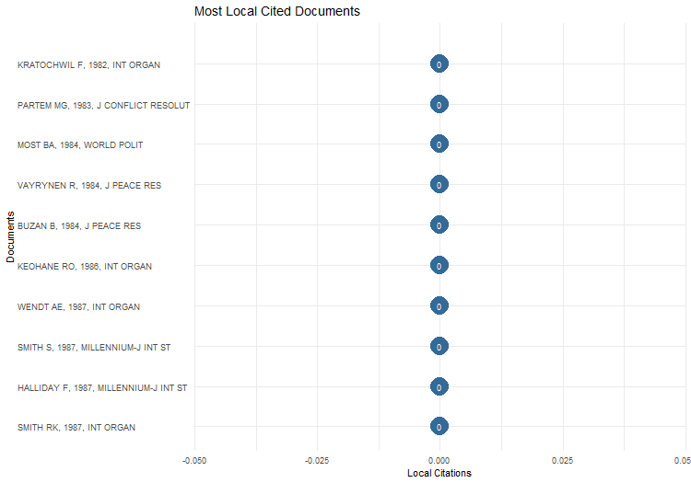
Local.Citations | Global.Citations | Ratio | Normalized.Local.Citations | Normalized.Global.Citations
0 | 56 | 0 | #NUM! | 1
0 | 28 | 0 | #NUM! | 1
0 | 133 | 0 | #NUM! | 1.8820754717
0 | 41 | 0 | #NUM! | 0.58018867925
0 | 38 | 0 | #NUM! | 0.53773584906
0 | 456 | 0 | #NUM! | 1
0 | 817 | 0 | #NUM! | 3.3760330579
0 | 55 | 0 | #NUM! | 0.22727272727
0 | 49 | 0 | #NUM! | 0.20247933884
0 | 47 | 0 | #NUM! | 0.19421487603
0 | 31 | 0 | #NUM! | 1
0 | 134 | 0 | #NUM! | 2.0743034056
0 | 75 | 0 | #NUM! | 1.1609907121
0 | 48 | 0 | #NUM! | 0.74303405573
0 | 35 | 0 | #NUM! | 0.54179566563
0 | 31 | 0 | #NUM! | 0.47987616099
0 | 83 | 0 | #NUM! | 1.024691358
0 | 79 | 0 | #NUM! | 0.97530864198
0 | 49 | 0 | #NUM! | 0.64757709251
0 | 49 | 0 | #NUM! | 0.64757709251
0 | 193 | 0 | #NUM! | 2.550660793
0 | 74 | 0 | #NUM! | 0.97797356828
0 | 54 | 0 | #NUM! | 0.71365638767
0 | 35 | 0 | #NUM! | 0.46255506608
0 | 2305 | 0 | #NUM! | 8.3992712129
0 | 466 | 0 | #NUM! | 1.6980739198
0 | 284 | 0 | #NUM! | 1.0348776679
0 | 199 | 0 | #NUM! | 0.72514315461
0 | 86 | 0 | #NUM! | 0.31337844872
0 | 84 | 0 | #NUM! | 0.30609057782
0 | 80 | 0 | #NUM! | 0.29151483602
0 | 73 | 0 | #NUM! | 0.26600728787
0 | 67 | 0 | #NUM! | 0.24414367517
0 | 67 | 0 | #NUM! | 0.24414367517
0 | 41 | 0 | #NUM! | 0.14940135346
0 | 34 | 0 | #NUM! | 0.12389380531
0 | 29 | 0 | #NUM! | 0.10567412806
0 | 27 | 0 | #NUM! | 0.098386257158
0 | 627 | 0 | #NUM! | 3.5088247955
0 | 385 | 0 | #NUM! | 2.1545415411
0 | 334 | 0 | #NUM! | 1.8691347396
0 | 244 | 0 | #NUM! | 1.365475678
0 | 125 | 0 | #NUM! | 0.69952647439
...

MostFreqWords
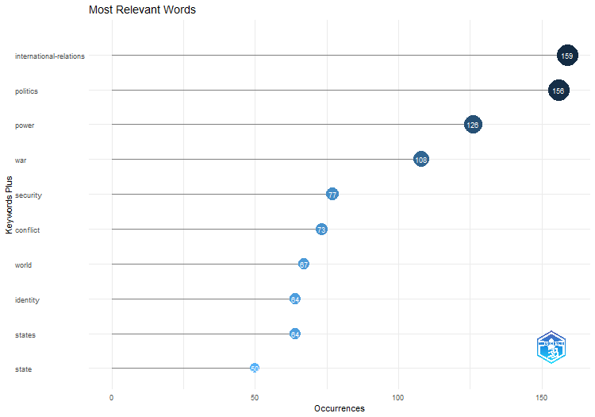
Words | Occurrences
international-relations | 159
politics | 156
power | 126
war | 108
security | 77
conflict | 73
world | 67
identity | 64
states | 64
state | 50
foreign-policy | 48
cooperation | 42
policy | 42
anarchy | 39
democracy | 38
peace | 33
institutions | 31
norms | 29
united-states | 25
dynamics | 24
governance | 24
psychology | 24
constructivism | 23
gender | 22
american | 21
self | 20
world-politics | 20
europe | 19
science | 19
democratic peace | 18
society | 18
discourse | 17
ir | 17
realism | 17
us | 17
future | 16
history | 16
model | 16
construction | 15
decision-making | 15
globalization | 15
ideas | 15
international-relations theory | 15
...

WordCloud
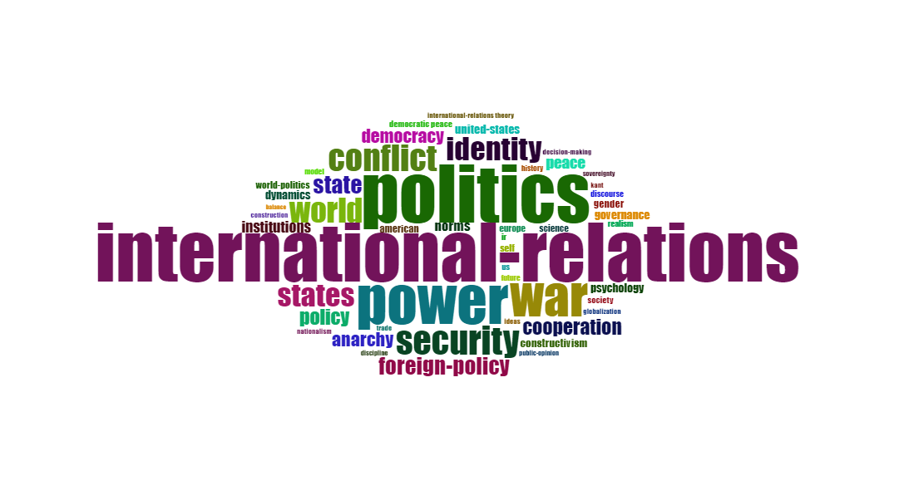
Terms | Frequency
international-relations | 159
politics | 156
power | 126
war | 108
security | 77
conflict | 73
world | 67
identity | 64
states | 64
state | 50
foreign-policy | 48
cooperation | 42
policy | 42
anarchy | 39
democracy | 38
peace | 33
institutions | 31
norms | 29
united-states | 25
dynamics | 24
governance | 24
psychology | 24
constructivism | 23
gender | 22
american | 21
self | 20
world-politics | 20
europe | 19
science | 19
democratic peace | 18
society | 18
discourse | 17
ir | 17
realism | 17
us | 17
future | 16
history | 16
model | 16
construction | 15
decision-making | 15
globalization | 15
ideas | 15
international-relations theory | 15
kant | 15
nationalism | 15
trade | 15
discipline | 14
public-opinion | 14
...

TreeMap
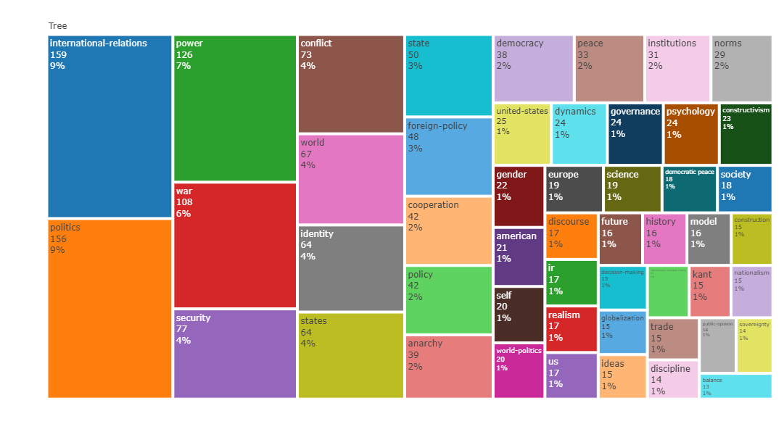
Terms | Frequency
international-relations | 159
politics | 156
power | 126
war | 108
security | 77
conflict | 73
world | 67
identity | 64
states | 64
state | 50
foreign-policy | 48
cooperation | 42
policy | 42
anarchy | 39
democracy | 38
peace | 33
institutions | 31
norms | 29
united-states | 25
dynamics | 24
governance | 24
psychology | 24
constructivism | 23
gender | 22
american | 21
self | 20
world-politics | 20
europe | 19
science | 19
democratic peace | 18
society | 18
discourse | 17
ir | 17
realism | 17
us | 17
future | 16
history | 16
model | 16
construction | 15
decision-making | 15
globalization | 15
ideas | 15
international-relations theory | 15
kant | 15
nationalism | 15
trade | 15
discipline | 14
public-opinion | 14
...

WordFreqOverTime
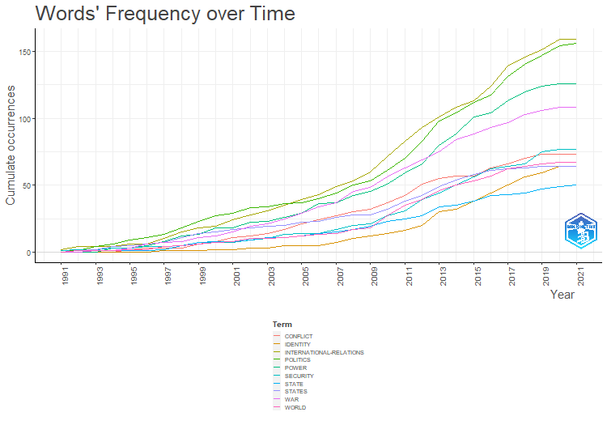
CONFLICT | WORLD | IDENTITY | STATES | STATE
0 | 0 | 0 | 0 | 0
0 | 1 | 0 | 1 | 0
0 | 1 | 0 | 2 | 1
0 | 1 | 0 | 4 | 1
2 | 2 | 0 | 5 | 1
3 | 2 | 0 | 6 | 1
3 | 4 | 1 | 7 | 2
3 | 5 | 1 | 11 | 5
6 | 6 | 1 | 14 | 7
8 | 7 | 2 | 15 | 8
11 | 8 | 2 | 17 | 8
12 | 10 | 3 | 18 | 9
14 | 10 | 3 | 19 | 11
17 | 11 | 5 | 20 | 11
21 | 12 | 5 | 22 | 12
24 | 13 | 5 | 23 | 14
27 | 14 | 7 | 26 | 15
30 | 17 | 10 | 28 | 17
32 | 18 | 12 | 28 | 19
37 | 27 | 14 | 32 | 23
42 | 35 | 16 | 38 | 25
51 | 39 | 20 | 42 | 27
55 | 46 | 30 | 49 | 34
57 | 50 | 32 | 54 | 35
57 | 53 | 38 | 58 | 38
63 | 57 | 44 | 61 | 42
66 | 62 | 50 | 62 | 43
70 | 64 | 56 | 63 | 44
73 | 66 | 59 | 64 | 47
73 | 67 | 64 | 64 | 49
73 | 67 | 64 | 64 | 50

TrendTopics
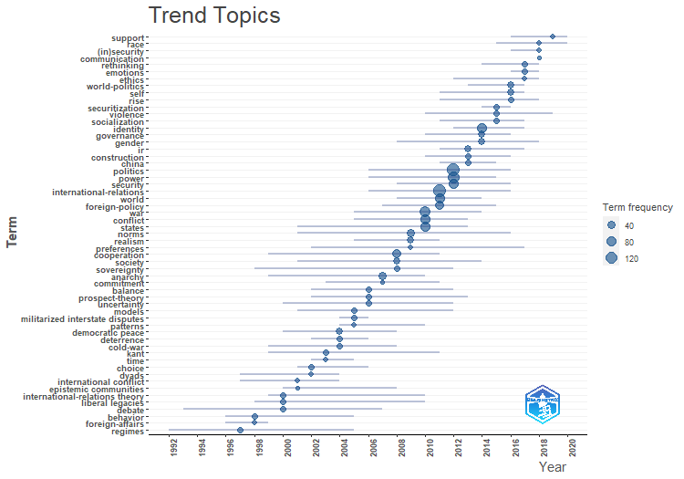
item | freq | year_q1 | year_med | year_q3
regimes | 10 | 1992 | 1997 | 2005
behavior | 10 | 1996 | 1998 | 2005
foreign-affairs | 6 | 1996 | 1998 | 1999
international-relations theory | 15 | 1999 | 2000 | 2010
liberal legacies | 11 | 1998 | 2000 | 2010
debate | 9 | 1993 | 2000 | 2007
international conflict | 8 | 1997 | 2001 | 2004
epistemic communities | 5 | 2000 | 2001 | 2008
choice | 11 | 2001 | 2002 | 2006
dyads | 8 | 1997 | 2002 | 2004
kant | 15 | 1999 | 2003 | 2011
time | 7 | 2002 | 2003 | 2005
democratic peace | 18 | 2000 | 2004 | 2008
deterrence | 12 | 2002 | 2004 | 2006
cold-war | 10 | 1999 | 2004 | 2008
models | 11 | 2001 | 2005 | 2012
militarized interstate disputes | 9 | 2004 | 2005 | 2006
patterns | 7 | 2004 | 2005 | 2010
balance | 13 | 2002 | 2006 | 2012
prospect-theory | 12 | 2002 | 2006 | 2013
uncertainty | 11 | 2000 | 2006 | 2012
anarchy | 39 | 1999 | 2007 | 2010
commitment | 5 | 2003 | 2007 | 2011
cooperation | 42 | 1999 | 2008 | 2011
society | 18 | 2001 | 2008 | 2014
sovereignty | 14 | 1998 | 2008 | 2012
norms | 29 | 2001 | 2009 | 2016
realism | 17 | 2005 | 2009 | 2011
preferences | 7 | 2002 | 2009 | 2017
war | 108 | 2005 | 2010 | 2014
conflict | 73 | 2005 | 2010 | 2013
states | 64 | 2001 | 2010 | 2013
international-relations | 159 | 2006 | 2011 | 2016
world | 67 | 2008 | 2011 | 2014
foreign-policy | 48 | 2007 | 2011 | 2015
politics | 156 | 2006 | 2012 | 2016
power | 126 | 2006 | 2012 | 2015
security | 77 | 2008 | 2012 | 2016
ir | 17 | 2011 | 2013 | 2017
construction | 15 | 2010 | 2013 | 2016
china | 13 | 2011 | 2013 | 2015
identity | 64 | 2012 | 2014 | 2017
governance | 24 | 2010 | 2014 | 2016
...

CoWordNet
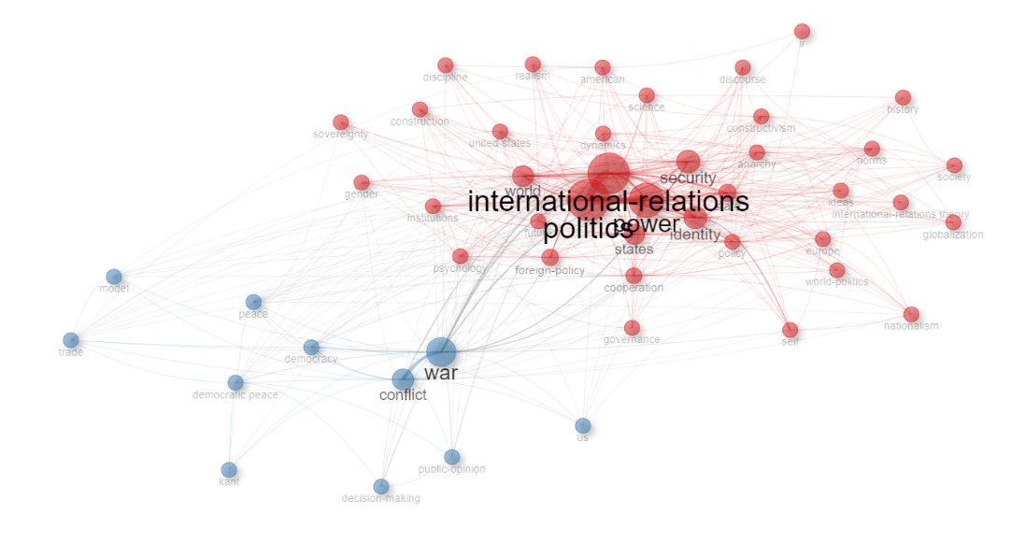
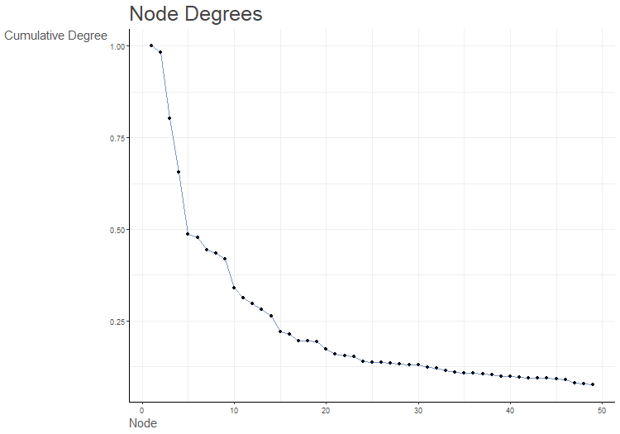
Node | Cluster | Betweenness | Closeness | PageRank
international-relations | 1 | 161.05286547 | 0.018867924528 | 0.080816394427
politics | 1 | 187.57475944 | 0.019607843137 | 0.084876973163
power | 1 | 97.125651547 | 0.018181818182 | 0.067385379161
security | 1 | 21.998618498 | 0.014925373134 | 0.039520847987
world | 1 | 42.963114503 | 0.015873015873 | 0.037563917648
identity | 1 | 27.530567718 | 0.015384615385 | 0.043452394204
states | 1 | 24.410587229 | 0.016129032258 | 0.036160129242
state | 1 | 13.483537187 | 0.014492753623 | 0.029142167095
foreign-policy | 1 | 9.5197414982 | 0.014084507042 | 0.026521917429
cooperation | 1 | 10.146681496 | 0.014705882353 | 0.027127897173
policy | 1 | 34.449060371 | 0.014925373134 | 0.026685671022
anarchy | 1 | 4.7156961227 | 0.013157894737 | 0.021486145315
institutions | 1 | 2.5203378602 | 0.012987012987 | 0.015708560448
norms | 1 | 4.3107793391 | 0.013333333333 | 0.018210102228
united-states | 1 | 2.2250505743 | 0.012658227848 | 0.014229315012
dynamics | 1 | 0.58916045481 | 0.011904761905 | 0.011579275413
governance | 1 | 0.19512089753 | 0.011363636364 | 0.010016895078
psychology | 1 | 3.5192935986 | 0.012820512821 | 0.016401398578
constructivism | 1 | 4.876980412 | 0.013333333333 | 0.019832553654
gender | 1 | 0.037685812364 | 0.011904761905 | 0.011240066298
american | 1 | 4.7114460665 | 0.012345679012 | 0.012260831669
self | 1 | 0.26859200381 | 0.011764705882 | 0.014677222283
world-politics | 1 | 0.41543181905 | 0.012048192771 | 0.010404451335
europe | 1 | 0.26014566258 | 0.011764705882 | 0.012125212842
science | 1 | 1.2844752395 | 0.012048192771 | 0.012100039629
society | 1 | 0.22767256857 | 0.011764705882 | 0.0086913668097
discourse | 1 | 0.041382899017 | 0.011764705882 | 0.011234255649
ir | 1 | 0 | 0.010101010101 | 0.0050016294484
realism | 1 | 0.14151613075 | 0.011363636364 | 0.0080081913906
future | 1 | 1.1396003628 | 0.012195121951 | 0.011701066758
history | 1 | 0.14410820955 | 0.011363636364 | 0.0074911201336
construction | 1 | 0.49749754274 | 0.011764705882 | 0.0099478581266
globalization | 1 | 0.073190303401 | 0.011494252874 | 0.0076216676263
ideas | 1 | 0.087899561361 | 0.011764705882 | 0.0086255901319
international-relations theory | 1 | 0.11407702467 | 0.011363636364 | 0.0076280436456
nationalism | 1 | 0.25497433209 | 0.011764705882 | 0.011801327608
discipline | 1 | 0.022857142857 | 0.011363636364 | 0.0081010331632
sovereignty | 1 | 0.037824884507 | 0.011111111111 | 0.0062330820763
war | 2 | 51.203802542 | 0.016393442623 | 0.053027453478
conflict | 2 | 27.623248635 | 0.014705882353 | 0.03656433091
democracy | 2 | 1.683693304 | 0.012345679012 | 0.015958906495
peace | 2 | 3.7160897212 | 0.012820512821 | 0.017605403205
democratic peace | 2 | 1.4260503854 | 0.012048192771 | 0.012598246417
us | 2 | 0.16073824659 | 0.011494252874 | 0.0081126135313
model | 2 | 0.065218843969 | 0.011627906977 | 0.0080320824136
decision-making | 2 | 0.11382014212 | 0.011235955056 | 0.0093853959315
kant | 2 | 0.02752293578 | 0.010869565217 | 0.0064350263463
trade | 2 | 0.74831960819 | 0.012195121951 | 0.010079266549
...

ThematicMap
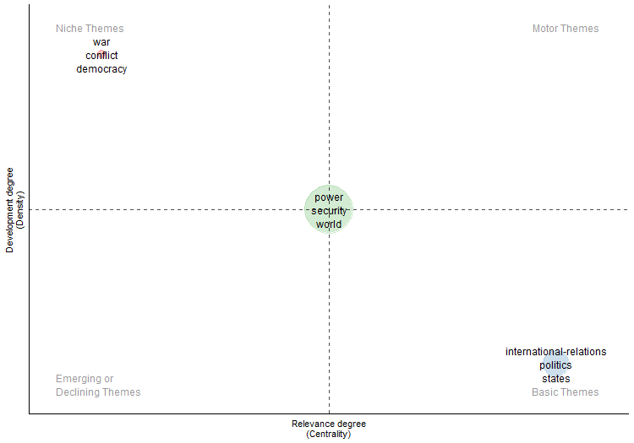
...
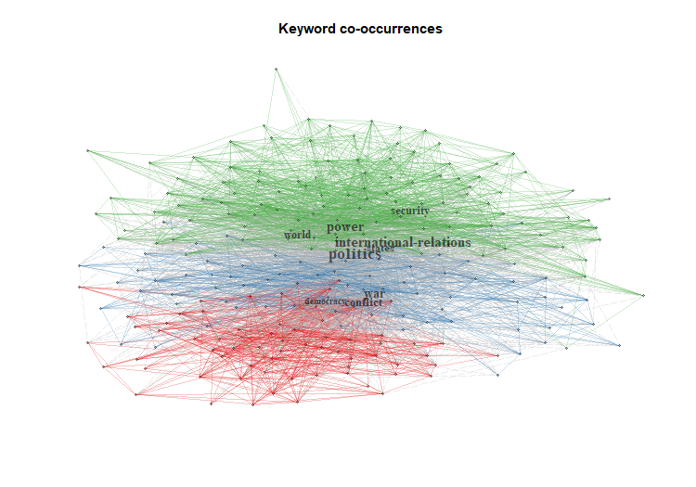
...

FactorialAnalysis
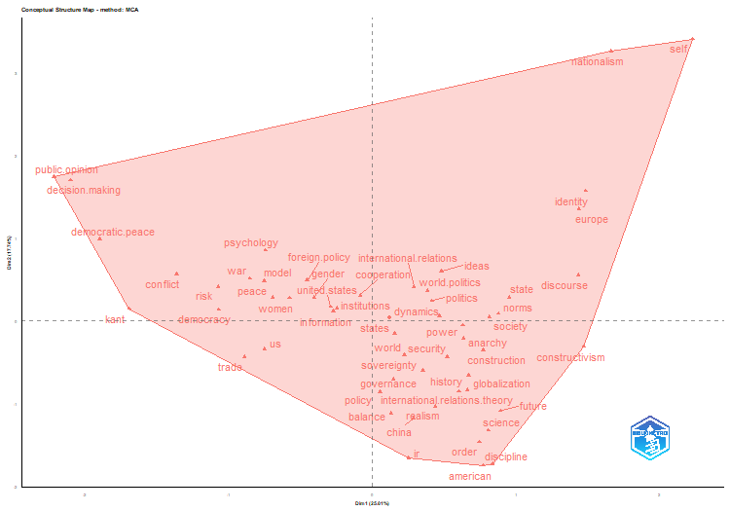
values
ID
1
MCA
13
1
8
FALSE
5
5
FALSE

Dim.1 | Dim.2 | cluster
0.29 | 0.41 | 1
0.42 | 0.24 | 1
0.63 | -0.05 | 1
-0.85 | 0.51 | 1
0.52 | -0.43 | 1
-1.36 | 0.57 | 1
0.22 | -0.42 | 1
1.49 | 1.57 | 1
0.15 | -0.15 | 1
0.95 | 0.28 | 1
-0.46 | 0.49 | 1
-0.09 | 0.31 | 1
0.05 | -0.86 | 1
0.63 | -0.22 | 1
-1.07 | 0.13 | 1
-0.7 | 0.28 | 1
-0.25 | 0.15 | 1
0.88 | 0.09 | 1
-0.29 | 0.17 | 1
0.47 | 0.05 | 1
0.14 | -0.71 | 1
-0.74 | 0.85 | 1
1.47 | -0.31 | 1
-0.41 | 0.28 | 1
0.77 | -1.75 | 1
2.23 | 3.4 | 1
0.38 | 0.36 | 1
1.44 | 1.35 | 1
0.81 | -1.32 | 1
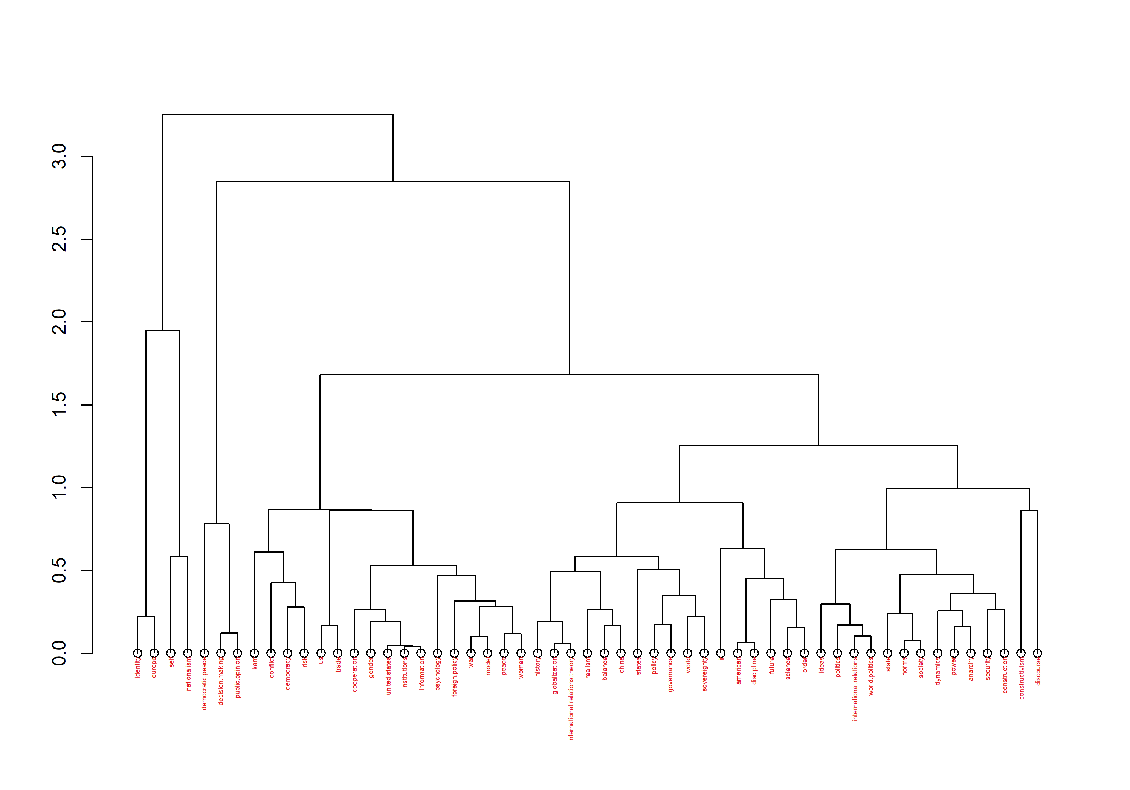
-1.9 | 0.98 | 1
0.81 | 0.05 | 1
1.43 | 0.55 | 1
0.25 | -1.66 | 1
0.44 | -1.03 | 1
-0.75 | -0.35 | 1
0.89 | -1.09 | 1
0.67 | -0.66 | 1
-0.75 | 0.48 | 1
0.77 | -0.36 | 1
-2.1 | 1.7 | 1
0.66 | -0.83 | 1
0.48 | 0.6 | 1
0.6 | -0.86 | 1
-1.69 | 0.15 | 1
1.66 | 3.26 | 1
-0.89 | -0.44 | 1
0.84 | -1.73 | 1
-2.22 | 1.74 | 1
0.35 | -0.6 | 1
0.13 | -1.12 | 1
0.29 | -1.18 | 1
-0.27 | 0.12 | 1
0.75 | -1.47 | 1
-1.07 | 0.41 | 1
-0.58 | 0.27 | 1

dim1 | dim2 | contrib | TC | Cluster
0.03 | -0.16 | 0.11 | 2305 | 1
0.17 | -0.11 | 0.16 | 1269 | 1
0.1 | -0.17 | 0.17 | 957 | 1
0 | -0.1 | 0.05 | 842 | 1
0.27 | 0.03 | 0.29 | 719 | 1
0.09 | -0.21 | 0.22 | 674 | 1
0.3 | 0.09 | 0.39 | 660 | 1
0.04 | -0.03 | 0.01 | 647 | 1
0.01 | -0.01 | 0 | 627 | 1
-0.01 | 0.01 | 0 | 621 | 1
0.03 | 0.08 | 0.03 | 609 | 1
0.19 | -0.06 | 0.15 | 593 | 1
0.03 | -0.05 | 0.01 | 513 | 1
-0.28 | 0.08 | 0.33 | 488 | 1
-0.16 | 0.04 | 0.1 | 457 | 1
...

CollabNet
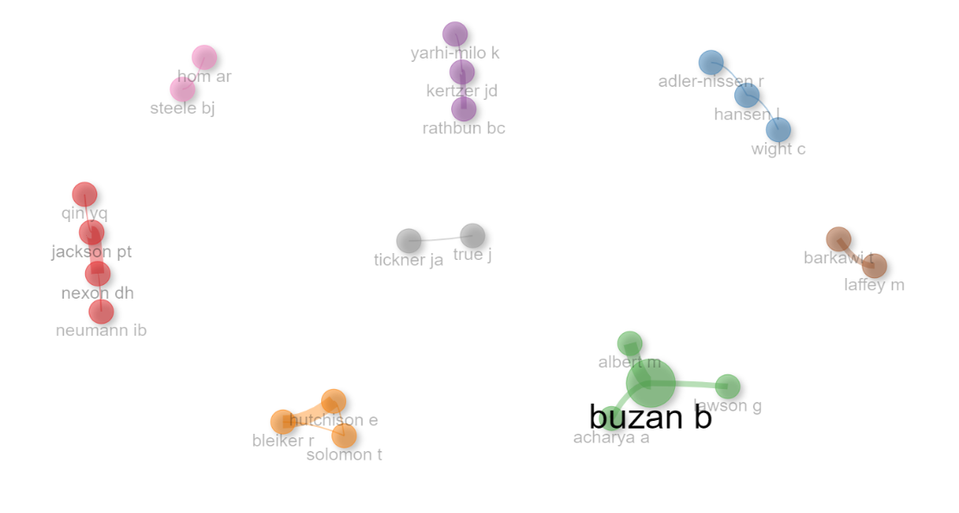
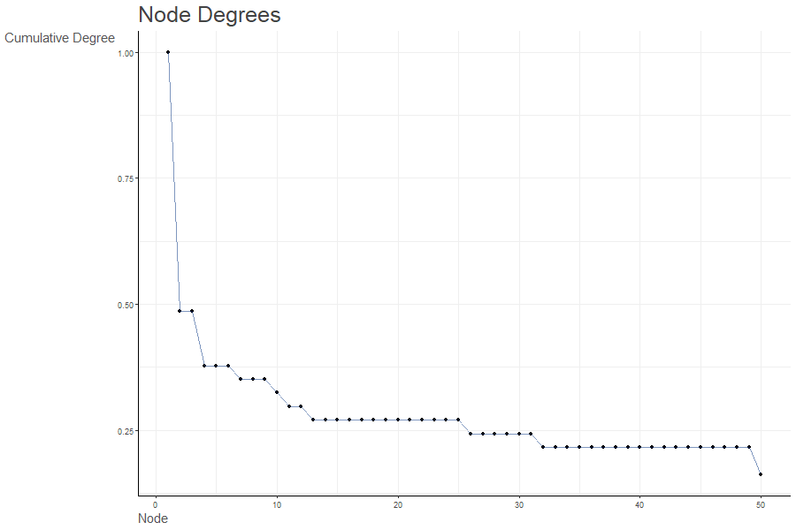
params | values
normalize | association
Title | Author Collaboration network
type | auto
label | TRUE
labelsize | 2
label.cex | TRUE
label.color | FALSE
label.n | 50
halo | FALSE
cluster | walktrap
community.repulsion | 0.05
size | 5
size.cex | TRUE
curved | FALSE
noloops | TRUE
remove.multiple | FALSE
remove.isolates | TRUE
edgesize | 15
edges.min | 1
alpha | 0.7
verbose | FALSE

Node | Cluster | Betweenness | Closeness | PageRank
jackson pt | 1 | 2 | 0.25 | 0.066337965038
nexon dh | 1 | 2 | 0.25 | 0.066337965038
neumann ib | 1 | 0 | 0.16666666667 | 0.020618556701
qin yq | 1 | 0 | 0.16666666667 | 0.020618556701
adler-nissen r | 2 | 0 | 0.33333333333 | 0.033490011751
hansen l | 2 | 1 | 0.5 | 0.063454759107
wight c | 2 | 0 | 0.33333333333 | 0.033490011751
buzan b | 3 | 3 | 0.33333333333 | 0.083431257344
acharya a | 3 | 0 | 0.2 | 0.026783615914
albert m | 3 | 0 | 0.2 | 0.036914554306
lawson g | 3 | 0 | 0.2 | 0.026783615914
yarhi-milo k | 4 | 0 | 0.33333333333 | 0.024500587544
kertzer jd | 4 | 1 | 0.5 | 0.063454759107
rathbun bc | 4 | 0 | 0.33333333333 | 0.042479435958
bleiker r | 5 | 0 | 0.5 | 0.051098162259
hutchison e | 5 | 0 | 0.5 | 0.051098162259
solomon t | 5 | 0 | 0.5 | 0.028238458091
laffey m | 6 | 0 | 1 | 0.04347826087
barkawi t | 6 | 0 | 1 | 0.04347826087
steele bj | 7 | 0 | 1 | 0.04347826087
hom ar | 7 | 0 | 1 | 0.04347826087
tickner ja | 8 | 0 | 1 | 0.04347826087
true j | 8 | 0 | 1 | 0.04347826087

CollabWorldMap
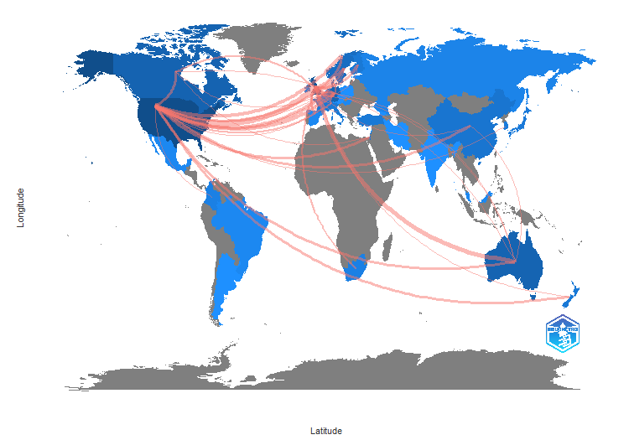
From | To | Frequency
AUSTRALIA | BELGIUM | 2
AUSTRALIA | BRAZIL | 1
AUSTRALIA | CANADA | 2
AUSTRALIA | CHINA | 2
AUSTRALIA | DENMARK | 1
AUSTRALIA | FRANCE | 1
AUSTRALIA | NETHERLANDS | 2
AUSTRALIA | NORWAY | 1
AUSTRALIA | SOUTH AFRICA | 1
BELGIUM | FRANCE | 1
BELGIUM | SOUTH AFRICA | 1
CANADA | BELGIUM | 1
CANADA | DENMARK | 1
CANADA | FRANCE | 1
CANADA | ISRAEL | 2
CANADA | NETHERLANDS | 2
CANADA | SOUTH AFRICA | 1
CANADA | URUGUAY | 1
CHINA | BELGIUM | 1
CHINA | FINLAND | 1
CHINA | JAPAN | 1
CHINA | POLAND | 1
DENMARK | CHINA | 1
DENMARK | RUSSIA | 1
DENMARK | SWEDEN | 2
FINLAND | AUSTRIA | 1
FINLAND | JAPAN | 1
FINLAND | POLAND | 1
FRANCE | ITALY | 1
FRANCE | KOREA | 1
GERMANY | AUSTRALIA | 1
GERMANY | AUSTRIA | 1
GERMANY | CHINA | 1
GERMANY | DENMARK | 3
GERMANY | FINLAND | 2
GERMANY | FRANCE | 2
GERMANY | GEORGIA | 1
GERMANY | ISRAEL | 1
GERMANY | KOREA | 1
GERMANY | NEPAL | 1
GERMANY | NETHERLANDS | 4
GERMANY | NEW ZEALAND | 1
GERMANY | NORWAY | 1
...

